Sheet1
3 | 12832982-00 | DAEA-2904010_左前下摆臂总成_M
4 | 12832983-00 | DAEA-2904020_右前下摆臂总成_M00
5 | 13448420-00 | HAD-2905010C_左前减振器支柱总成_
6 | 13448422-00 | HAD-2905020C_右前减振器支柱总成_M0
8 | 11663979-00 | SEH-2906100_前横向稳定杆拉杆及球头总成_
10 | 13471527-00 | HA2HE-2203020B_右前传动半轴总成_
11 | 13471526-00 | HA2HE-2203010B_左前传动半轴总成_M
12 | 13006181-00 | DAEA-2810010E_前副车架总成_
16 | 13188254-00 | HA2EL-3501111_前制动盘_M
19 | 13188405-00 | HA2EL-2304112_右前转向节_
20 | 13188406-00 | HA2EL-2304111_左前转向节_
22 | 12901884-00 | HAD-3103100_前轮毂单元总成_
25 | 13420983-00 | HAD-5205110B_左刮片总成_M0
26 | 13420984-00 | HAD-5205210B_右刮片总成_M00
27 | 13033895-00 | HAD-8121211E-E1_高效过滤器
32 | 12027143-00 | 5BC-1302311A_散热器上悬置衬套
33 | 12978804-00 | HA2HE-1315120_散热器安装支架总成Ⅱ
34 | 13378142-00 | HA2HK-5305100A_副仪表板本体总成_M0
35 | 13351125-00 | HA2HK-5306110_仪表板上本体总成_
36 | 13271609-00 | HA2HE-5306120A-D1A7_仪表板下本体总成-深黑5_M00666
37 | 13509489-00 | HA2HK-5305900_副仪表板中风口总成_M0066
38 | 12232839-00 | HAD-5606110_行李箱盖铰链总成_M
39 | 13702061-00 | HA2HJ-5604010/77_行李箱盖总成_
41 | 13375816-00 | HA2HK-3102110A_左前轮挡泥板总成_
42 | 13375842-00 | HA2HK-3102130A_左后轮挡泥板总成_M
43 | 13375859-00 | HA2HK-3102170A_前电机下挡泥板总成
44 | 13375843-00 | HA2HK-3102140A_右后轮挡泥板总成_
45 | 13375818-00 | HA2HK-3102120A_右前轮挡泥板总成_
48 | 13673245-00 | SA3HE-1310010JH_油冷器总成Ⅰ_M00
49 | 14165101-00 | HA2HE-1301050JH_电控散热器总成Ⅰ
53 | 12999860-00 | SA3HE-1311010_副水箱总成Ⅰ_M00000
64 | 12978712-00 | SA3HA-1308010_电子风扇总成Ⅰ_M000
77 | 13381724-00 | HA2HK-4011300A_前保险杠小线_M0066 | 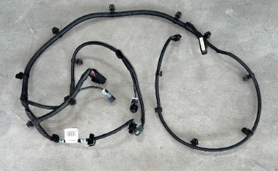
86 | 13122811-00 | HAD-5206010F_前风窗玻璃总成_ | 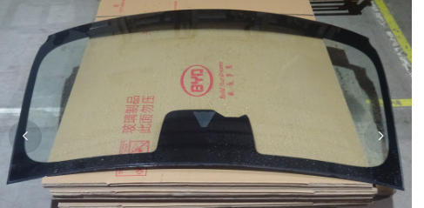
99 | 12901884-00 | HAD-3103100_前轮毂单元总成_ | 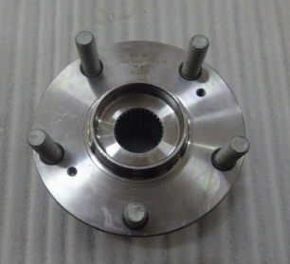
100 | 13309889-00 | HAD-3101010H_铝合金车轮_M | 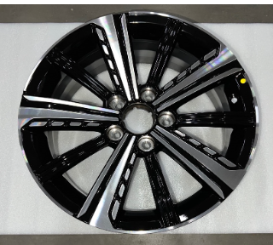
5 | HAD-3101010K | 铝合金车轮Aluminium wheel ring | 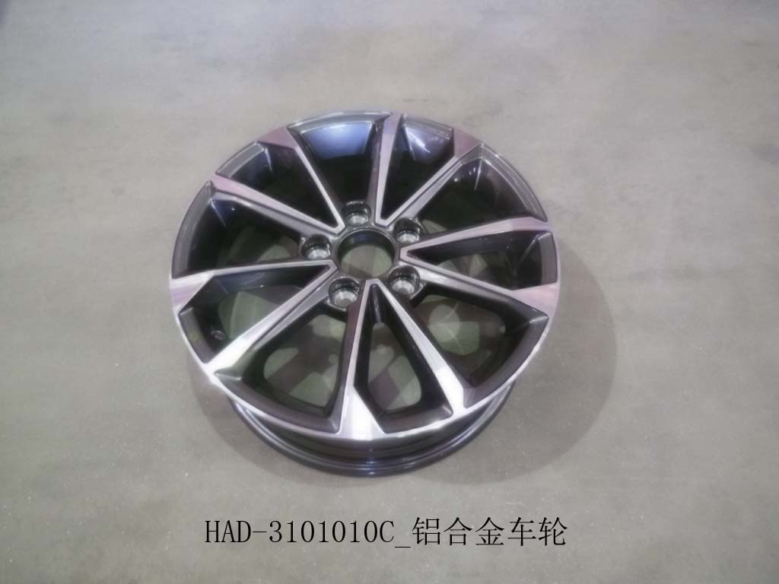
101 | 13571533-00 | HAD-5301290_前端模块总成_M | 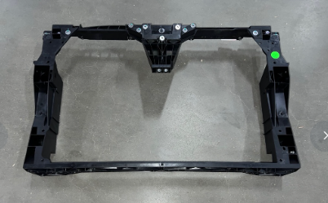
102 | 12522173-00 | HAD-8400020/70_后防撞梁总成 | 
103 | 12584418-00 | HAD-8400010/70_前防撞梁总成20 | 
104 | 12522182-00 | HAD-6201019/70_右后门总成_M006 | 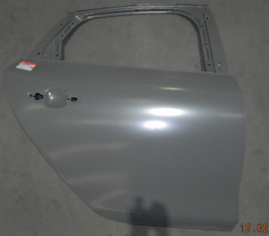
105 | 12522160-00 | HAD-6201010/70_左后门总成_M0066 | 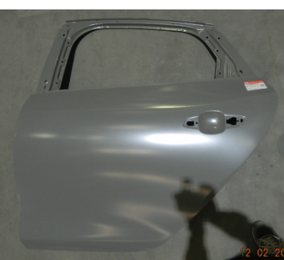
106 | 13702063-00 | HA2HJ-8403010/77_左翼子板总成_M0 | 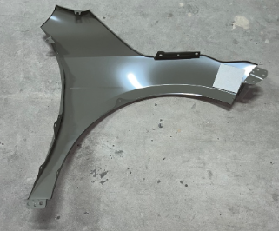
107 | 13702062-00 | HA2HJ-8403019/77_右翼子板总成_M00 | 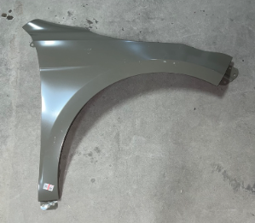
108 | 12522161-00 | HAD-6101010/70_左前门总成_M006 | 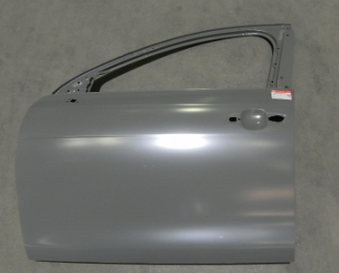
109 | 12522183-00 | HAD-6101019/70_右前门总成_M006 | 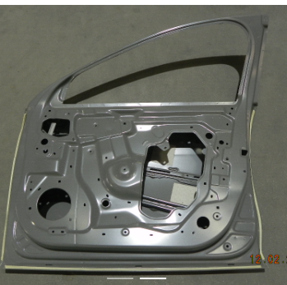
110 | 12232203-00 | HAD-6106209_右前门下铰链总成_M00 | 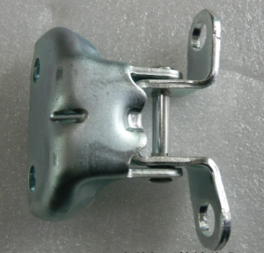
111 | 12232835-00 | HAD-6106200_左前门下铰链总成_M00000 | 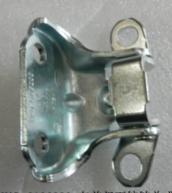
112 | 12232836-00 | HAD-6206109_右后门上铰链总成_M000 | 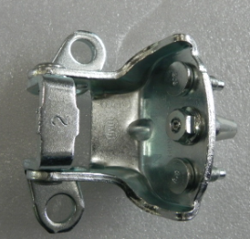
113 | 13375017-00 | HAD-6206109A_右后门上铰链总成_M00000 | 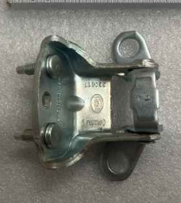
114 | 12232204-00 | HAD-6206100_左后门上铰链总成_M000 | 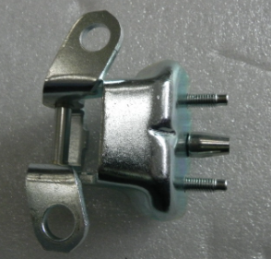
115 | 13375016-00 | HAD-6206100A_左后门上铰链总成_M00000 | 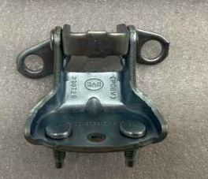
116 | 12232838-00 | HAD-6206209_右后门下铰链总成_M000 | 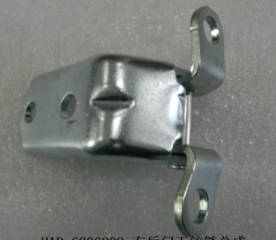
117 | 12232837-00 | HAD-6206200_左后门下铰链总成_M0
118 | 12232833-0 | HAD-6106100_左前门上铰链总成_
119 | 13374922-00 | HAD-6106100A_左前门上铰链总成
120 | 13374924-00 | HAD-6106109A_右前门上铰链总成_M00
121 | 12232834-00 | HAD-6106109_右前门上铰链总成_M00000
122 | 13702060-00 | HA2HJ-8402010/77_前舱盖总成_M
123 | 13614013-00 | HA2HK-4121010A_左组合前灯总成_M00666
124 | 13614014-00 | HA2HK-4121020A_右组合前灯总成_M0
125 | 13309866-00 | HA2HK-4102300_前中位置灯_
126 | 13309872-00 | HA2HK-4133010_左组合后灯总成_
127 | 13309871-00 | HA2HK-4133020_右组合后灯总成_M0
128 | 13412326-00 | HA2HK-4107001_中尾灯分装件总成_
129 | 13309867-00 | HA2HK-4116300_左后雾灯_M0
130 | 13309868-00 | HA2HK-4113200_右倒车灯_M006
131 | 13496078-00 | HA2HK-2803111/97_前保险杠本体_M0
132 | 13409632-00 | HA2HK-2803112_前保险杠下进气网格_M
133 | 13409629-00 | HA2HK-2803113_前保险杠左装饰件_M0
134 | 13409635-00 | HA2HK-2803114_前保险杠右装饰件_
135 | 13330552-00 | HA2HK-2803119/71_前保险杠中亮条_M0
136 | 13330558-00 | HA2HK-2803115/71_前保险杠左亮条_M0
137 | 13330559-00 | HA2HK-2803116/71_前保险杠右亮条_M
138 | 13416785-00 | HA2HK-2803700A_前格栅总成_M00
139 | 13530147-00 | HA2HK-2803713_前格栅左上饰板_M00666
140 | 13530128-00 | HA2HK-2803714_前格栅左下饰板_M00666
141 | 13530130-00 | HA2HK-2803715_前格栅右上饰板_M0
142 | 13530148-00 | HA2HK-2803716_前格栅右下饰板_M00666
143 | 13330554-00 | HA2HK-2803751/71_前格栅右装饰条Ⅰ
144 | 13330557-00 | HA2HK-2803752/71_前格栅右装饰条Ⅱ_M
145 | 13330562-00 | HA2HK-2803753/71_前格栅右装饰条Ⅲ_M00
146 | 13330581-00 | HA2HK-2803754/71_前格栅右装饰条Ⅳ_M
147 | 13330575-00 | HA2HK-2803755/71_前格栅右装饰条Ⅴ
148 | 13330555-00 | HA2HK-2803731/71_前格栅左装饰条Ⅰ_
149 | 13330553-00 | HA2HK-2803732/71_前格栅左装饰条Ⅱ_M00
150 | 13330560-00 | HA2HK-2803733/71_前格栅左装饰条Ⅲ_
151 | 13330561-00 | HA2HK-2803734/71_前格栅左装饰条Ⅳ_M000
152 | 13330580-00 | HA2HK-2803735/71_前格栅左装饰条Ⅴ
153 | 13416786-00 | HA2HK-2803220_前格栅面罩总成_M0
154 | 13409541-00 | HA2HK-2804113_后保险杠下本体_M00666
 | HA2HK-2804111/E4 | 后杠总成HA2HK-2804111/E4Rear bumper assembly
40 | HA2HK-2804111/E4 | 后保险杠本体rear bumper | 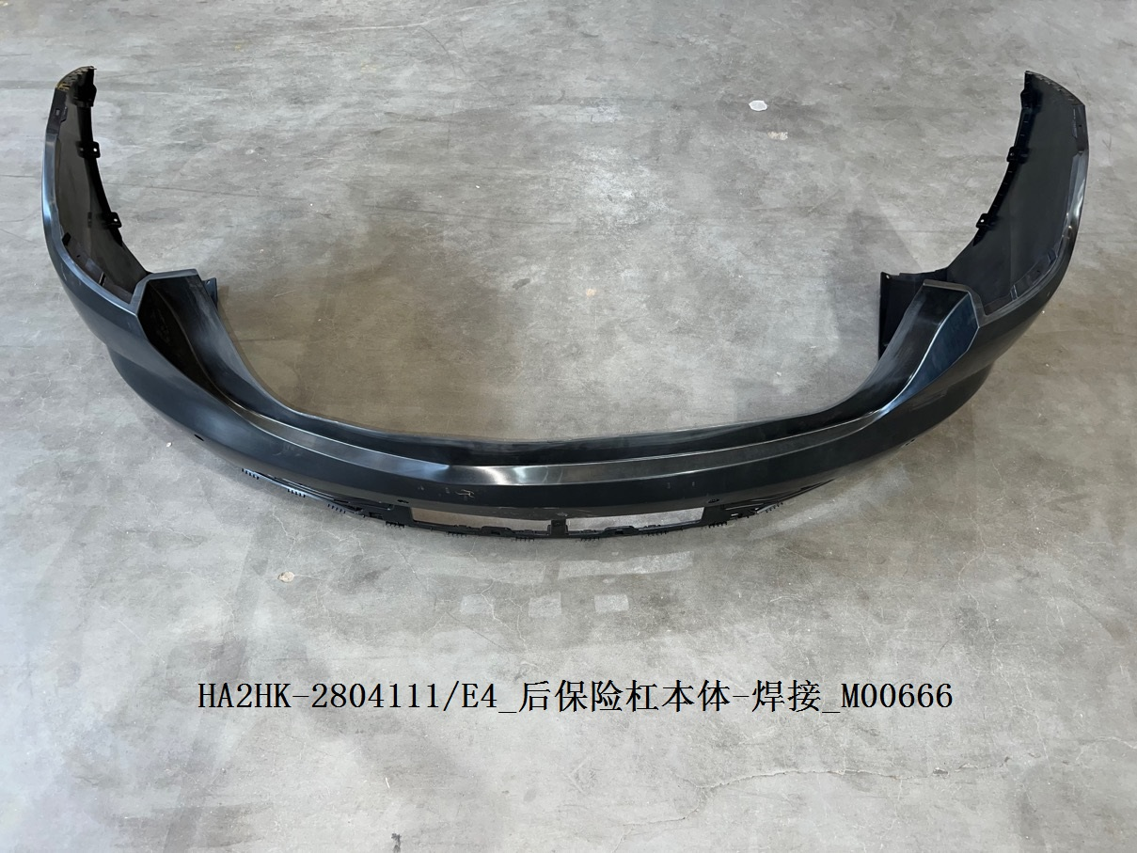
155 | 13530084-00 | HA2HK-2804112_后保险杠中装饰板_M006
156 | 13414957-00 | HA2HK-2804111/E4_后保险杠本体-焊接_M
157 | 13375866-00 | HA2HK-2804310_后保险杠左前支架总成_M00
158 | 13375867-00 | HA2HK-2804330_后保险杠左下支撑支架总成_M
159 | 13378579-00 | HA2HK-2804114/77-00BK_后保险杠摄像头罩-高
160 | 13375855-00 | HA2HK-2804410_后保险杠右前支架总成_M
161 | 13375856-00 | HA2HK-2804430_后保险杠右下支撑支架总成_
162 | 13330530-00 | HA2HK-2804115/71_后保险杠左亮饰条_M0000
163 | 13330531-00 | HA2HK-2804116/71_后保险杠中亮饰条_
164 | 13330583-00 | HA2HK-2804117/71_后保险杠右亮饰条_M
165 | 13409603-00 | HA2HK-2804118_后保险杠左侧装饰板
166 | 13409604-00 | HA2HK-2804119_后保险杠右侧装饰板_M0066
167 | 13409738-00 | HA2HK-2803411_前保险杠右支架_M
168 | 13409739-00 | HA2HK-2803311_前保险杠左支架_M
169 | 13409633-00 | HA2HK-2803121_前保险杠左风道_M
170 | 13409634-00 | HA2HK-2803122_前保险杠右风道_
172 | 13702061-00 | HA2HJ-5604010/77_行李箱盖总成_M00
184 | 13573358-00 | HA2HK-8202100R-D4_左外后视镜总成
185 | 13573352-00 | HA2HK-8202109R-D2_右外后视镜总成_
186 | 12225791-00 | HAD-5707010_左顶盖饰条总成_M00
188 | 12522163-00 | HAD-5701010B/70_顶盖总成_M00
189 | 13862369-00 | HAD-5401918/70_右侧围外板后段
190 | 13862370-00 | HAD-5401917/70_左侧围外板后段
191 | 13862368-00 | HAD-5401916C/70_右侧围外板前段
192 | 13862367-00 | HAD-5401915C/70_左侧围外板前段
193 | 12901884-00 | HAD-3103100_前轮毂单元总成_
194 | 13188406-00 | HA2EL-2304111_左前转向节_M
195 | 13188405-00 | HA2EL-2304112_右前转向节_M
196 | 11663979-00 | SEH-2906100_前横向稳定杆拉杆及球头总成_M
201 | 12225793-00 | HAD-5207110_洗涤壶体及电机总成
202 | 12225843-00 | HAD-5207240_洗涤软管及喷嘴总成Ⅱ
203 | 11052909-00 | HA-5207120_洗涤壶颈总成_M
204 | 12225842-00 | HAD-5207230_洗涤软管总成Ⅱ_
205 | 12225841-00 | HAD-5207220_洗涤软管及喷嘴总成Ⅰ
206 | 13117871-00 | HA2HF-3722500_前舱配电盒本体_
207 | 13307386-00 | HA2HK-3721020_低音喇叭_M
208 | 13307385-00 | HA2HK-3721010_高音喇叭_
209 | 13209402-00 | HA2HE-1301010_高温散热器总成
210 | 12661684-00 | HAD-2905700_前减上支撑组合
211 | 10877016-00 | 5A-1117100_燃油滤清器总成_
63 | HA2HK-5402810 | 左侧围裙板本体Left skirt plate | 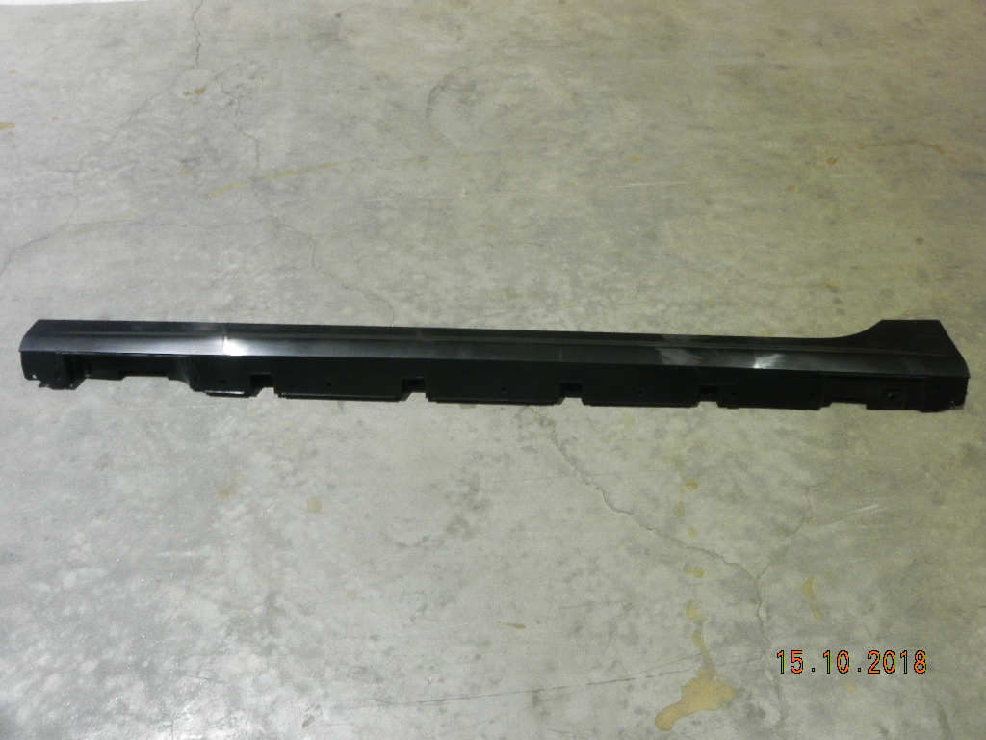
64 | HA2HK-5402820 | 右侧围裙板本体Right skirt plate | 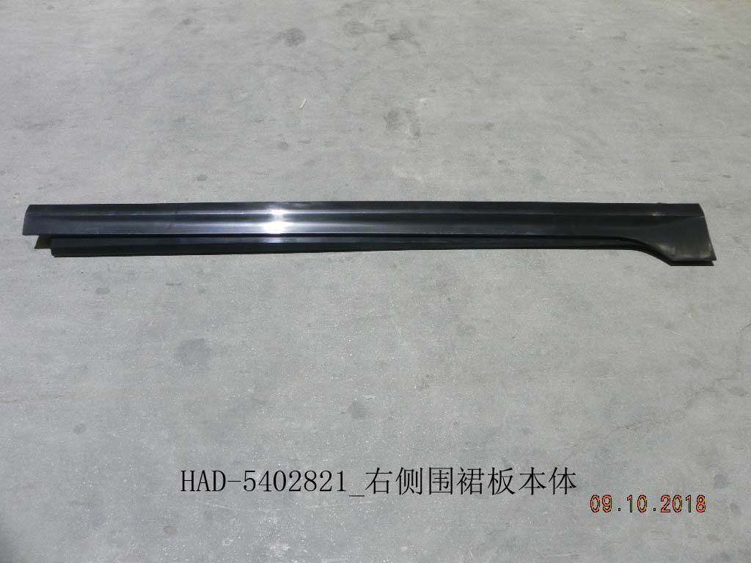
65 | HA2HE-5401820B | 交流充电口盖总成-素材Charging sport cover | 