Sheet1
 | BZ4 | PICTURE
521190R945 | Front bumper
52535-0R110 525360R100 | Front bumper snap
526140R160 | Front bumper foam
52021-0R160 | Front bar skeleton
526180R130 | Front bumper lower guard
51441-0R130 | Front bumper lower guard
53112-0R390-ZC | Front bumper grille
52111-0R060-X | Front bumper frame
52711-0R150-ZC | Front bumper lower trim
531010R190 | Front bumper lower grille decorative frame assembly
52029-0R070 | Under the skeleton of the front bumper
52112-0R080 | Bumper right
52113-0R080 | Bumper left
52822-0R010 52821-0R010 | Air inlet L/R
53141-0R090 | Front bumper trim strip Plating
531210R080 | Front bumper trim
532850R910 | Trailer hook cover
53115-0R060 | Medium mesh bracket
521140R140 | License plate bracket
53121-0R080 | Rear bumper trim
521590R928 | rear bumper
52591-0R110 52592-0R110 | Rear wrap angle L/R
521620R912 521610R912 | Rear bumper wrap angle L/R
521660R030 521650R060 | Rear bumper trim L/R
81910-0F020 81920-0F020 | Rear bumper light
521070R010 | Rear trailer cover
52562-0R110 52563-0R110 | Rear bumper bumper bracket L/R
521560R110 521550R110 | Rear bumper bracket L/R
525620R110 525630R110 | L/R on the rear bumper bracket
52155-0R110 521560R110 | Rear bumper bracket L/R | 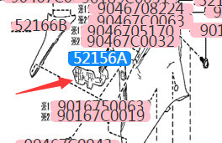
521710R090' | Rear bumper skeleton
52016-0R050 | Rear bumper skeleton bracket R | 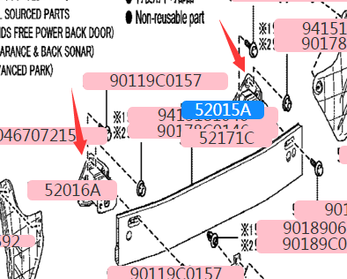
52015-0R050 | Rear bumper skeleton bracket L
53876-0R140 | Front fender liners
538750R140 | Front fender liners
534200R230 | Hood hinge | 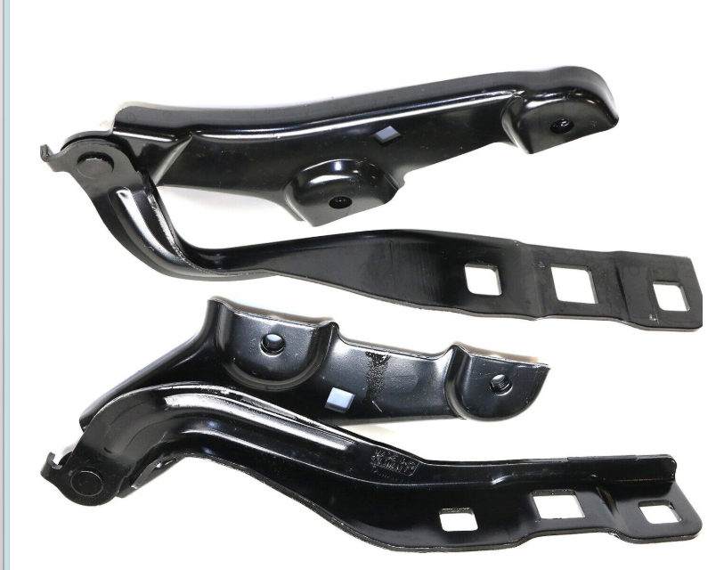
534100R260 | Hood hinge
9050616077 | Cover lock | 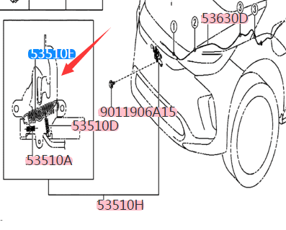
16691-0Z010 | Water tank guards
53019-0R040 | Blind assembly
165930Z030 | Radiator deflector
67002-0R160 | Front doors L
67001-0R140 | Front doors R
670030R200 | Rear doors L
670040R200 | Rear doors R
670050R390 | Back cover
81110-0R300 | Headlight LEDs R
81150-0R280 | Headlight LEDs L
815600R120 | Left outer taillight
815500R120 | Right outer taillight
81580-0R090 | Tail lights
451300R120C0 | Driver airbag
43550-0R100 | Front wheel bearings | 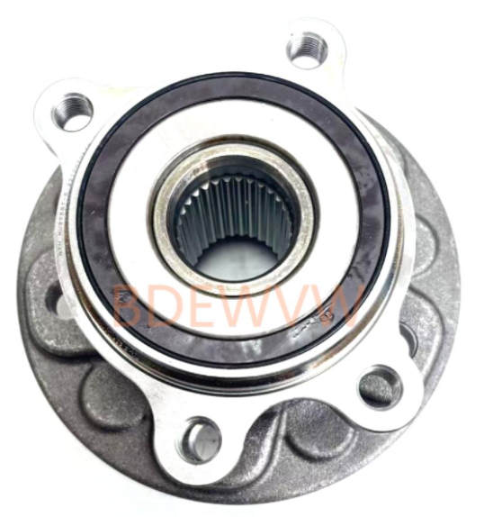
435120R060 | Front brake discs
43430-0R020 | Half shaft L
48069-0R080 | Right lower swing arm
48068-0R080 | Left lower swing arm
43330-09B40 | Lower ball head
4321102440 | Sheep horns
4321202440 | Sheep horns
48510-09H50 | Right front shock absorber
48520-09H40 | Left front shock absorber
48510-09H50 | Right front shock absorber assembly
48520-09H40 | Left front shock absorber assembly
48820-0A020 | Parallel rod ball head left
48530-09H60 | Rear shock absorber assembly L
48530-09H60 | Rear shock absorber assembly R
45130-0R120-C0 | Co-driver airbag
621800R140 | Roof airbag R
621700R140 | Roof airbag L
73210-06470-C1 | Front seat belts
732200R080C0 | Front seat belts R
739200R110 739100R110 | Seat airbag L/R
73990-0R040-C0 | Foot airbag R
739000R090C0 | Foot airbag L
756010R160 | Right front wheel eyebrow
756020R170 | Left front wheel eyebrow
750610R100 | 右后门轮眉Right rear door wheel eyebrow
750620R100 | Left rear door wheel eyebrows
756050R160 | Right rear wheel eyebrow
756060R160 | Left rear wheel eyebrow
75850-0R040 | Under the skirt R
75860-0R040 | Skirt L
75073-0R170 | Front door bumper R
75074-0R170 | Front door bumper L
75077-0R170 | Rear door bumper R
75078-0R170 | Rear door bumper L
527030R901-ZC | Headlight cover L
527020R901 | 大灯盖板RHeadlight cover R
51495 | Under-engine guard
89341-0R100 | Radar sensors
G9160 | Fan assemblies
16041-0Z020 | Water tank radiator + condensation net
51100-0R041 | Unit bracket
53301-0R120 | HOOD
87940-0R430 | The rearview mirror assembly has two cameras
87930-0R430 | The rearview mirror assembly has two cameras
87940-0R430 | Rearview mirror assembly camera
87930-0R430 | Rearview mirror assembly camera
879610R440 | Rearview mirror assembly right
87931-0R440 | Rearview mirror assembly right
521190R945 | Front bumper assembly
521590R370 | Rear bumper assembly
533950R110 | Cover sealing strip
521710R090 | Rear bumper skeleton
533880R080 533890R080 | Cover seals L/R
538820R060 538830R010 | Fender seals L/R
583980R140 | Engine underguard
536610R010 | After the lower guard plate
632010R240 | Roof glass
883700R030 | Air conditioning compressor
867900R260 | Front camera
773B00R010 | Charging port base
G90820R010 | Charging high-voltage cables
773A00R010 | In front of the charging port base
442500R120 | Direction machine
426110R480 | Wheel
426110R490 | Wheel
852220R090 852120R110 | L/RWiper blades L/R
871390R070 | Air-conditioned grid
733600R140C0 733700R140C0 | Rear seat belts left and right "
773C00R010 | Charging port cover
773D0-0R020 | Charging port cover left
81977-00R020 | Rear glass
56101-0R790 | Windshield
768010R190B1 | Back cover trim
53205-0R090 | radiator on the beam
53202-0R080 | Gantry right
53203-0R080 | Gantry left
57104-0R080 | Radiator lower beam
63201-0R240 632010R250 | Canopy glass
53811-0R180 | Fender L
53812-0R150 | Fender R
426110R510 426110R520 | rim
044650R040 | Front brake pads
044660R010 | Rear brake pads
853150R130 | watering can | 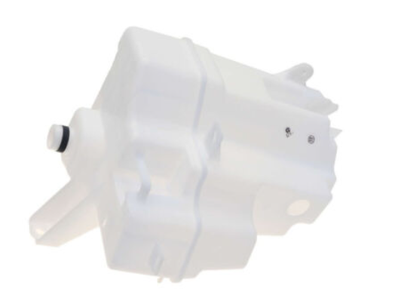
554010R140C0 | Instrument panel
520210R170 | Front bumper frame
571070R040 | Front bumper frame bracket L large | 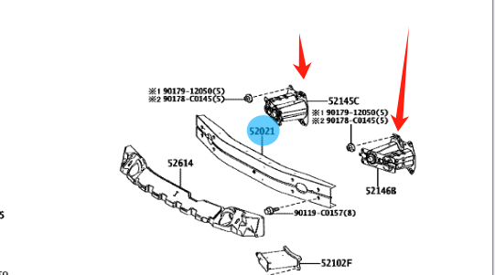
571080R040 | Front bumper frame bracket R large
521020R100 | Front bumper frame bracket small L
521030R100 | Front bumper frame bracket small R | 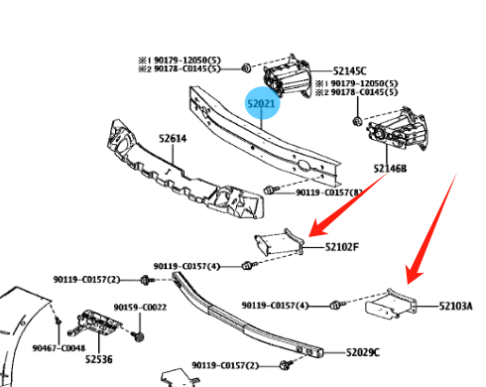
773B00R010 | Charging port assembly L
773A00R010 | Charging port assembly R
86570-0R070 | speaker | 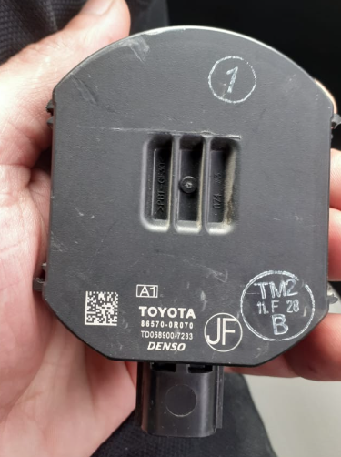
 | BZ3
5211903909 | Front bumper
5211903909 | Front bumper assembly
5311203010 | Front bumper lower skirt
5330103020 | Hood
5381103020 | Fender L
5381203020 | Fender R
6440103040 | Back cover
8115003020 | Headlight Low
8111003030 | High-end headlights
5213103020 | Large front bumper frame
5213203020 | Small front bumper frame
5328903010 | On the gantry
5320303020 | Gantry left
5320203020 | Gantry right
G901003010 | Water tank radiator
884A003010 | Condenser
G916003010 | Electronic fan
5253503010 5253603010 | Front bumper buckle L/R
5318103900 | China Net
90975C2031 | China Net Standard
8121A03010 | Front bumper fake light strip | 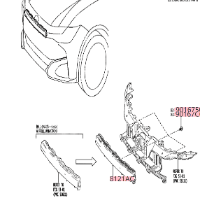
 | Front bumper real light strip
5351003020 | Hood lock
5342003010 5342003020 | Hood hinge L/R
5363003020 | Hood pull wire
8791003040 | Rearview mirror L/R high
8791003040 8794003050 | Rearview mirror L/R center
 | Rearview mirror L/R low
5215903030 | Rear bumper
 | Rear bumper light L/R
5215503010 5215603010 | Rear bumper buckle L/R
5216103901 5216203901 | Rear bumper corner L/R
5212803901 5212703901 | Front trailer cover
5210703020 | Rear trailer cover
6700103081 6700203030 | Door front L/R
6700303030 6700403030 | Door rear L/R
7321003010C0 7321003010C1 | Seat belt front
 | Main steam generation
7396003010 | Auxiliary steam
5540003010C0 | Instrument panel
8790702190 | Rearview mirror glass L
8790207130 | Rearview mirror glass R

