Qin Plus DMI
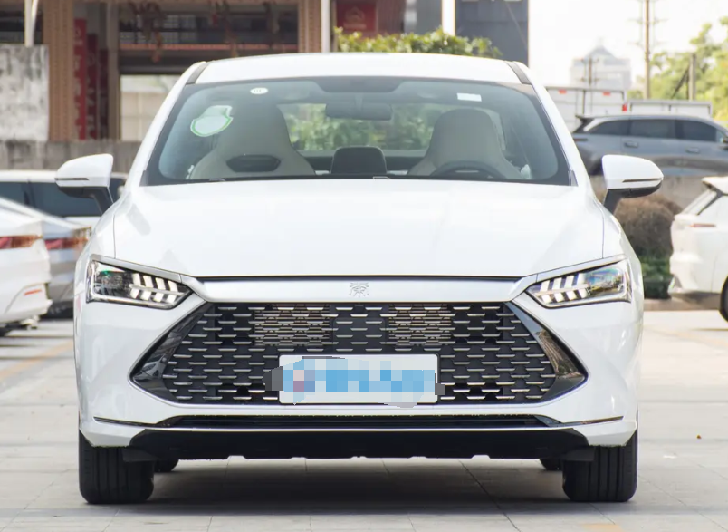 | 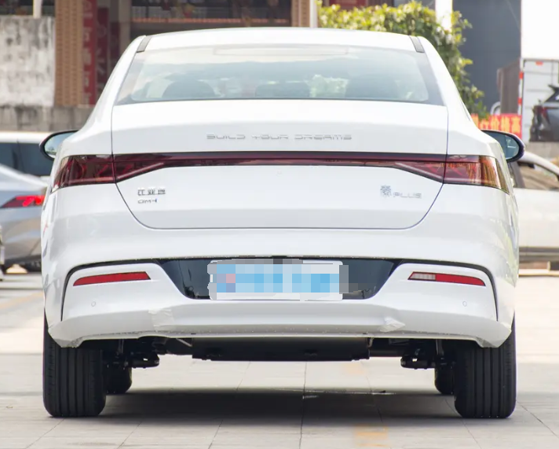
No. | OE NO. | English name | Picture | Car model
1 | T472-1001500H | Front left motor mount | 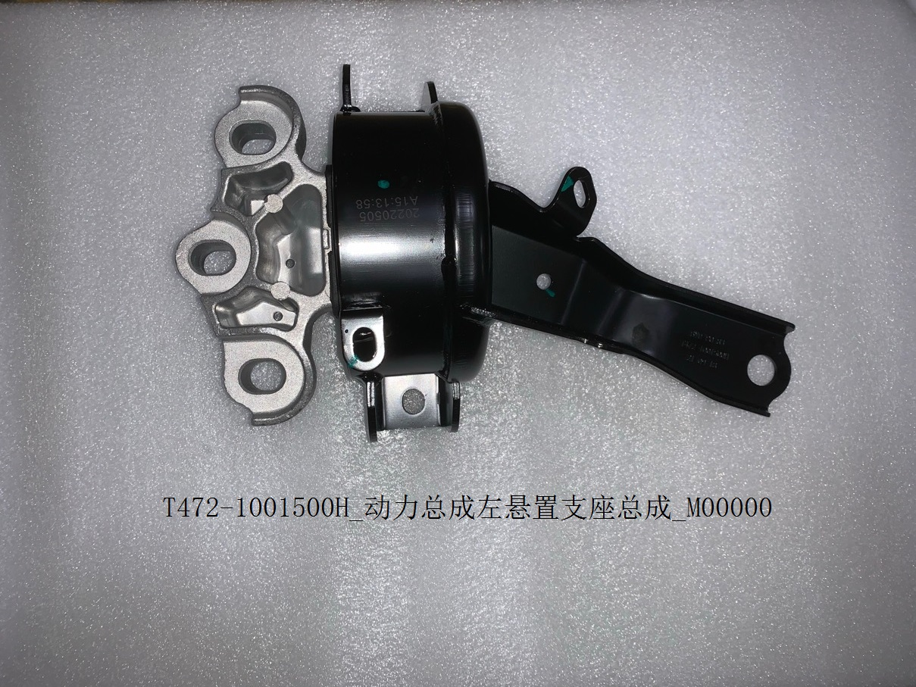 | QIN PLUS DM-i
2 | T472-1001700H | Front right motor mount | 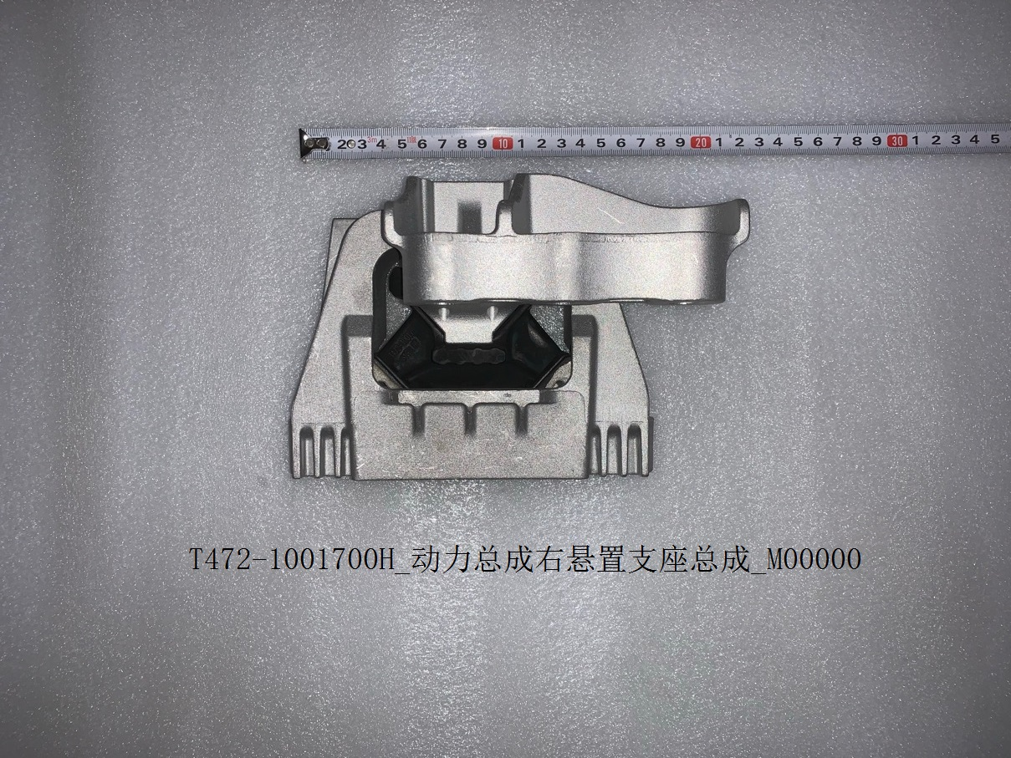 | QIN PLUS DM-i
3 | T472-1001300H | Front motor mount rear | 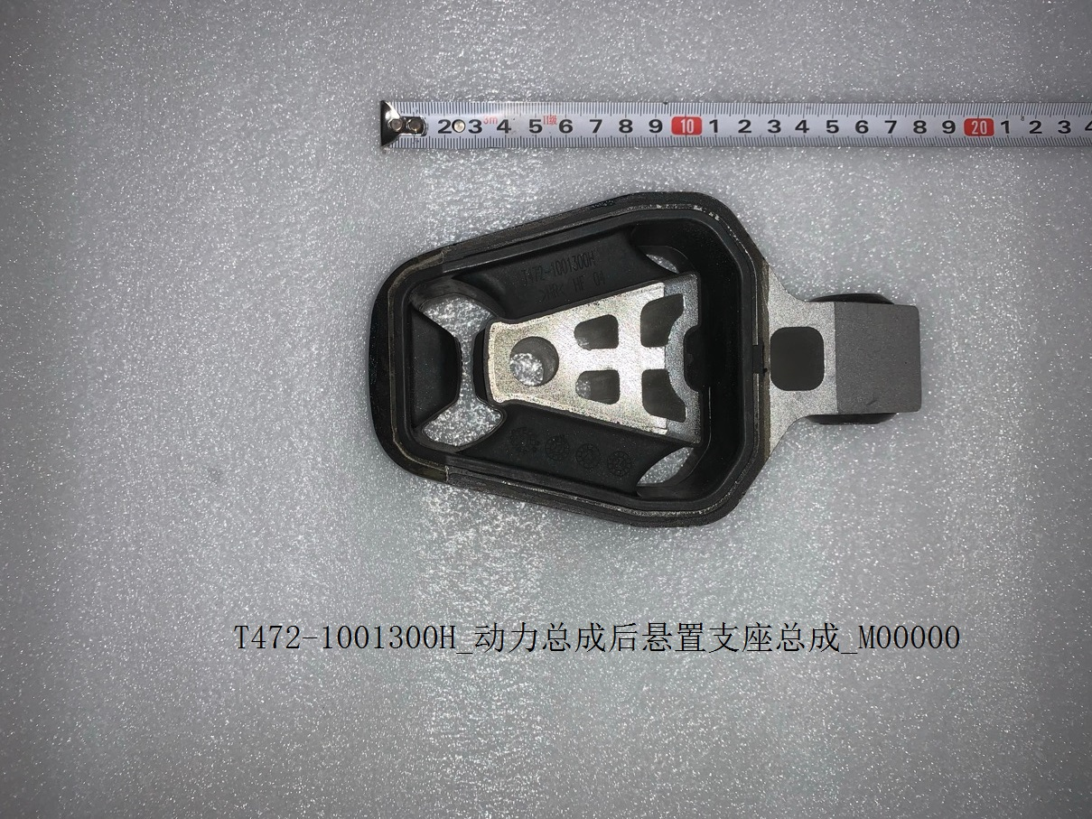 | QIN PLUS DM-i
4 | 472QA-1013100 | Engine oil cooler | 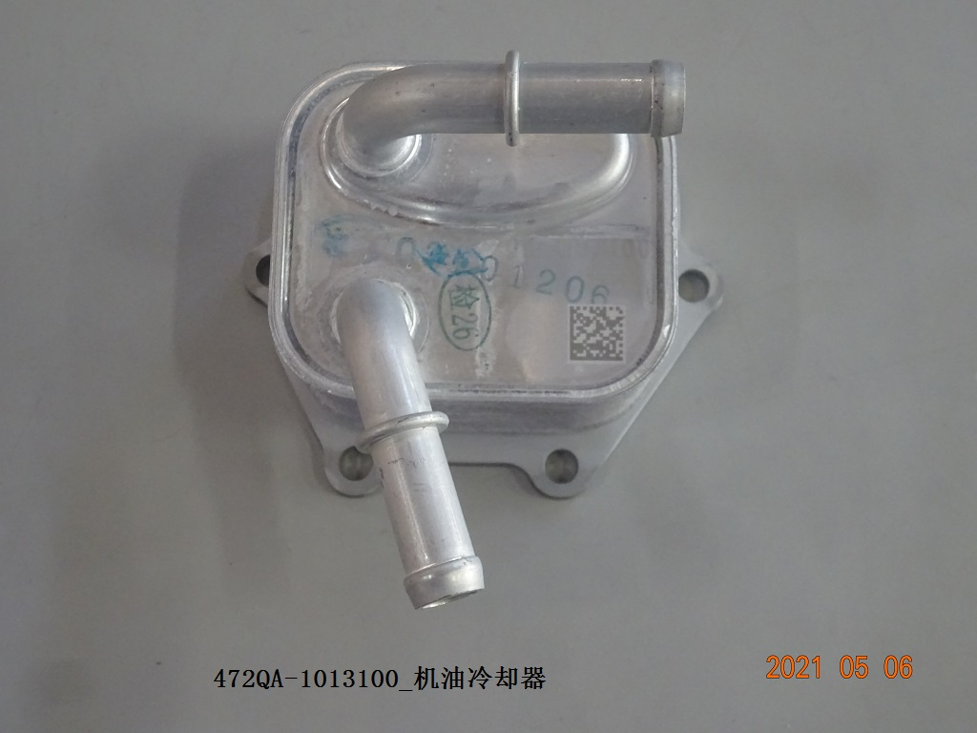 | QIN PLUS DM-i
5 | 473QA-1017010/97 | Oil filter | 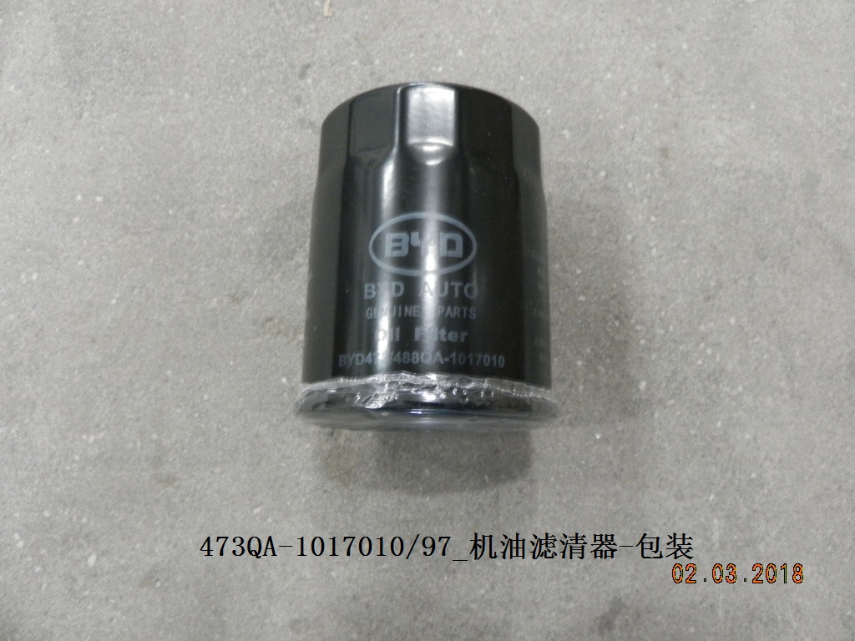 | QIN PLUS DM-i
6 | 472QA-1011100 | Oil pump | 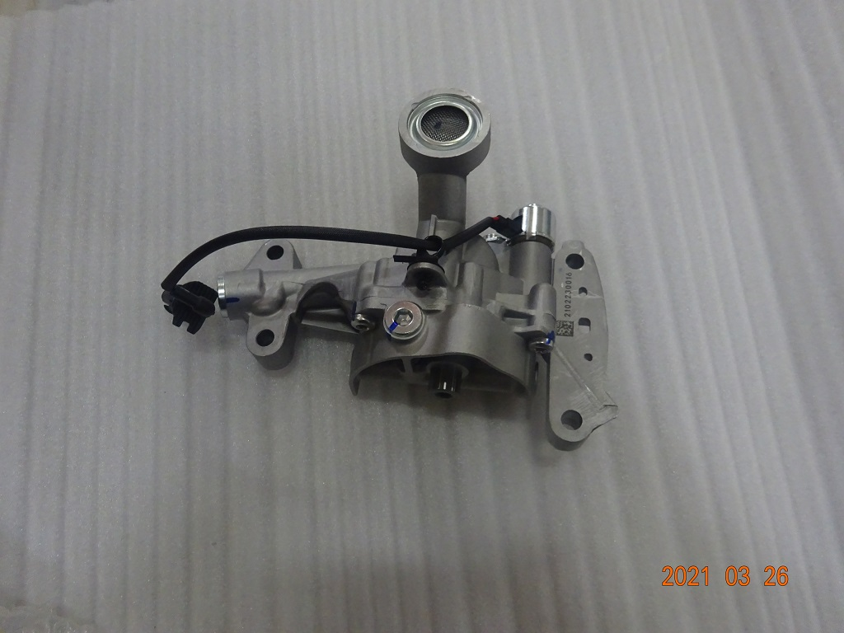 | QIN PLUS DM-i
7 | 472QA-3705100 | Ignition coil | 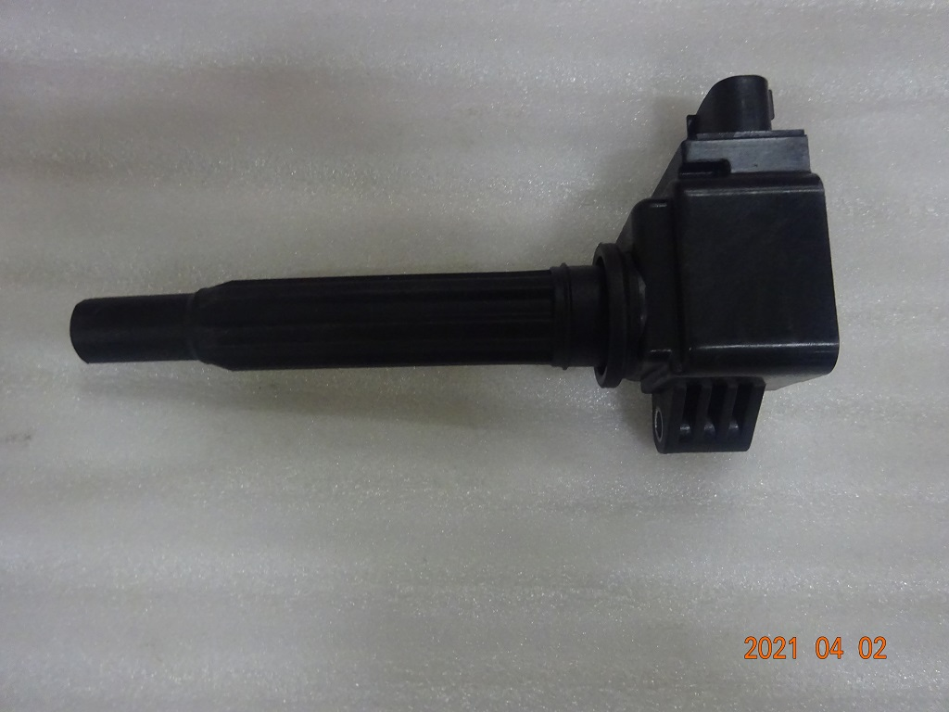 | QIN PLUS DM-i
8 | 472QA-3707100A | Spark plug |  | QIN PLUS DM-i
9 | 472QA-1121020 | Fuel injector assy | 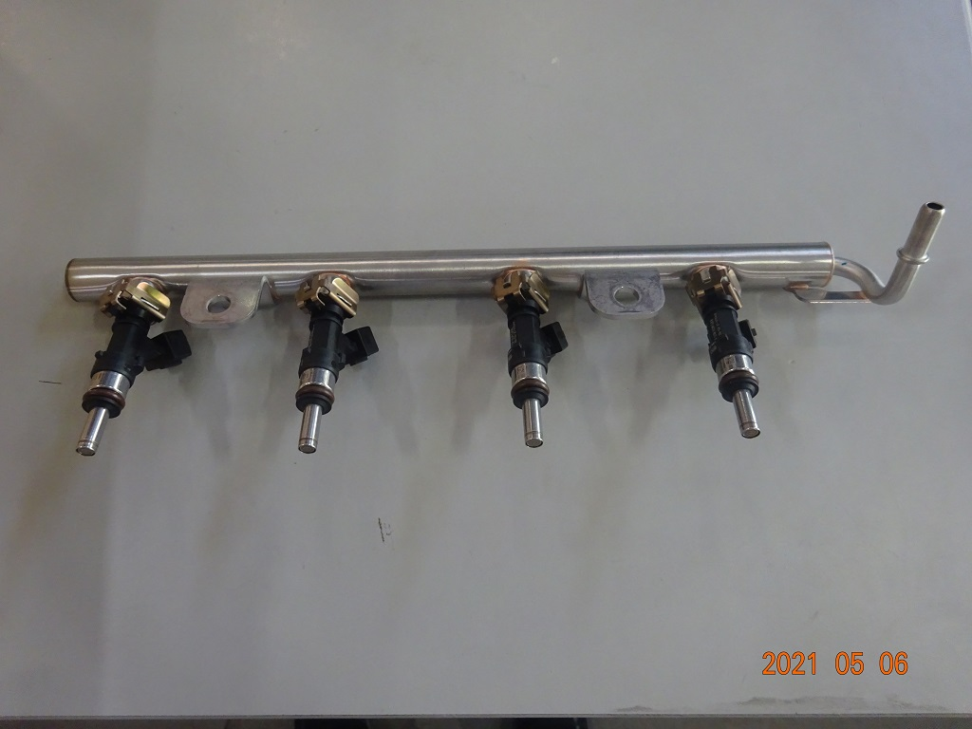 | QIN PLUS DM-i
10 | T472-1109210 | Air filter | 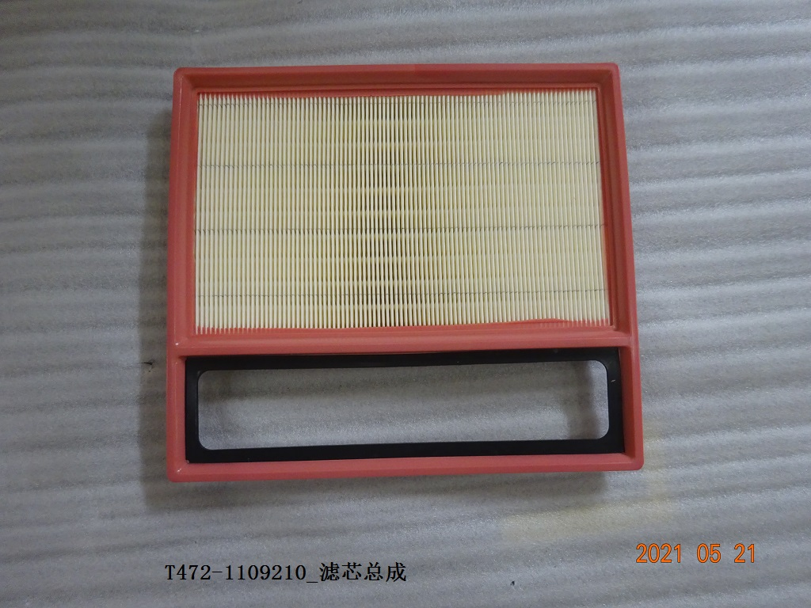 | QIN PLUS DM-i
11 | HCHY-1106010 | Fuel pump assembly | 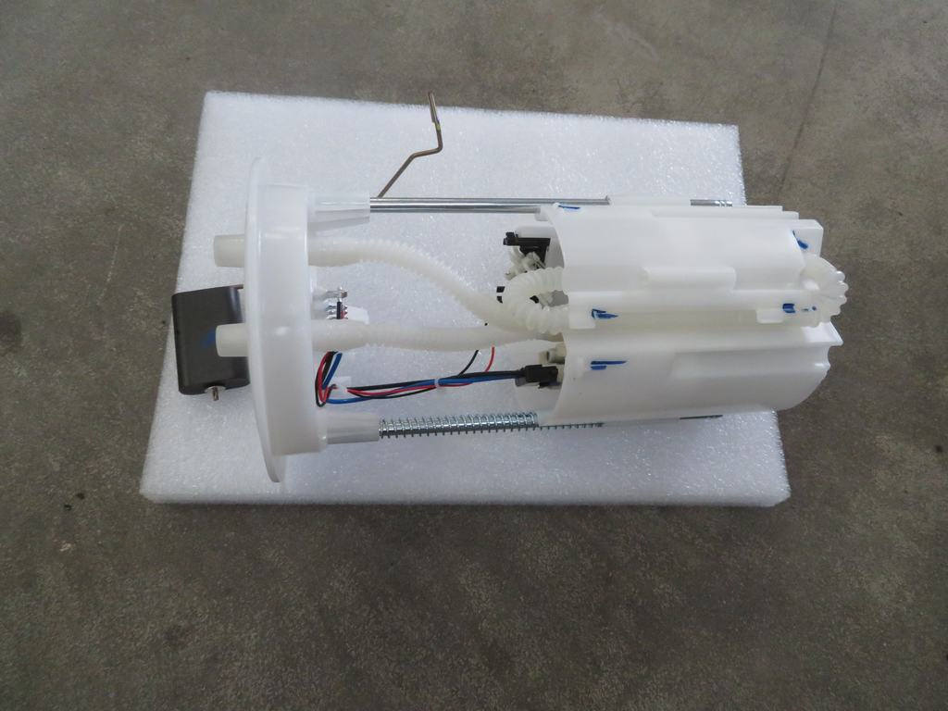 | QIN PLUS DM-i
12 | 5A-1117100 | Fuel filter | 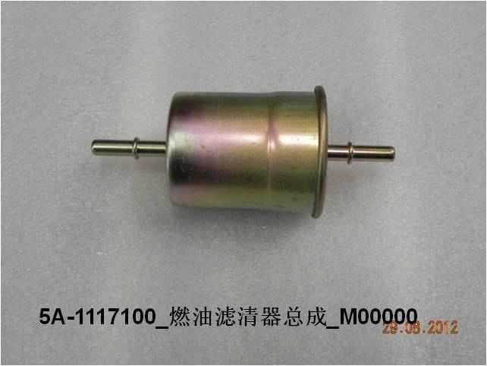 | QIN PLUS DM-i
13 | SA3HE-1310010 | Oil cooler | 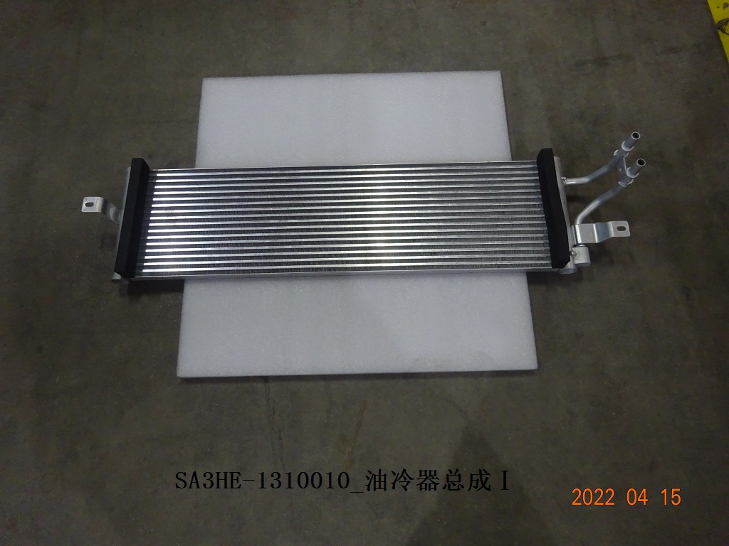 | QIN PLUS DM-i
14 | HA2HE-1301050 | Electric control radiator | 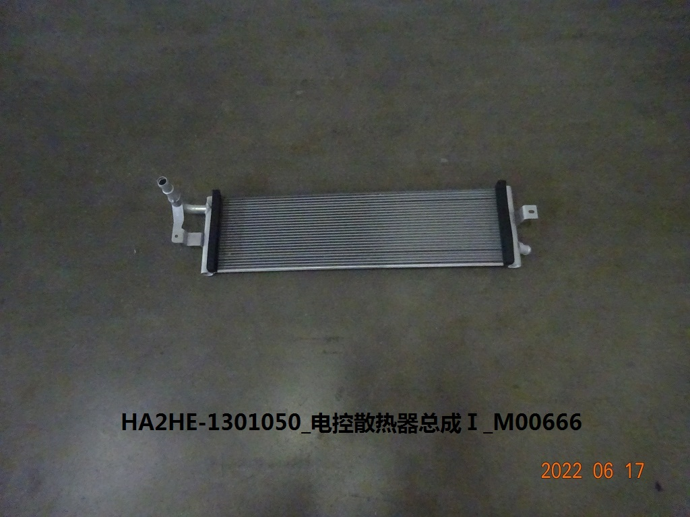 | QIN PLUS DM-i
15 | SA3HE-1309010 | Electric water pump | 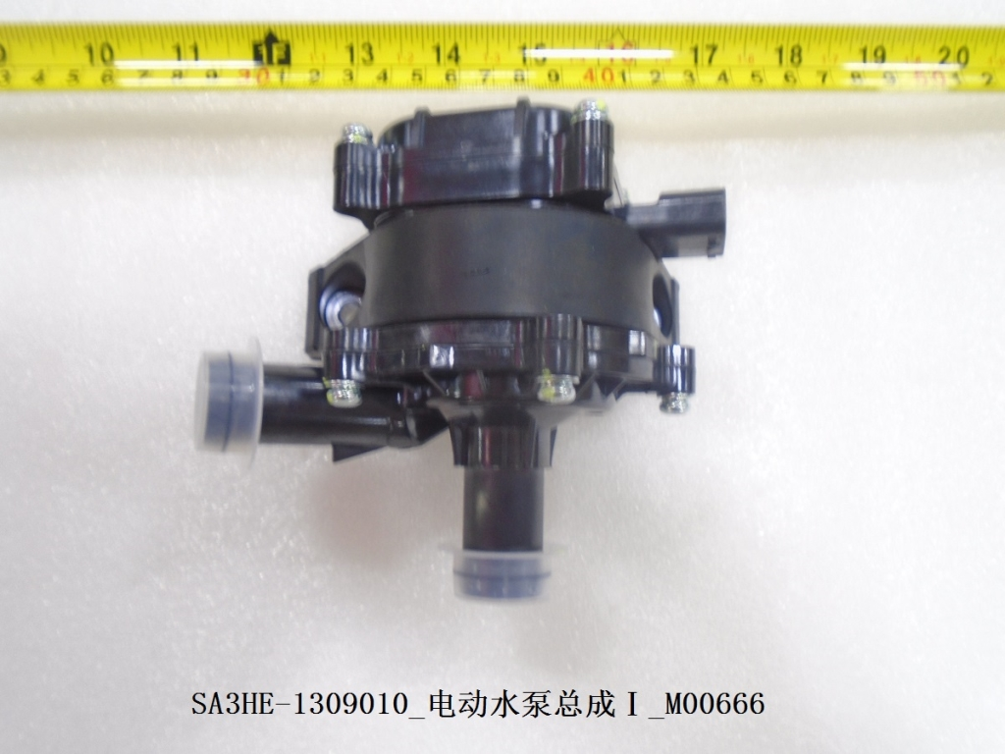 | QIN PLUS DM-i
16 | SA3HE-1311010 | Coolant tankⅠ | 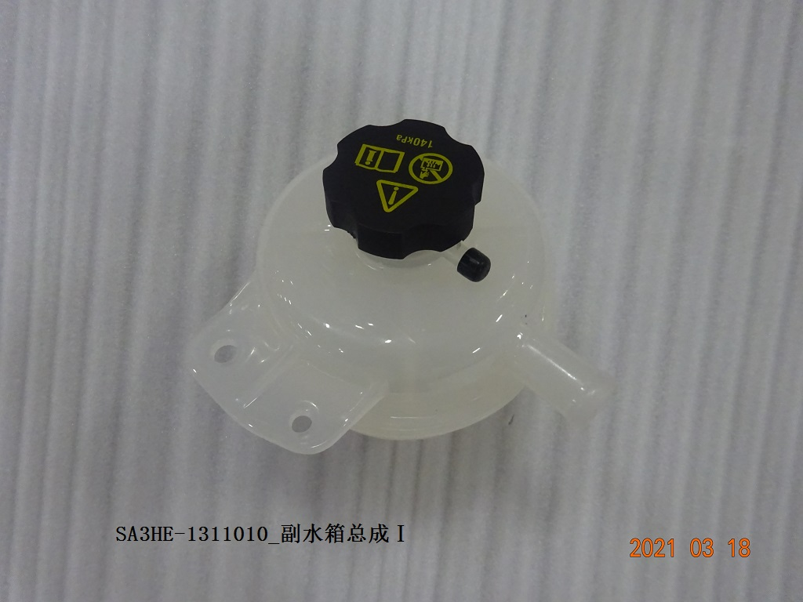 | QIN PLUS DM-i
17 | SA3HE-1311020 | Coolant tankⅡ | 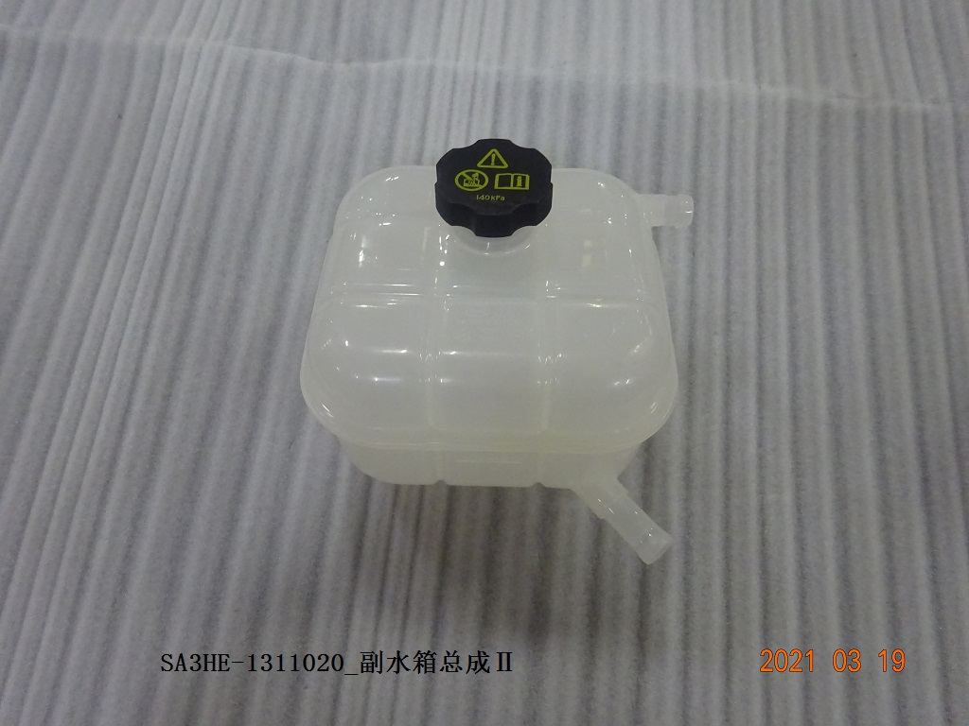 | QIN PLUS DM-i
18 | HA2HE-1301010 | Radiator | 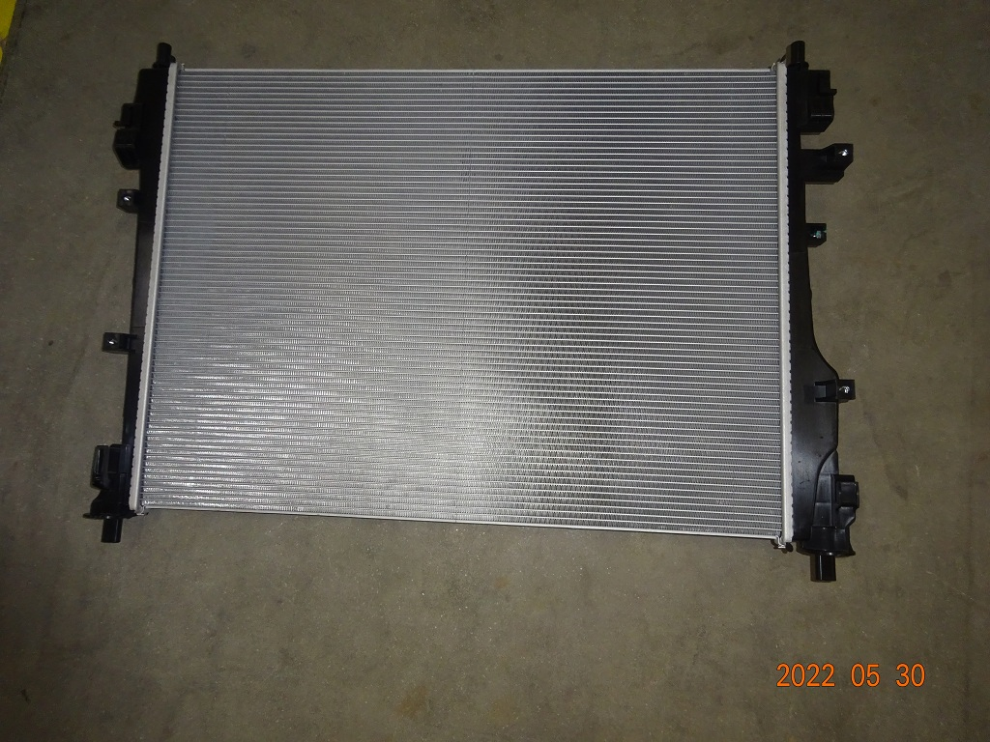 | QIN PLUS DM-i
19 | SA3HE-1307100 | Water pump | 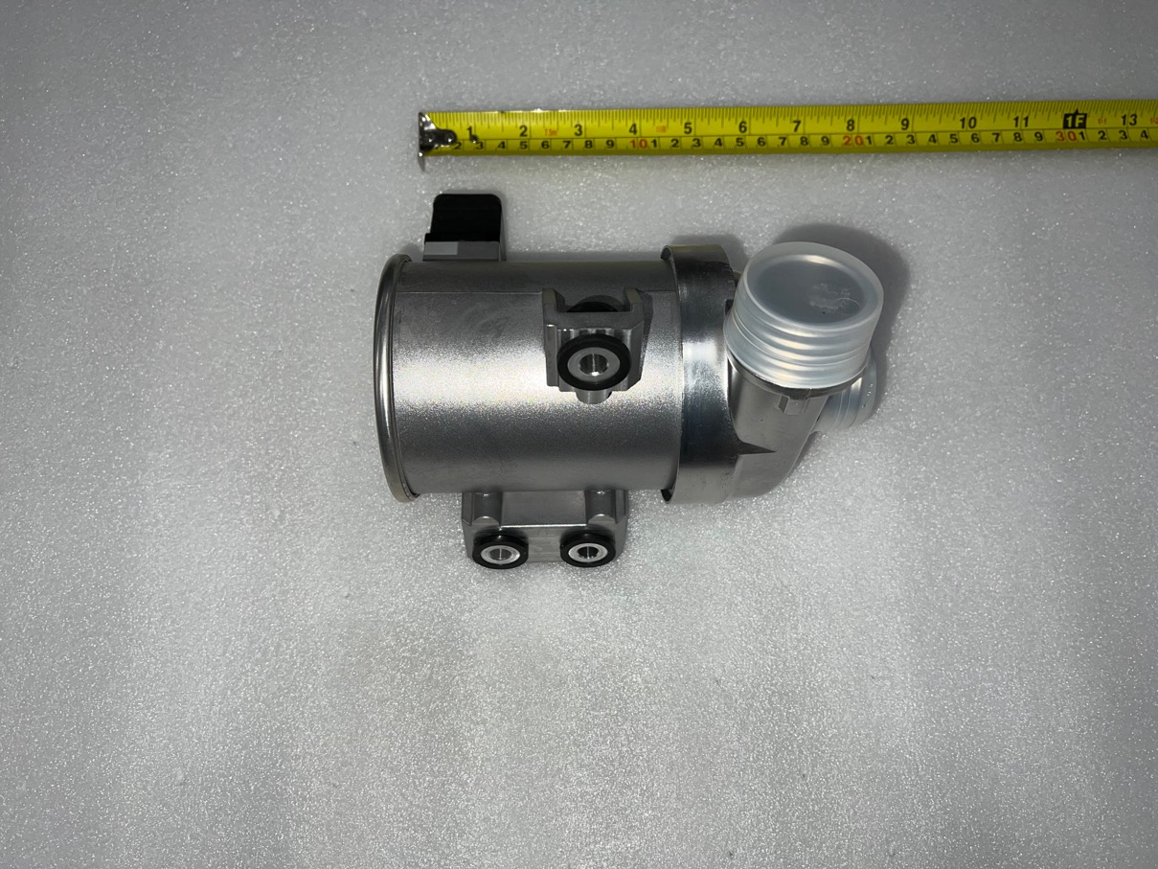 | QIN PLUS DM-i
20 | SA3HA-1308010 | Electric fan | 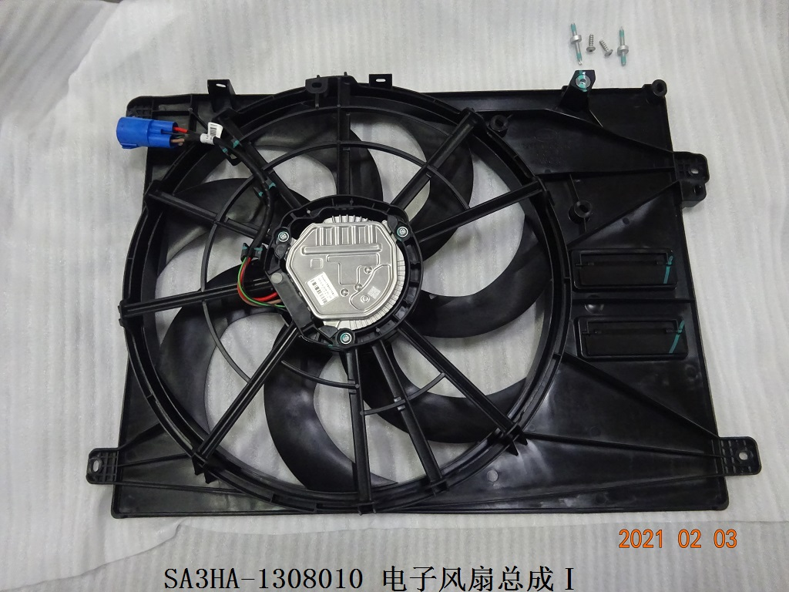 | QIN PLUS DM-i
21 | 476ZQA-3611100 | Coolant temperature sensor | 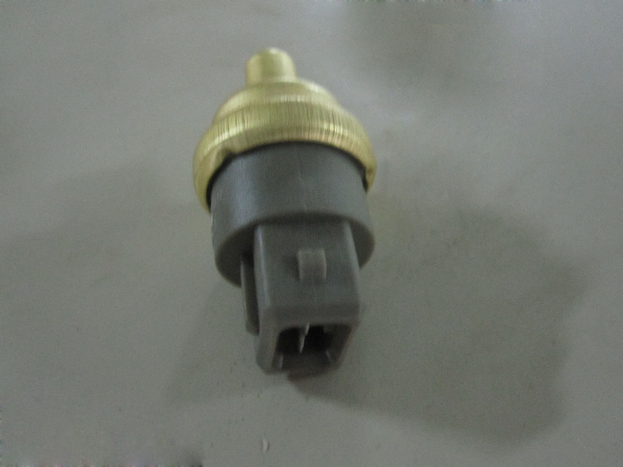 | QIN PLUS DM-i
22 | HA2HE-2203010 | Front half shaft L | 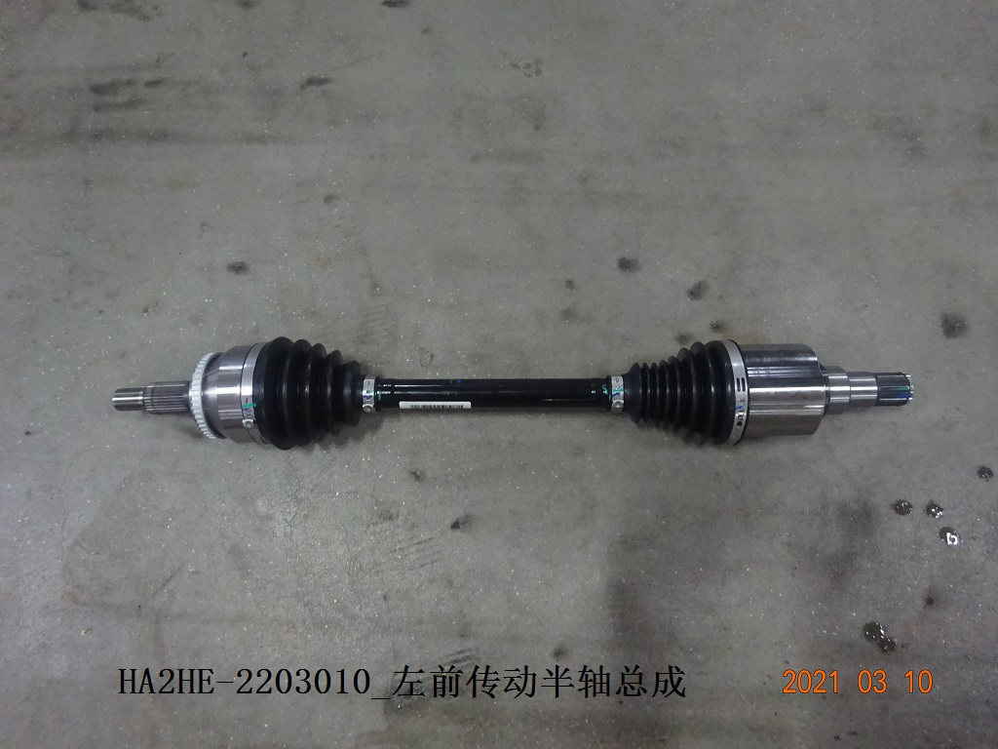 | QIN PLUS DM-i
23 | HA2HE-2203020 | Front half shaft R | 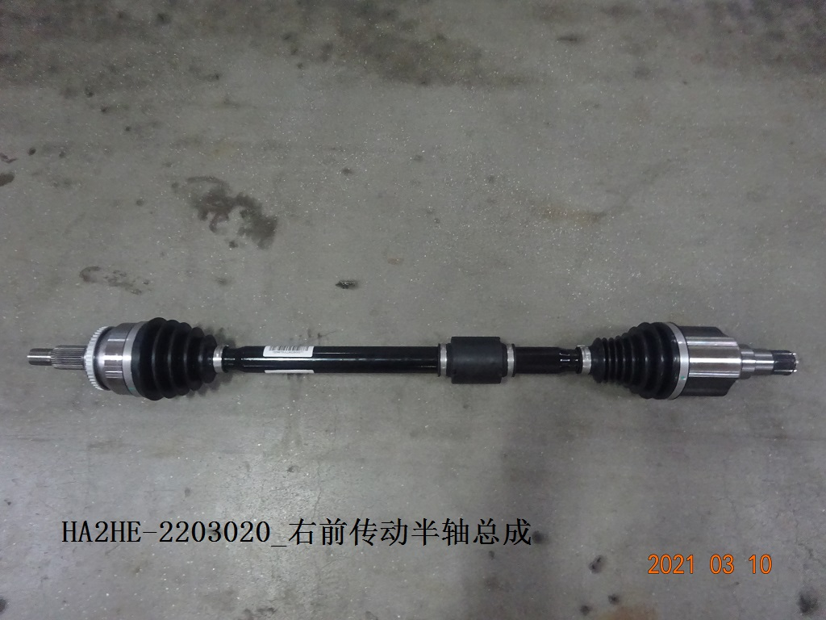 | QIN PLUS DM-i
24 | SEH-2906100B | Front stabilizer link | 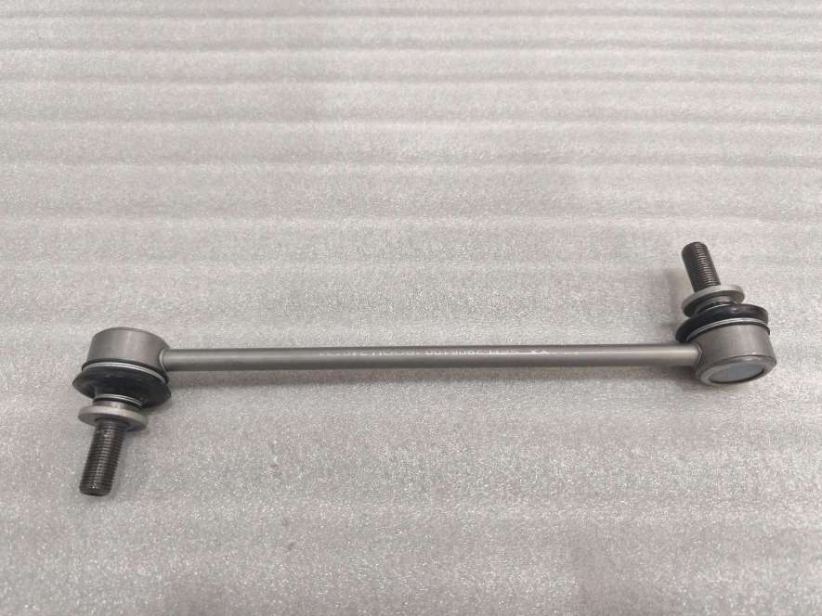 | QIN PLUS DM-i
25 | SEH-2906100 | Front stabilizer link | 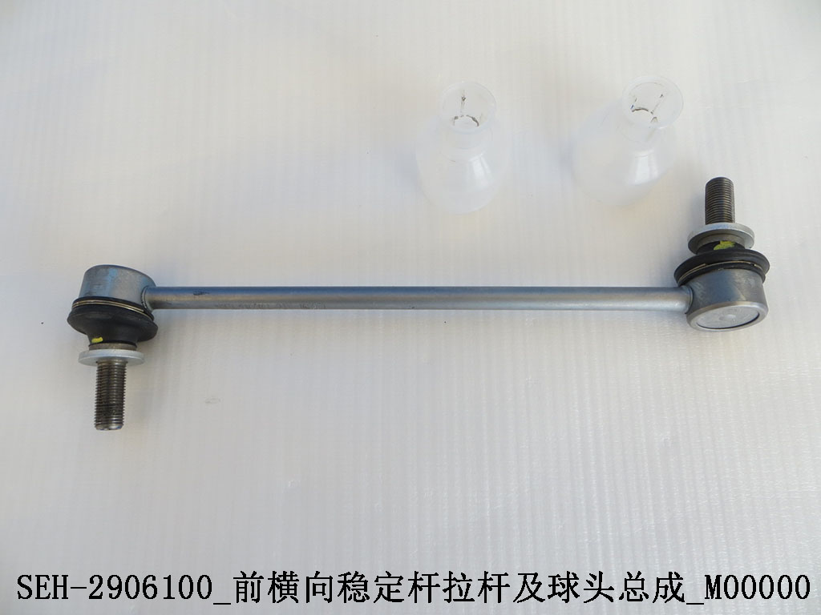 | QIN PLUS DM-i
26 | HA2HE-2906010 | Front stabilizer bar | 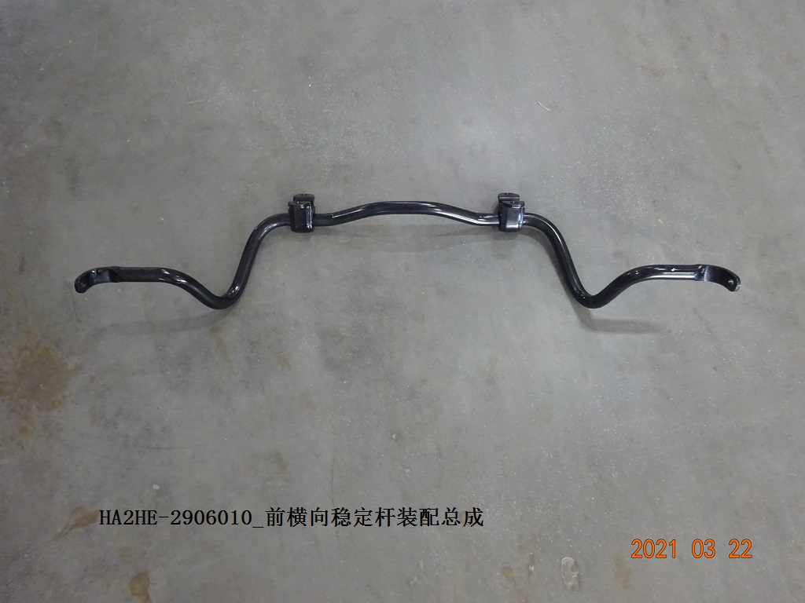 | QIN PLUS DM-i
27 | HAD-2905700 | Front shock absorber upper support | 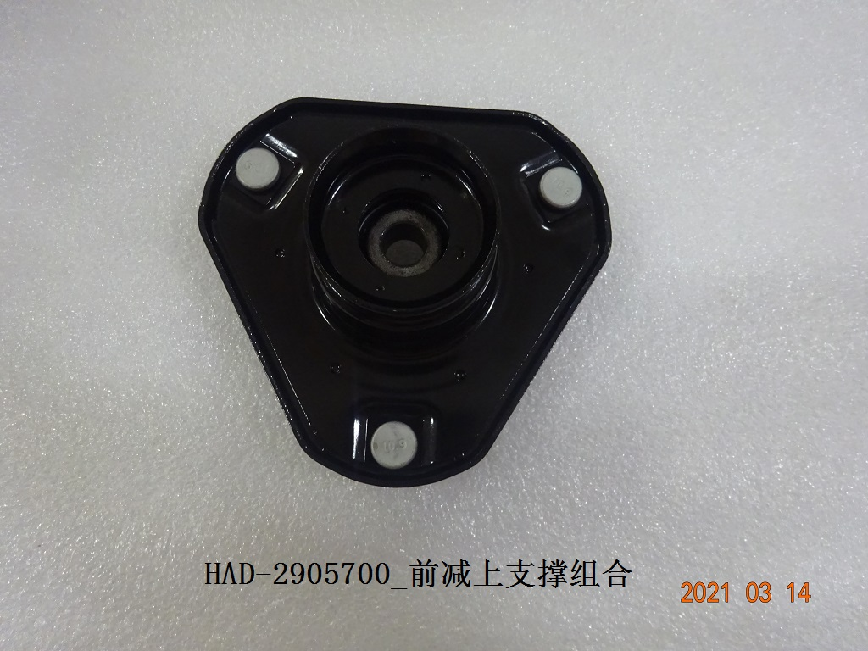 | QIN PLUS DM-i
28 | HAD-2905411 | Front shock absorber rubber | 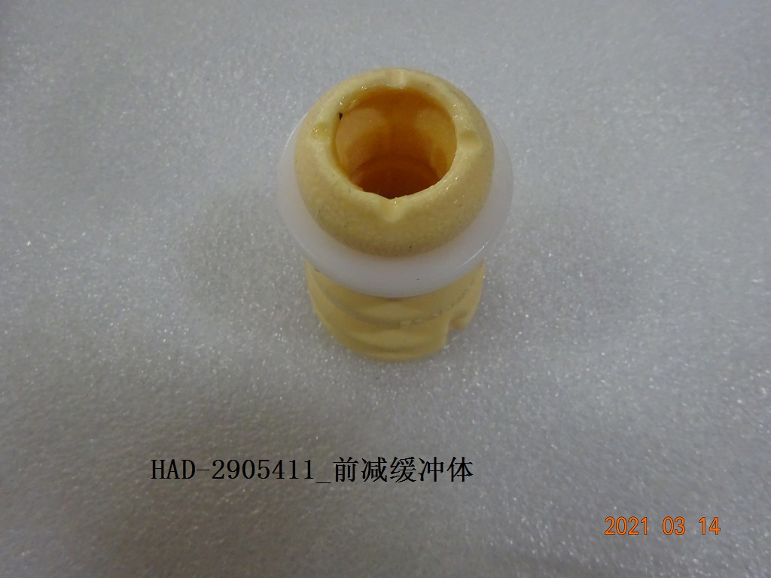 | QIN PLUS DM-i
29 | HADF-2905421 | Front shock absorber dust cover | 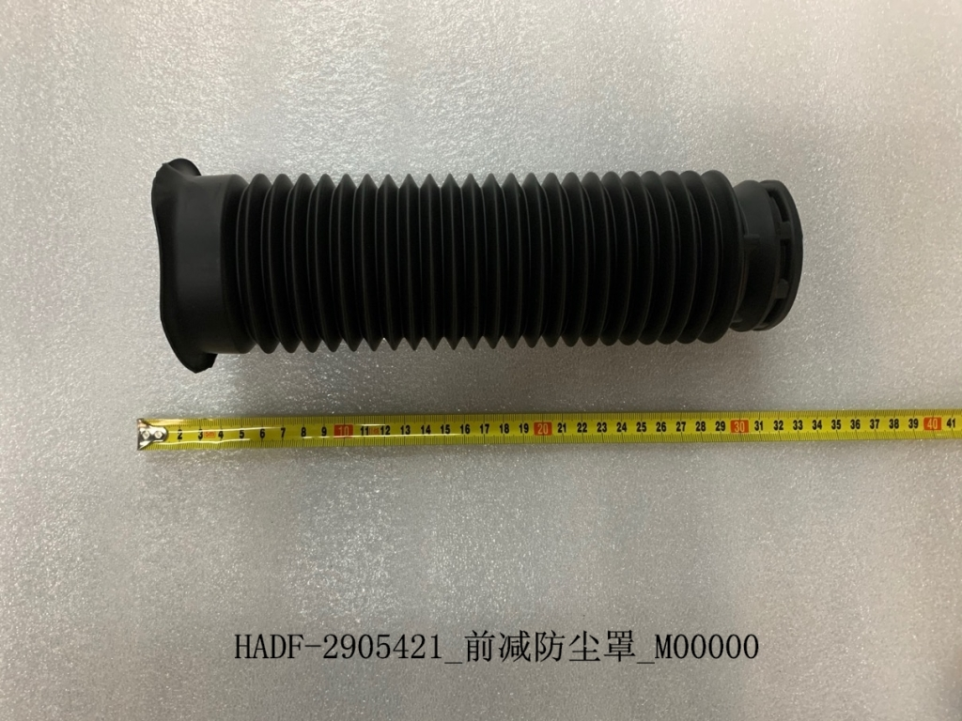 | QIN PLUS DM-i
30 | HAD-2905200 | Front shock absorber R | 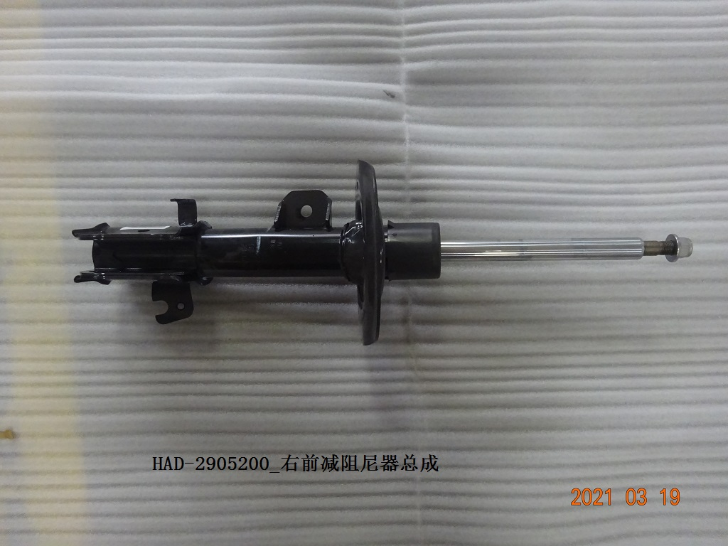 | QIN PLUS DM-i
31 | HAD-2905100 | Front shock absorber L | 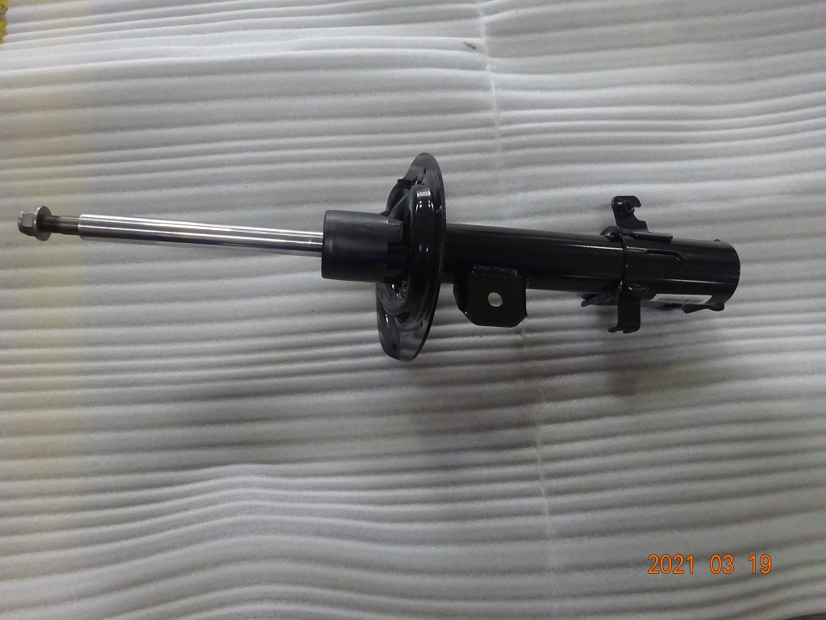 | QIN PLUS DM-i
32 | HAD-2915800 | Rear shock absorber | 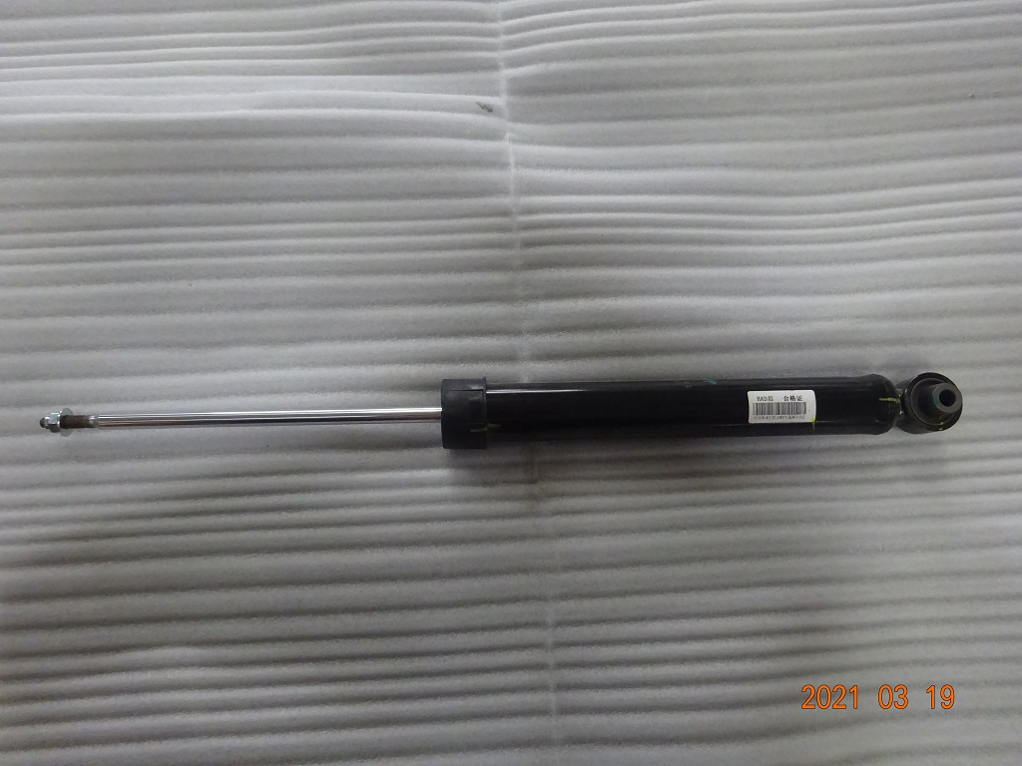 | QIN PLUS DM-i
33 | HADF-2915600 | Rear shock absorber upper support | 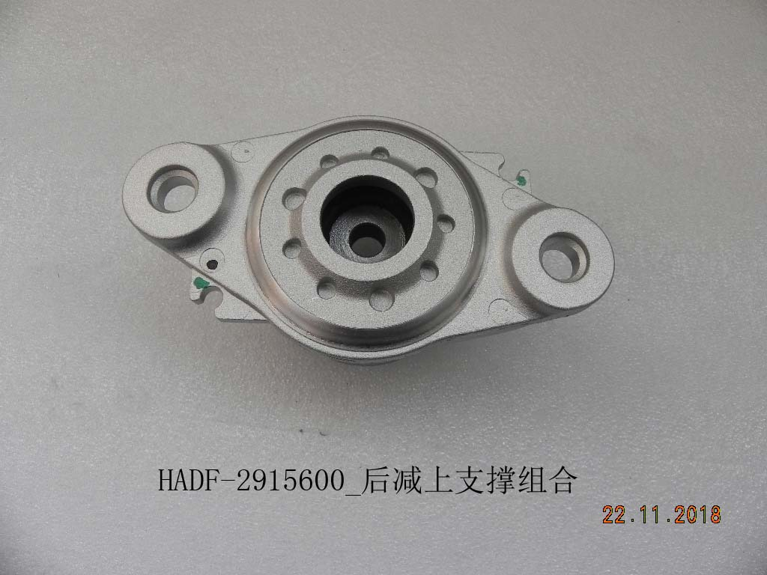 | QIN PLUS DM-i
34 | HAD-2915411 | Rear shock absorber rubber | 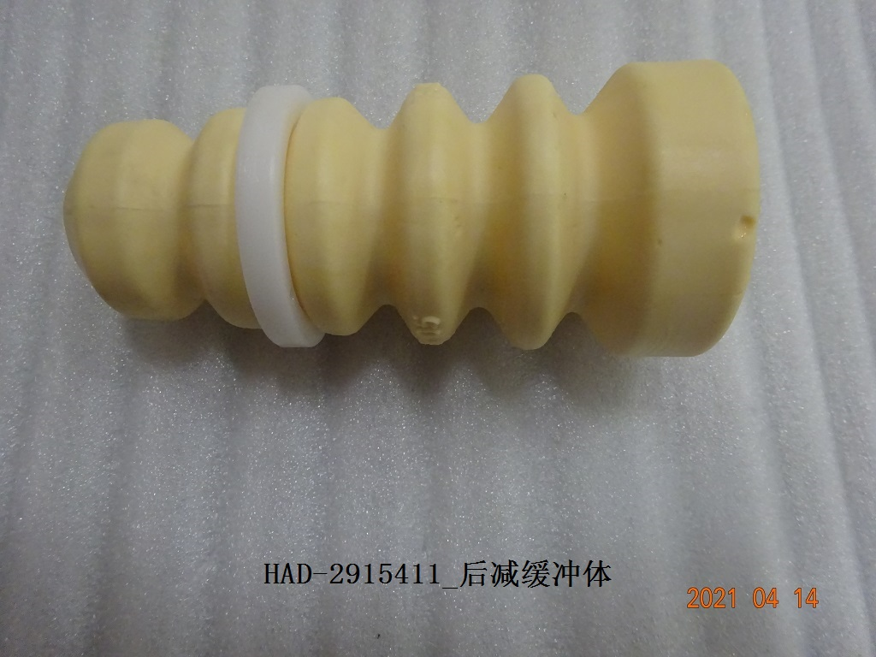 | QIN PLUS DM-i
35 | HADF-2915500 | Rear shock absorber dust cover | 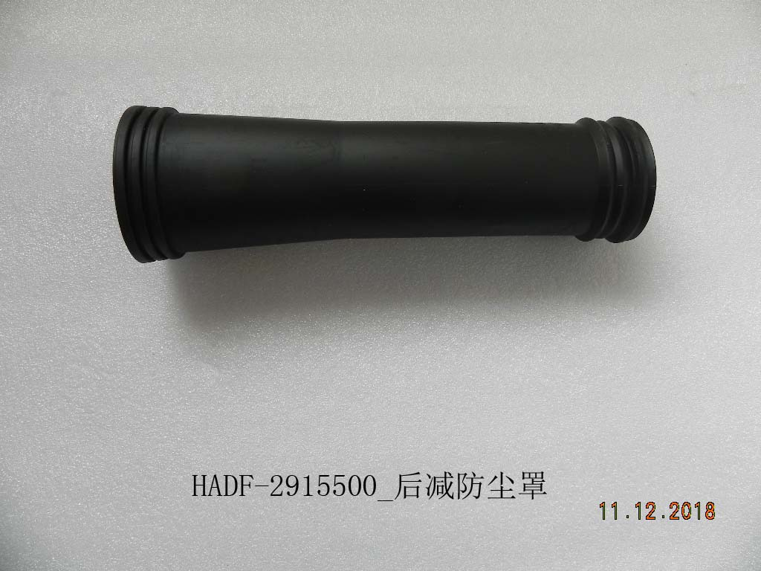 | QIN PLUS DM-i
36 | DAEA-2810010E | Front sub-frame | 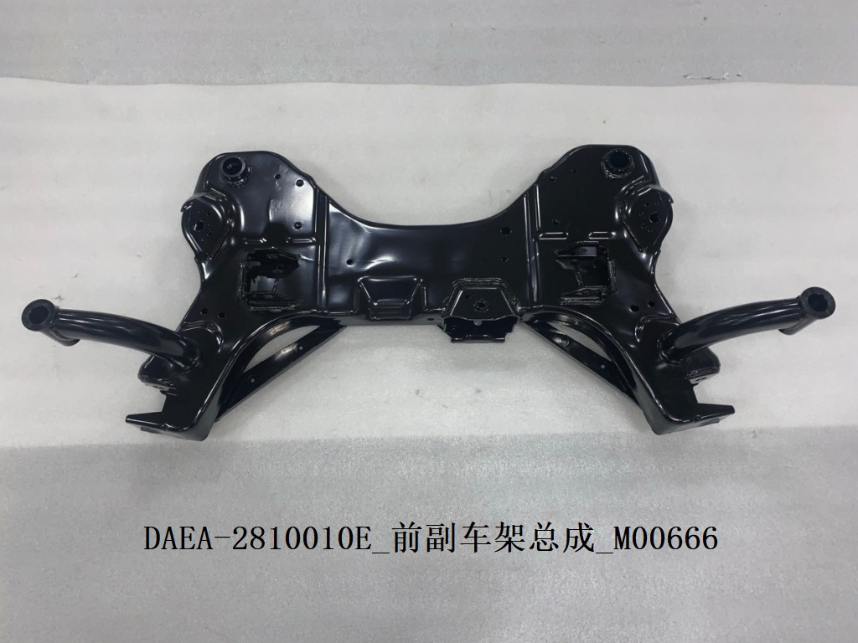 | QIN PLUS DM-i
37 | DAEA-2904010 | Front low control arm L | 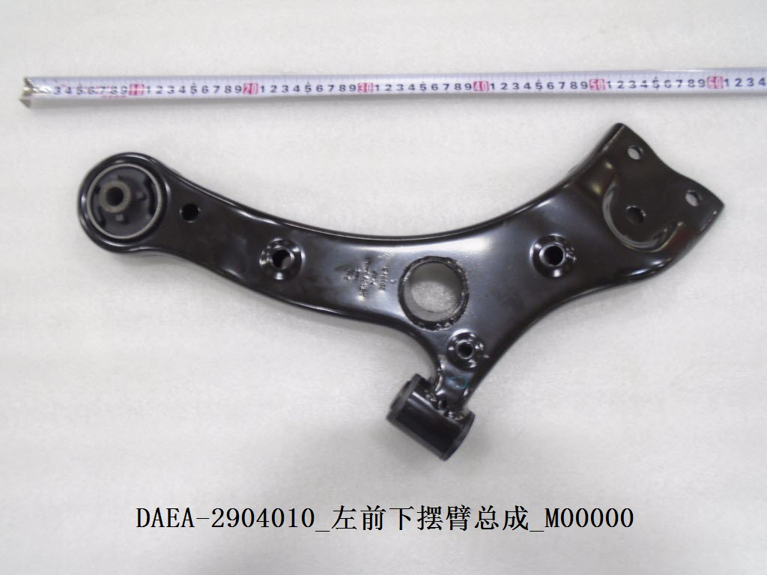 | QIN PLUS DM-i
38 | DAEA-2904020 | Front low control arm R | 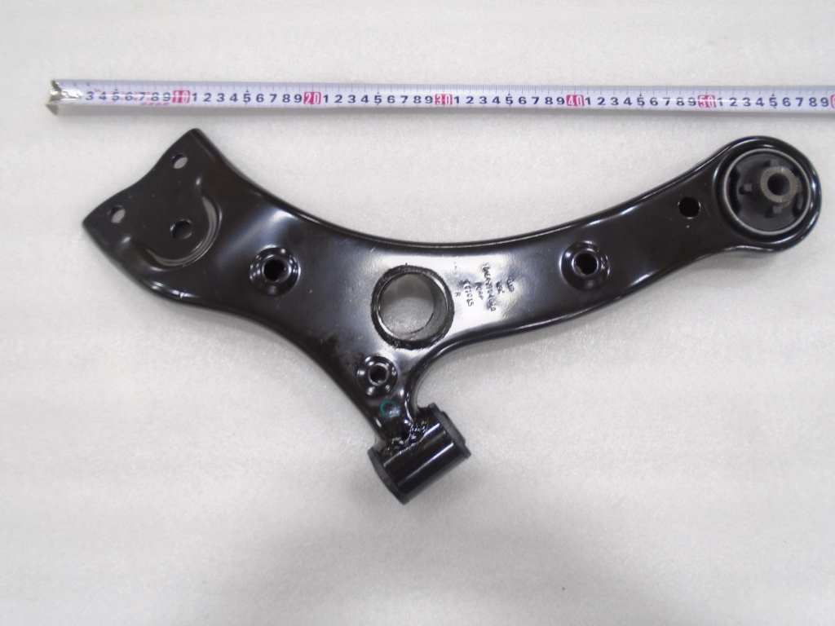 | QIN PLUS DM-i
39 | ST-2904300A | Front ball joint L | 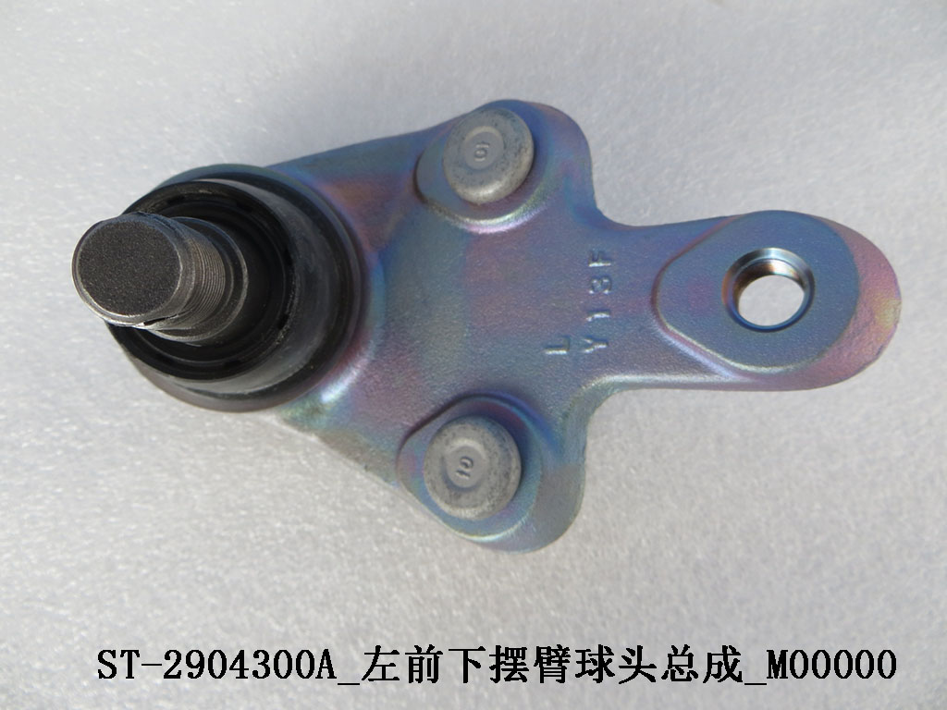 | QIN PLUS DM-i
40 | ST-2904400A | Front ball joint R | 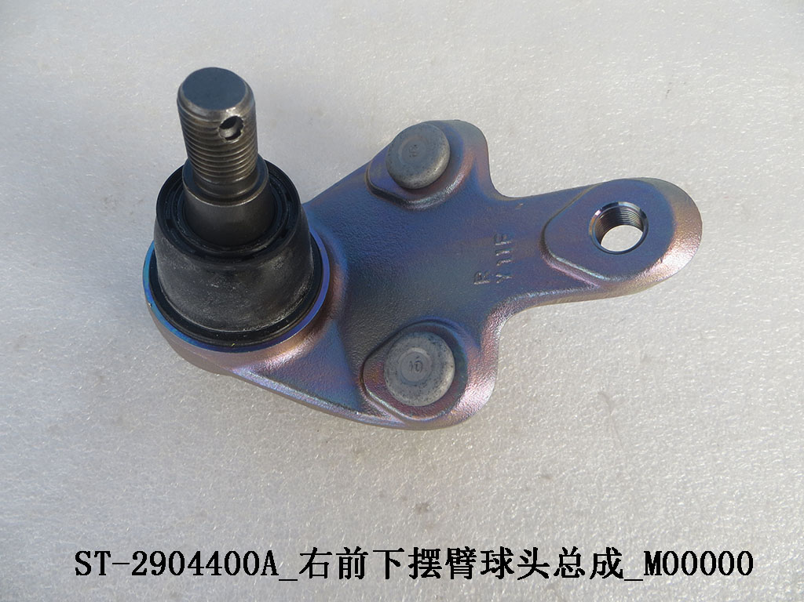 | QIN PLUS DM-i
41 | HAD-2810040 | Rear sub-frame | 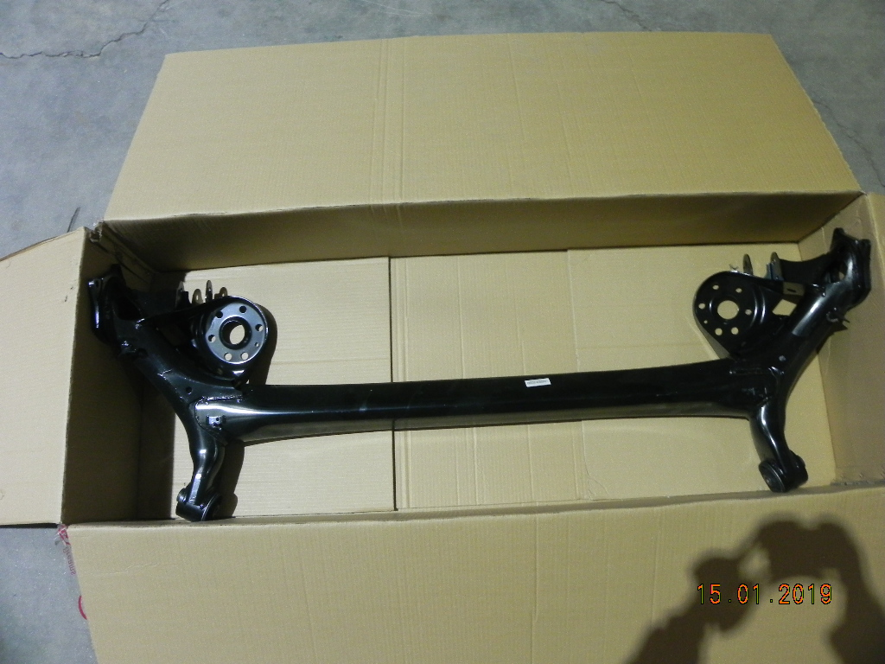 | QIN PLUS DM-i
42 | HAD-3401010 | Steering rack assembled | 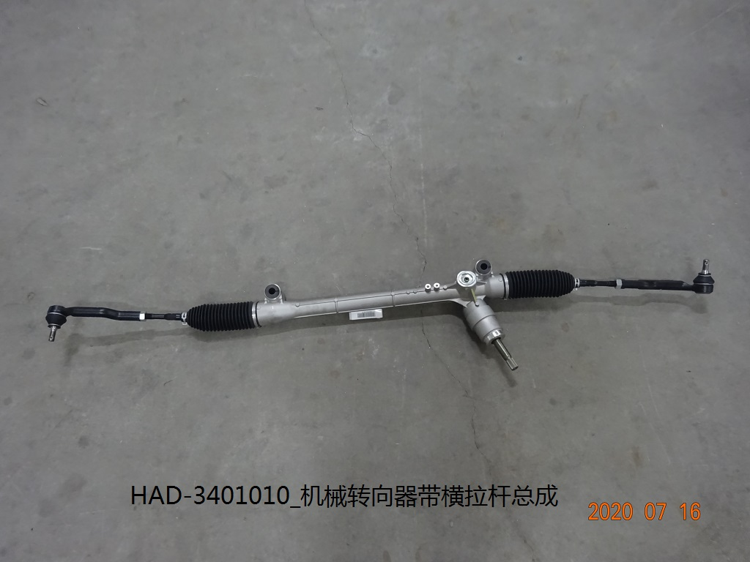 | QIN PLUS DM-i
43 | HAD-3412020 | Steering rack dust cover | 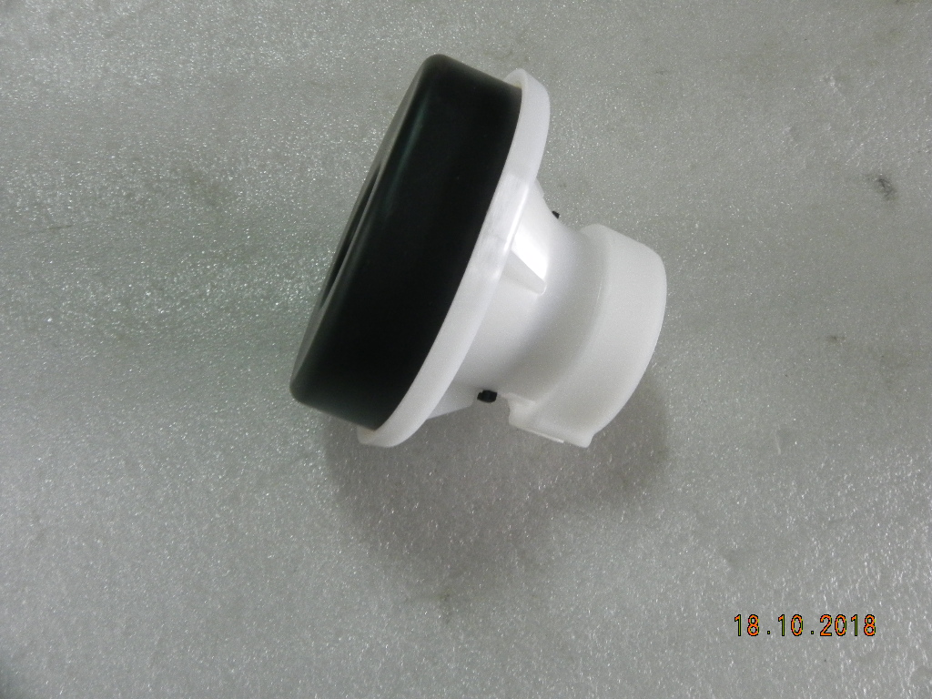 | QIN PLUS DM-i
44 | HDEG-3501120 | Front left brake caliper sub assy | 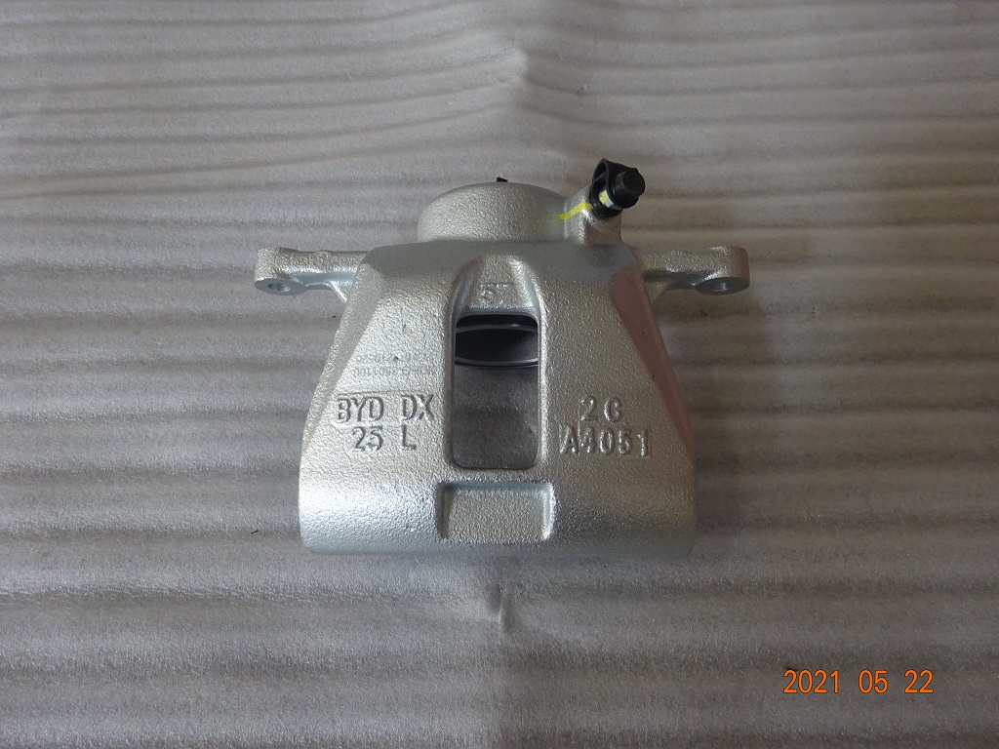 | QIN PLUS DM-i
45 | HDEG-3501220 | Front right brake caliper sub assy | 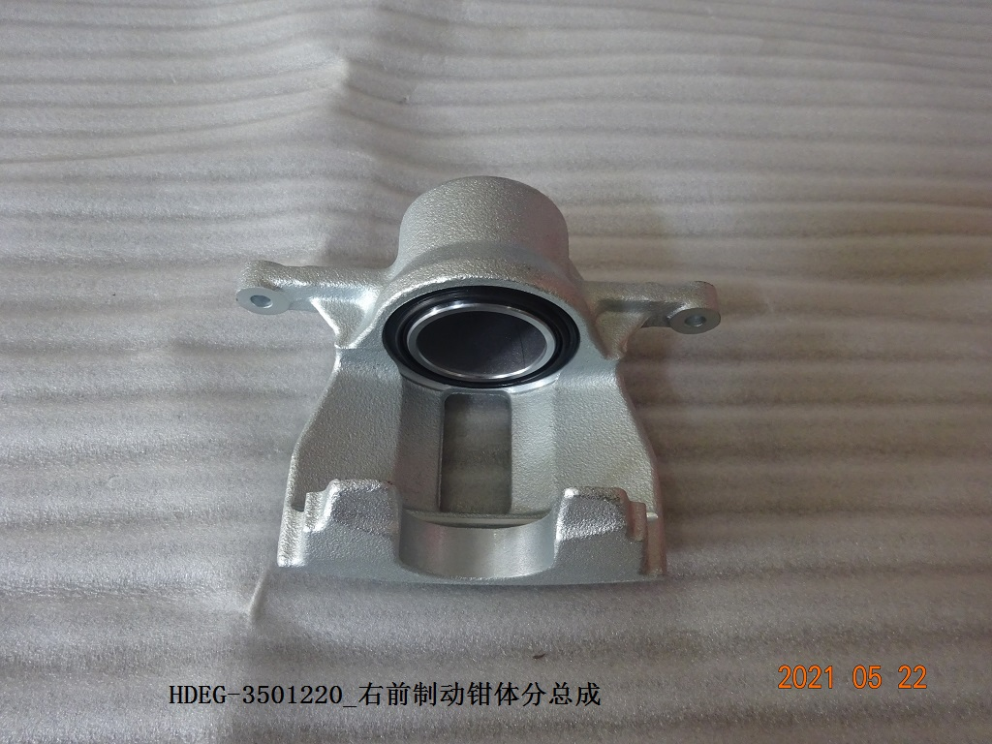 | QIN PLUS DM-i
46 | HDEG-3501620 | Front right brake caliper bracket | 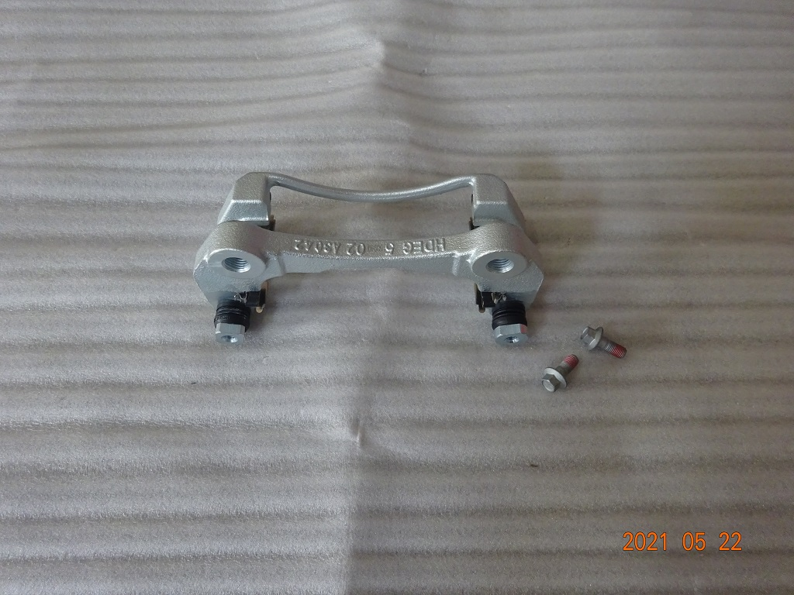 | QIN PLUS DM-i
47 | HDEG-3501610 | Front left brake caliper bracket | 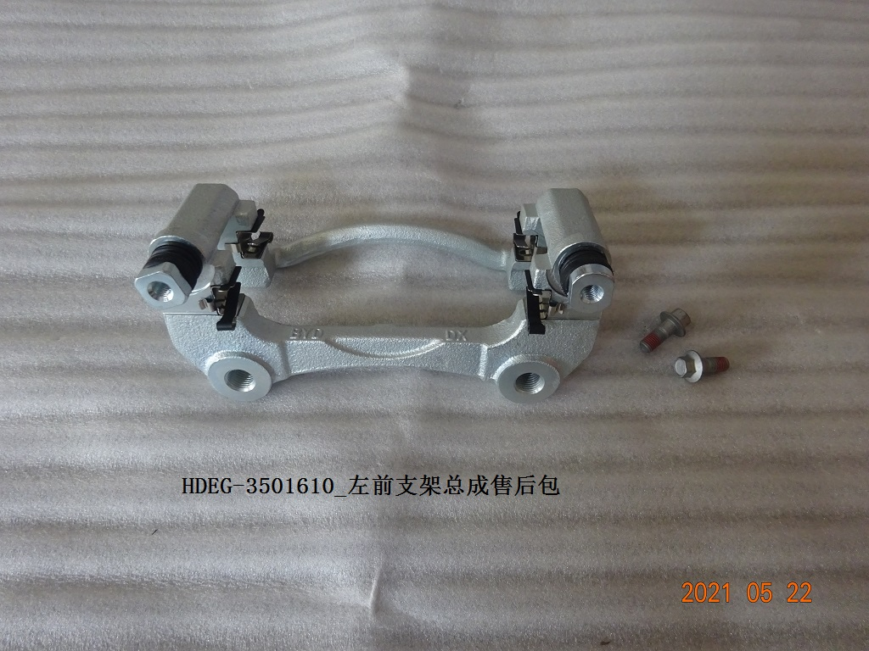 | QIN PLUS DM-i
48 | HDEG-3501500 | Front brake pads |  | QIN PLUS DM-i
49 | HA2EL-2304112 | Front right steering knuckle | 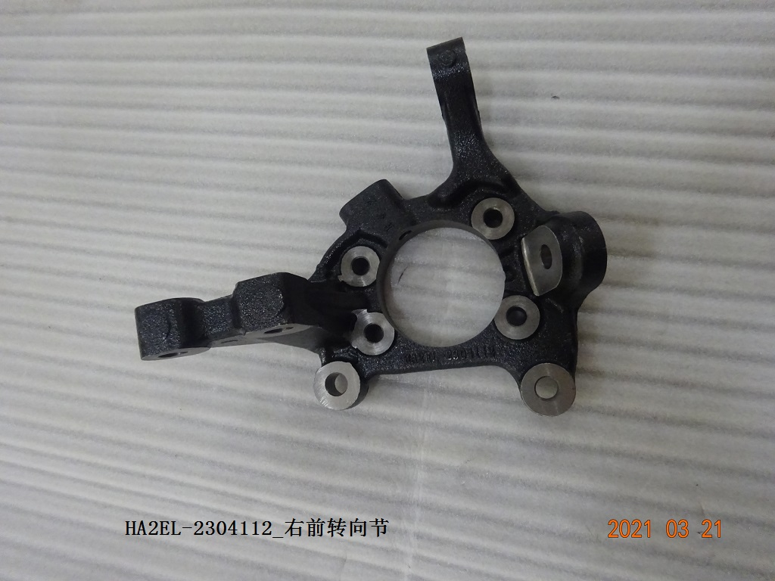 | QIN PLUS DM-i
50 | HA2EL-2304111 | Front left steering knuckle | 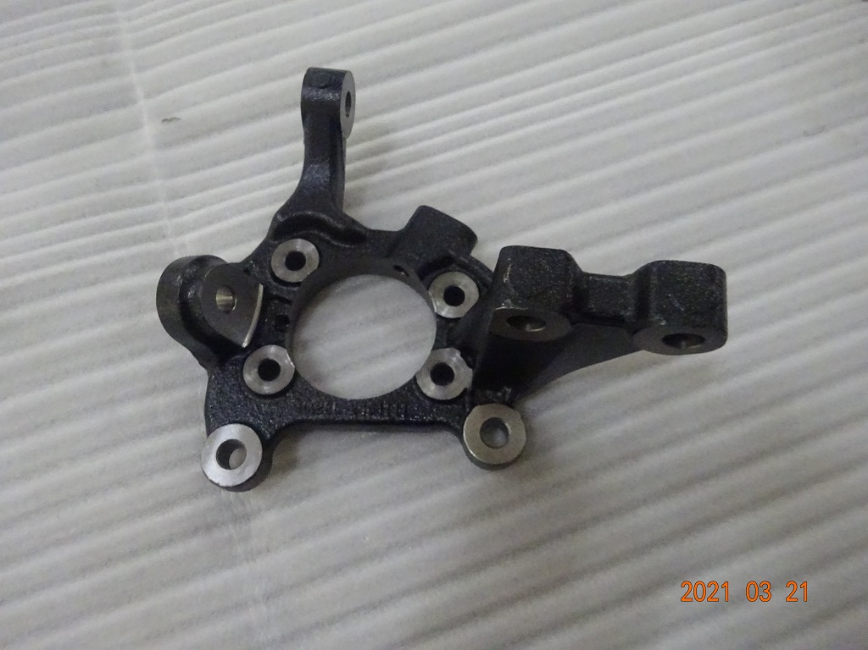 | QIN PLUS DM-i
51 | HAD-3103100 | Front wheel hub assembled |  | QIN PLUS DM-i
52 | HA2EL-3501111 | Front brake disc |  | QIN PLUS DM-i
53 | HA2EL-3502111 | Rear brake disc |  | QIN PLUS DM-i
54 | HADF-3104100A | Rear wheel hub assembled |  | QIN PLUS DM-i
55 | MEEC-3502162B | Rear right brake caliper sub assy |  | QIN PLUS DM-i
56 | MEEC-3502161B | Rear left brake caliper sub assy |  | QIN PLUS DM-i
57 | HA2EL-3502140 | Rear brake pads |  | QIN PLUS DM-i
58 | HA2EL-3502610 | Rear left brake caliper bracket |  | QIN PLUS DM-i
59 | HA2EL-3502620 | Rear right brake caliper bracket |  | QIN PLUS DM-i
60 | HAC-3102420-D2 | Wheel core cover |  | QIN PLUS DM-i
61 | HAD-3101010C | Aluminium wheel ring |  | QIN PLUS DM-i
62 | HA2EJ-3106010A | Tire |  | QIN PLUS DM-i
63 | STHA-3540020 | Brake fluid reservoir assembly |  | QIN PLUS DM-i
64 | HAD-3561020A_ | Front right braking pipe - soft |  | QIN PLUS DM-i
65 | HAD-3561010A | Front left braking pipe - soft |  | QIN PLUS DM-i
66 | HAD-3561030A | Rear leftbraking pipe - soft |  | QIN PLUS DM-i
67 | HAD-3561040A | Rear right braking pipe - soft |  | QIN PLUS DM-i
68 | HA2HE-4121010-D1 | Headlight L |  | QIN PLUS DM-i
69 | HA2HE-4121020-D1 | Headlight R |  | QIN PLUS DM-i
70 | HA2HE-4133020 | Rear lamp R |  | QIN PLUS DM-i
71 | HA2HE-4107300 | Tail light middle |  | QIN PLUS DM-i
72 | HA2HE-4133010 | Rear lamp L |  | QIN PLUS DM-i
73 | HA2HE-4116300 | Rear bumper reflector L |  | QIN PLUS DM-i
74 | HA2HE-4113200 | Rear bumper reflector R |  | QIN PLUS DM-i
75 | HAD-4121320A | Front right headlight trim |  | QIN PLUS DM-i
76 | HAD-4121310A | Front left headlight trim |  | QIN PLUS DM-i
77 | HAD-4134100 | Rear upper brake light |  | QIN PLUS DM-i
78 | TA-3658300A-D1 | Front sensor |  | QIN PLUS DM-i
79 | TA-3658400A-D1 | Front sensor |  | QIN PLUS DM-i
80 | ST-5820200-D1 | Front passenger side air bag |  | QIN PLUS DM-i
81 | S6-5820220 | PAB cable |  | QIN PLUS DM-i
82 | HAD-5820100 | Driver side air bag |  | QIN PLUS DM-i
83 | M6-3658500A-D2 | Side sensor |  | QIN PLUS DM-i
84 | HAD-5820700 | Left side air bag |  | QIN PLUS DM-i
85 | HAD-5820800 | Right side air bag |  | QIN PLUS DM-i
86 | HAD-3658100A-D1 | SRS control unit |  | QIN PLUS DM-i
87 | HA2H-3603300 | Sensor |  | QIN PLUS DM-i
88 | HA2EN-3776100 | Reverse camera |  | QIN PLUS DM-i
89 | EL-3630330A-D1 | Rear left speed sensor |  | QIN PLUS DM-i
90 | HA2FF-3630310AZ | Rear left speed sensor EPB cable |  | QIN PLUS DM-i
91 | HA2FF-3630320AZ | Rear right speed sensor EPB cable |  | QIN PLUS DM-i
92 | HA2H-8114400 | Outside temperature sensor |  | QIN PLUS DM-i
93 | SA2HG-3774010JW-E1 | Combination switch |  | QIN PLUS DM-i
94 | HAD-8107110 | Evaporator |  | QIN PLUS DM-i
95 | 6B-8114310 | Evaporator temperature sensor |  | QIN PLUS DM-i
96 | HA2HF-8107700 | PTC heater with sponge |  | QIN PLUS DM-i
97 | ST-8112010 | Blower |  | QIN PLUS DM-i
98 | HAD-8121211B | A/C filter |  | QIN PLUS DM-i
99 | HA2HE-8107010 | Evaporator |  | QIN PLUS DM-i
100 | HA2HE-8105010A | Condenser |  | QIN PLUS DM-i
101 | HA2HE-8103020 | Compressor |  | QIN PLUS DM-i
102 | HA2HE-2803111 | Front bumper |  | QIN PLUS DM-i
103 | HA2HE-2803700 | Front bumper grille |  | QIN PLUS DM-i
104 | HA2HE-2803126 | Front bumper trim R |  | QIN PLUS DM-i
105 | HA2HE-2803125 | Front bumper trim L |  | QIN PLUS DM-i
106 | HAD-2803411 | Front bumper bracket R |  | QIN PLUS DM-i
107 | HAD-2803311 | Front bumper bracket L |  | QIN PLUS DM-i
108 | HA2HE-2803112 | Front bumper vent - down |  | QIN PLUS DM-i
109 | HA2HE-2803123-00E3 | Front bumper down trim R |  | QIN PLUS DM-i
110 | HA2HE-2803121-00E3 | Front bumper down trim L |  | QIN PLUS DM-i
111 | HA2HE-2803122-00E3 | Front bumper trim - down middle |  | QIN PLUS DM-i
112 | HA2EN-2804310 | Rear bumper front bracket L |  | QIN PLUS DM-i
113 | HA2EN-2804320 | Rear bumper rear bracket L |  | QIN PLUS DM-i
114 | HAD-2804700 | Rear side vent |  | QIN PLUS DM-i
115 | HA2EN-2804410 | Rear bumper front bracket R |  | QIN PLUS DM-i
116 | HA2EN-2804420 | Rear bumper rear bracket R |  | QIN PLUS DM-i
117 | HAD-2804430 | Rear bumper bracket down R |  | QIN PLUS DM-i
118 | HAD-2804330 | Rear bumper bracket down L |  | QIN PLUS DM-i
119 | HA2EN-2804111/E4 | Rear bumper |  | QIN PLUS DM-i
120 | HA2EN-2804131/77-00BK | Rear bumper trim L - glossy black |  | QIN PLUS DM-i
121 | HA2EN-2804141/77-00BK | Rear bumper trim R - glossy black |  | QIN PLUS DM-i
122 | HAD-3102150H | Engine mud guard |  | QIN PLUS DM-i
123 | HA2EJ-3102310H | Front sub-frame mud guard |  | QIN PLUS DM-i
124 | HA2EJ-3102120H | Front right inner fender mud guard |  | QIN PLUS DM-i
125 | HA2EJ-3102140N | Rear right inner fender mud guard |  | QIN PLUS DM-i
126 | HA2EJ-3102110H | Front left inner fender mud guard |  | QIN PLUS DM-i
127 | HA2EJ-3102130N | Rear left inner fender mud guard |  | QIN PLUS DM-i
128 | HAD-5302210 | Front bumper grille upper cover plate |  | QIN PLUS DM-i
129 | HA2HE-5302310 | Radiator deflector assembly l |  | QIN PLUS DM-i
130 | HA2HE-5302320 | Radiator deflector assembly R |  | QIN PLUS DM-i
131 | HAD-5302100 | Front ventilation cover assembly |  | QIN PLUS DM-i
132 | SA2H-3921970 | Logo "build your dreams" |  | QIN PLUS DM-i
133 | HA2HE-3924930 | letters DM-I |  | QIN PLUS DM-i
134 | HADF-3921030 | Front fender trim L |  | QIN PLUS DM-i
135 | HADF-3921040 | Front fender trim R |  | QIN PLUS DM-i
136 | HAD-8402011B | Front hood insulation layer |  | QIN PLUS DM-i
137 | HAD-5402811 | Left skirt plate |  | QIN PLUS DM-i
138 | HAD-5402821 | Right skirt plate |  | QIN PLUS DM-i
139 | HAD-5401810E | Fuel port cover assembly |  | QIN PLUS DM-i
140 | HAD-5401820B | Charging sport cover |  | QIN PLUS DM-i
141 | HAD-8402010/70 | Hood / brace type |  | QIN PLUS DM-i
142 | HAD-8402610 | Hood hinge L |  | QIN PLUS DM-i
143 | HAD-8402619 | Hood hinge R |  | QIN PLUS DM-i
144 | HAD-5606110 | Trunk hinge |  | QIN PLUS DM-i
145 | HA2HE-5604010/70 | Trunk |  | QIN PLUS DM-i
146 | HAD-6201019/70 | Rear right door |  | QIN PLUS DM-i
147 | HAD-6201010/70 | Rear left door |  | QIN PLUS DM-i
148 | HAD-8403110/70 | Front left fender |  | QIN PLUS DM-i
149 | HAD-8403119/70 | Front right fender |  | QIN PLUS DM-i
150 | HAD-6101010/70 | Front left door |  | QIN PLUS DM-i
151 | HAD-6101019/70 | Front right door |  | QIN PLUS DM-i
152 | HAD-6106100 | Front left door hinge - upper |  | QIN PLUS DM-i
153 | HAD-6106109 | Front right door hinge - upper |  | QIN PLUS DM-i
154 | HAD-6106209 | Front right door hinge - down |  | QIN PLUS DM-i
155 | HAD-6106200 | Front left door hinge - down |  | QIN PLUS DM-i
156 | HAD-6206109 | Rear right door hinge - upper |  | QIN PLUS DM-i
157 | HAD-6206100 | Rear left door hinge - upper |  | QIN PLUS DM-i
158 | HAD-6206209 | Rear right door hinge - down |  | QIN PLUS DM-i
159 | HAD-6206200 | Rear left door hinge - down |  | QIN PLUS DM-i
160 | HAD-5401916C/70 | Front side body frame R |  | QIN PLUS DM-i
161 | HAD-5401915C/70 | Front side body frame L |  | QIN PLUS DM-i
162 | HAD-5401917/70 | Rear side body frame L |  | QIN PLUS DM-i
163 | HAD-5401918/70 | Rear side body frame R |  | QIN PLUS DM-i
164 | HAD-8400010/70 | Front reinforce beam |  | QIN PLUS DM-i
165 | HAD-5301290 | Front radiator frame |  | QIN PLUS DM-i
166 | HAD-8400020/70 | Rear reinforce beam |  | QIN PLUS DM-i
167 | HAD-5206010C | Front glass |  | QIN PLUS DM-i
168 | HAD-5206020 | Rear glass |  | QIN PLUS DM-i
169 | HAD-6207117 | Rear left door glass water proof plate - inner |  | QIN PLUS DM-i
170 | HAD-6207118 | Rear right door glass water proof plate - inner |  | QIN PLUS DM-i
171 | HAD-5406010 | Rear left triangle glass |  | QIN PLUS DM-i
172 | HAD-5406020 | Rear right triangle glass |  | QIN PLUS DM-i
173 | HAD-6203109 | Rear right door glass |  | QIN PLUS DM-i
174 | HAD-6203100 | Rear left door glass |  | QIN PLUS DM-i
175 | HAD-6207116A | Rear right door glass water proof plate - outer |  | QIN PLUS DM-i
176 | HAD-6207115A | Rear left door glass water proof plate - outer |  | QIN PLUS DM-i
177 | HAD-6103109 | Front right door glass |  | QIN PLUS DM-i
178 | HAD-6103100 | Front left door glass |  | QIN PLUS DM-i
179 | HAD-6107116A | Front right door glass water proof plate - outer |  | QIN PLUS DM-i
180 | HAD-6107115A | Front left door glass water proof plate - outer |  | QIN PLUS DM-i
181 | HAD-6107117 | Front left door glass water proof plate - inner |  | QIN PLUS DM-i
182 | HAD-6107118 | Front right door glass water proof plate - inner |  | QIN PLUS DM-i
183 | HAD-8402931 | Hood brace |  | QIN PLUS DM-i
184 | HAD-5205100A | Left wiper arm |  | QIN PLUS DM-i
185 | HAD-5205110B | Left wiper blade |  | QIN PLUS DM-i
186 | HAD-5205200A | Right wiper arm |  | QIN PLUS DM-i
187 | HAD-5205210B | Right wiper blade |  | QIN PLUS DM-i
188 | HAD-5205300B | Wiper system link with motor |  | QIN PLUS DM-i
189 | HA-5207120 | Water tank neck |  | QIN PLUS DM-i
190 | HAD-5207110 | Water tank with motor |  | QIN PLUS DM-i
191 | HAD-8202100N | Outer review mirror L |  | QIN PLUS DM-i
192 | HAD-8202109N | Outer review mirror R |  | QIN PLUS DM-i
193 | ELEC-8202219A | Outer review mirror glass R |  | QIN PLUS DM-i
194 | ELEC-8202210A | Outer review mirror glass L |  | QIN PLUS DM-i
195 | HAD-6104100F | Front left door glass regulator |  | QIN PLUS DM-i
196 | HAD-6104109C | Front right door glass regulator |  | QIN PLUS DM-i
197 | HAD-6105209 | Front right door lock assy |  | QIN PLUS DM-i
198 | HAD-6105200 | Front right door lock assy |  | QIN PLUS DM-i
199 | HAD-6109100 | Front door position limitator |  | QIN PLUS DM-i
200 | TA-6105100E | Front left outer handle |  | QIN PLUS DM-i
201 | TA-6105109E | Front right outer handle |  | QIN PLUS DM-i
202 | HAD-6209100 | Rear door position limitator |  | QIN PLUS DM-i
203 | HAD-6204100C | Rear left door glass regulator |  | QIN PLUS DM-i
204 | HAD-6204109C | Rear right door glass regulator |  | QIN PLUS DM-i
205 | HAD-6205209A_ | Rear right door lock |  | QIN PLUS DM-i
206 | HAD-6205200A | Rear left door lock |  | QIN PLUS DM-i
207 | TA-6205100E | Rear left outer handle |  | QIN PLUS DM-i
208 | TA-6205109E | Rear right outer handle |  | QIN PLUS DM-i
209 | 5A-5605100A | Trunk lock |  | QIN PLUS DM-i
210 | HAD-5811010 | Front left seat belt |  | QIN PLUS DM-i
211 | HAD-5811020 | Front right seat belt |  | QIN PLUS DM-i
212 | HAD-5812010B | Rear left seat belt |  | QIN PLUS DM-i
213 | HAD-5812020B | Rear tight seat belt |  | QIN PLUS DM-i
214 | HA2HE-2105070 | AC charging port assembly |  | QIN PLUS DM-i
215 | 11973856-00 | Brake oil HZY6 1L |  | QIN PLUS DM-i
216 | 11161848-00 | Refrigeration oil POE-68/150ML |  | QIN PLUS DM-i
217 | 11310634-00 | Anti-icing fluid Freezing point -40 ℃ Organic acids 1.5L |  | QIN PLUS DM-i
218 | 11310637-00 | Anti-icing fluid Freezing point -25 ℃ Organic acids 3.5L |  | QIN PLUS DM-i
219 | 11310635-00 | Anti-icing fluid Freezing point -40 ℃ Organic acids 3.5L |  | QIN PLUS DM-i
220 | 11310636-00 | Anti-icing fluid Freezing point -25 ℃ Organic acids 1.5L |  | QIN PLUS DM-i
221 | 10482258-00 | Refrigerant R134A 250G |  | QIN PLUS DM-i

