Лист1
 | Picture | Serial number | MODEL
Front headlight IQ high-end L |  | 11G 941 035 | ID4CROZZ
Front headlight IQ high-end R |  | 11G 941 036 | ID4CROZZ
Low spec front headlights L |  | 11G 941 005 | ID4CROZZ
Low spec front headlights L |  | 11G 941 006 | ID4CROZZ
Right IQ taillight |  | 11G 945 208 | ID4CROZZ
Left IQ taillight |  | 11G 945 207 | ID4CROZZ
Left tail light |  | 11G 945 095 | ID4CROZZ
Right tail light |  | 11G 945 096 | ID4CROZZ
In the taillights |  | 11G 945 093 | ID4CROZZ
IQ in taillights |  | 11G 945 307 | ID4CROZZ
Front bumper foam |  | L 11G 807 248 | ID4CROZZ
Front fender lining L |  | L 11A 809 957 A | ID4CROZZ
Front fender liner r |  | L 11A 809 958 A | ID4CROZZ
Rear fender lining L |  | 11A 810 911 | ID4CROZZ
Rear fender lining R |  | 11A 810 912 | ID4CROZZ
Silver decorative strip on the rear bumper |  | L 11G 853 333 2UC | ID4CROZZ
Under the rear bumper |  | 11G 807 433 | ID4CROZZ
Rear bumper lower guard plate |  | 11G 807 482 | ID4CROZZ
Front wheel arch L |  | 11A 853 717 | ID4CROZZ
Front wheel arch R |  | 11A 853 718 | ID4CROZZ
Rear wheel arch L |  | L 11A 853 817 9B9 | ID4CROZZ
Rear wheel arch R |  | L 11A 853 818 9B9 | ID4CROZZ
Front windshield |  | 11G 845 011 E NVB | ID4CROZZ
Rear windshield |  | 11A 845 051 L | ID4CROZZ
Silver protective plate under the front bumper |  | 11G 807 532 | ID4CROZZ
Guide plate bracket |  | 11G 805 915 A | ID4CROZZ
Front bumper grille |  | 11G 853 671 9B9 | ID4CROZZ
Front bumper grille baked paint |  | 11G 853 671 A 041 | ID4CROZZ
Front bumper cover plate |  | 11G 807 185 A | ID4CROZZ
Front bumper air duct L |  | 11G 853 949 | ID4CROZZ
Front bumper air duct R |  | 11G 853 950 | ID4CROZZ
front bumper |  | L 11G 807 217 GRU | ID4CROZZ
Front bumper assembly |  | L 11G 807 217 GRU | ID4CROZZ
Rear bumper assembly |  | 11G 807 433 | ID4CROZZ
Front trailer cover |  | 11G 807 241 | ID4CROZZ
Front bumper collision beam |  | L 11G 807 109 B | ID4CROZZ
Front bumper grille baked paint L |  | L 11G 807 763 A 041 | ID4CROZZ
Front bumper grille baked paint R |  | L 11G 807 764 A 041 | ID4CROZZ
Front bumper grille L |  | 11G 807 763 9B9 | ID4CROZZ
Front bumper grille R |  | 11G 807 764 9B9 | ID4CROZZ
Machine cover | 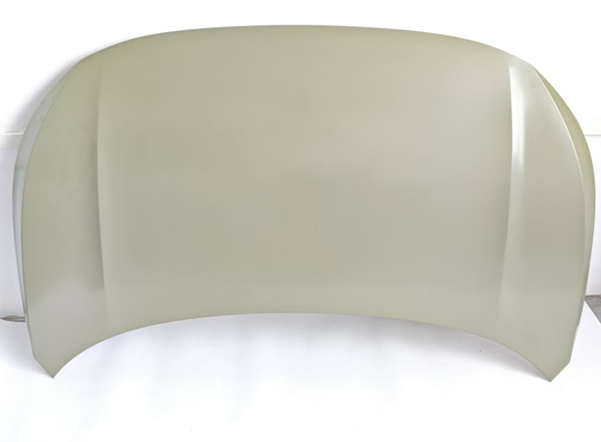 | L 11A 823 031 A | ID4CROZZ
Cover hinge L |  | 11G 823 301 | ID4CROZZ
Cover hinge R |  | 11G 823 302 | ID4CROZZ
Front door L |  | L 11A 831 055 A | ID4CROZZ
Front door R |  | L 11A 831 056 A | ID4CROZZ
Left rear door |  | L 11A 833 055 | ID4CROZZ
Right rear door |  | L 11A 833 056 | ID4CROZZ
back cover | 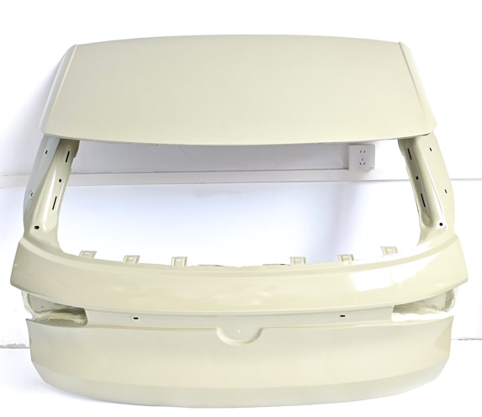 | L 11A 827 025 | ID4CROZZ
Front fender L |  | L 11A 821 021 D | ID4CROZZ
Front fender R |  | L 11A 821 022 D | ID4CROZZ
Front bumper corner L baked paint |  | 11G 853 665 041 | ID4CROZZ
Front bumper corner R baking paint |  | 11G 853 666 041 | ID4CROZZ
Front bumper corner |  | 11G 853 665 9b9 | ID4CROZZ
Front bumper corner |  | 11G 853 666 9b9 | ID4CROZZ
Left protective plate under the front bumper |  | L 11A 805 825 A | ID4CROZZ
Right lower guard plate of front bumper |  | L 11A 805 826 A | ID4CROZZ
Front bumper bracket small L |  | L 11G 807 183 A | ID4CROZZ
Front bumper bracket small R |  | L 11G 807 184 A | ID4CROZZ
Front bumper inner bracket L |  | L 11G 807 883 | ID4CROZZ
Front bumper inner bracket R |  | L 11G 807 884 | ID4CROZZ
Front bumper bracket L |  | L 11G 807 049 | ID4CROZZ
Front bumper bracket R |  | L 11G 807 050 | ID4CROZZ
Door signs |  | 11G 853 688 XXG | ID4CROZZ
Door signs |  | 11G 853 689 XXG | ID4CROZZ
Leaf board logo PURE |  | 11G 853 688 B XXG | ID4CROZZ
Leaf board logo PURE |  | 11G 853 689 B XXG | ID4CROZZ
Leaf board logo PRO |  | 11G 853 688 C XXG | ID4CROZZ
Leaf board logo PRO |  | 11G 853 689 C XXG | ID4CROZZ
rearview mirror |  | 11G 857 507 | ID4CROZZ
rearview mirror |  | 11G 857 508 | ID4CROZZ
rearview mirror |  | 11G 857 507B | ID4CROZZ
rearview mirror |  | 11G 857 508B | ID4CROZZ
Rear view mirror |  | 11G 857 507 C | ID4CROZZ
Rear view mirror |  | 11G 857 508C | ID4CROZZ
Equipped with camera“ |  | 1EA 907 131 H | ID4CROZZ
Drive motor |  | L 11G 941 653 | ID4CROZZ
Headlight strip L |  | L 11G 941 654 | ID4CROZZ
Front logo glowing |  | L 11G 853 600 AWA | ID4CROZZ
Charging cover assembly |  | 11G 809 857 | ID4CROZZ
Left rear bumper |  | L 11G 807 417 GRU | ID4CROZZ
Right rear bumper |  | L 11G 807 418 GRU | ID4CROZZ
Vehicle mounted power grid control unit |  | 1EA 937 089 H | ID4CROZZ
Vehicle mounted power grid control unit |  | 1EA 937 089 L | ID4CROZZ
Vehicle mounted power grid control unit |  | 1EA 937 089 Q | ID4CROZZ
Host, radio |  | 10A 035 844 E | ID4CROZZ
Host, radio |  | 10A 035 844 D | ID4CROZZ
Host, radio |  | 10A 035 878 D | ID4CROZZ
Drive motor controller |  | 1EA 907 425 B | ID4CROZZ
Gateway computer |  | 1EA 937 012 N | ID4CROZZ
Gateway computer |  | 1EA 937 012 L | ID4CROZZ
Rearview mirror shell |  | 11D 857 537 | ID4CROZZ
Rearview mirror shell |  | 11D 857 538 | ID4CROZZ
Rearview mirror glass |  | L 11B 857 521 | ID4CROZZ
Rearview mirror glass |  | L 11B 857 521/522 | ID4CROZZ
Electric back cover strut |  | 11G 827 851 A | ID4CROZZ
Wheel hub small cover |  | 11D 601 171 | ID4CROZZ
Left rear bumper light |  | 11G 945 701 | ID4CROZZ
Right rear bumper light |  | 11G 945 702 | ID4CROZZ
Rear shock absorber top glue |  | 1EA 513 353 G | ID4CROZZ
Rear shock absorber buffer adhesive | 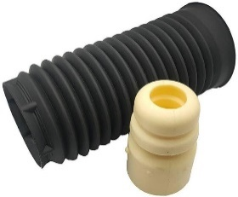 | L 1ED 511 351 | ID4CROZZ
Rear subframe rubber sleeve |  | 1EA 599 371 C | ID4CROZZ
Rear subframe rubber sleeve |  | 1ED 599 681 | ID4CROZZ
Battery repair kit |  | L 0Z1 998 184 B | ID4CROZZ
battery controller |  | 11D 915 340 B | ID4CROZZ
Antifreeze kettle |  | 1ED 121 407 | ID4CROZZ
Antifreeze kettle lid |  | L 2QD 121 321 | ID4CROZZ
Rear wheel swing arm |  | 1ED 505 291 ZD | ID4CROZZ
Rear wheel swing arm |  | 1ED 505 361 | ID4CROZZ
Rear wheel swing arm |  | 1ED 505 323 | ID4CROZZ
Rear wheel lower arm |  | 1ED 505 311 C | ID4CROZZ
Rear wheel steering knuckle |  | 1ED 505 436 | ID4CROZZ
Rear wheel steering knuckle |  | 1ED 505 435 | ID4CROZZ
Front wheel steering knuckle | 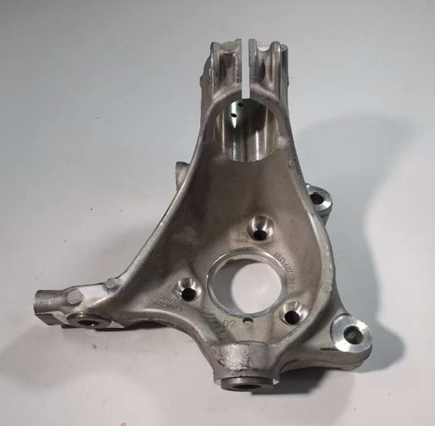 | 1ED 407 253 | ID4CROZZ
Front wheel steering knuckle |  | 1ED 407 254 | ID4CROZZ
Rear wheel pull rod |  | 1EA 501 529 C | ID4CROZZ
hub |  | 11G 601 025 D | ID4CROZZ
hub |  | L 11G 601 025 E | ID4CROZZ
hub | 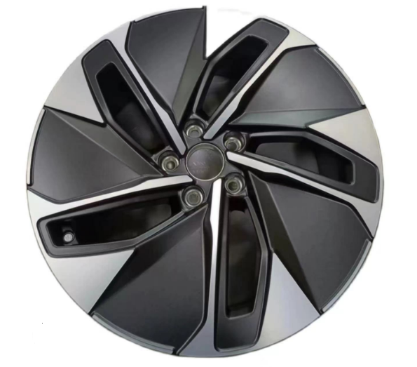 | L 11G 601 025 A | ID4CROZZ
Balance bar assembly |  | 1EA 411 303K | ID4CROZZ
Hankook tires |  | 1ED 601 322 B | ID4CROZZ
Hankook tires |  | 1ED 601 322 D | ID4CROZZ
Steering column assembly |  |  | ID4CROZZ
Water pipe | 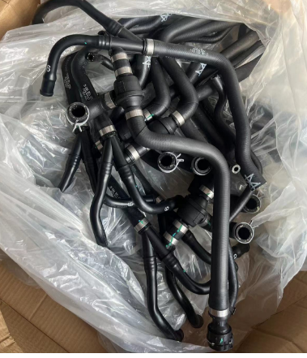 | L 1ED 122 101 B | ID4CROZZ
Water pipe |  | L 1ED 121 051 A | ID4CROZZ
Water pipe |  | L 1ED 122 050 F | ID4CROZZ
Water pipe |  | L 1ED 820 741 D | ID4CROZZ
Air conditioning pipe |  | L 1ED 816 721 A | ID4CROZZ
Air conditioning pipe |  | L 1ED 816 743 B | ID4CROZZ
Front seat belt L |  | L 11G 857 705B RAA | ID4CROZZ
Front seat belt R |  | L 11G 857 706B RAA | ID4CROZZ
Front seat belt L |  | L 11G 857 706 RAA | ID4CROZZ
Front seat belt R |  | L 11G 857 705 RAA | ID4CROZZ
Rear seat belt L |  | L 11G 857 805 RAA | ID4CROZZ
Rear seat belt R |  | L 11G 857 806 RAA | ID4CROZZ
In the rear seat belt |  | L 11G 857 807 RAA | ID4CROZZ
Luggage rack L |  | L 11G 860 033 | ID4CROZZ
Luggage rack R |  | L 11G 860 034 | ID4CROZZ
Headlight glass |  | 11G 941 005 11G 941 006 | ID4CROZZ
portal frame |  | 11G 805 563 B | ID4CROZZ
Under the front bracket |  | L 11G 807 189 | ID4CROZZ
C-pillar exterior panel L |  | L 11A 853 377 A | ID4CROZZ
C-pillar exterior panel R |  | L 11A 853 378 A | ID4CROZZ
VW character |  | L 11A 853 630 AWA | ID4CROZZ
Label ID4 |  | 11G 853 687 C C9A | ID4CROZZ
Marking words CROZZ |  | 11G 853 687 B C9A | ID4CROZZ
Rear cover character ID4 |  | L 11G 853 687 C9A | ID4CROZZ
Middle air conditioning outlet |  | L 12G 819 728 SZB | ID4CROZZ
Air conditioning vent L |  | 12G 819 703 | ID4CROZZ
Air conditioning outlet R |  | 12G 819 704 | ID4CROZZ
Heating device |  | L 1EA 963 581 D | ID4CROZZ
Front door triangular glass L |  | L 11A 845 113 B | ID4CROZZ
Front door triangular glass R |  | L 11A 845 114 B | ID4CROZZ
Front door glass L black |  | L 11A 845 201 | ID4CROZZ
Front door glass R black |  | L 11A 845 202 | ID4CROZZ
Rear door glass R black |  | L 11A 845 025 A | ID4CROZZ
Rear door glass R black |  | L 11A 845 026 A | ID4CROZZ
Rear door side window glass L |  | L 11A 845 213 E | ID4CROZZ
Rear door side window glass L |  | L 11A 845 214 E | ID4CROZZ
Rear triangular window glass L |  | 11A 845 041 A | ID4CROZZ
Rear triangular window glass R |  | 11A 845 042 A | ID4CROZZ
The sunroof assembly can be opened |  | L 11G 877 041 B 8W | ID4CROZZ
Sunroof rubber strip |  | L 11G 877 459 | ID4CROZZ
Wheel brow buckle |  | L WHT 009 448 | ID4CROZZ
Side circumference L |  | L 11A 809 605 | ID4CROZZ
Side circumference L |  | L 11A 809 606 | ID4CROZZ
back panel |  | L 11A 813 301 | ID4CROZZ
Outside the rear panel |  | L 11A 813 309 | ID4CROZZ
evaporator |  | L 1ED 820 103 A | ID4CROZZ
Cover sealing strip |  | L 11A 823 707 A | ID4CROZZ
Hood handle seat |  | 6RD 823 533 A | ID4CROZZ
Hood handle |  | L 5TD 823 633 A | ID4CROZZ
Cover buffer adhesive |  | L 357 827 500 A | ID4CROZZ
Lower body guard plate L/R |  | L 1EA 825 529 | ID4CROZZ
Lower body guard plate L/R |  | L 1EA 825 530 | ID4CROZZ
guard board |  | L 1EA 825 117 | ID4CROZZ
guard board |  | L 1EA 825 118 | ID4CROZZ
Rear windshield decorative panel L |  | L 11G 827 939 041 | ID4CROZZ
Rear windshield decorative panel R |  | L 11G 827 940 041 | ID4CROZZ
Rear cover motor |  | L 3GD 827 887 B | ID4CROZZ
Rear cover handle |  | L 30G 827 566 | ID4CROZZ
Outer door sealing strip |  | L 11G 837 701 A | ID4CROZZ
Inside the door sealing strip |  | 11G 867 911 E/912 | ID4CROZZ
Door Stop |  | L 11G 837 249 | ID4CROZZ
Door hinge |  | L 11A 831 407 E | ID4CROZZ
Door hinge |  | L 11A 831 408 E | ID4CROZZ
Front L of glass lifter | 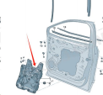 | L 11G 837 461 B | ID4CROZZ
Front R of glass lifter |  | L 11G 837 462 B | ID4CROZZ
L behind the glass lifter | 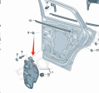 | L 11G 839 461 A | ID4CROZZ
Rear R of glass lifter |  | L 11G 839 462 A | ID4CROZZ
Glass mud tank front door L |  | L 11G 837 439 A | ID4CROZZ
Glass mud tank front door R |  | L 11G 837 440 A | ID4CROZZ
Glass mud tank rear door L | 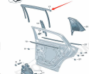 | L 11G 839 439 C | ID4CROZZ
Glass mud tank rear door R |  | L 11G 839 439 C | ID4CROZZ
Glass outer pressure strip front door L | 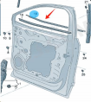 | L 11A 837 477 | ID4CROZZ
Glass outer pressure strip front door R |  | L 11A 837 478 | ID4CROZZ
Glass outer pressure strip rear door L | 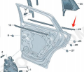 | L 11A 839 477 | ID4CROZZ
Glass outer pressure strip rear door R |  | L 11A 839 478 | ID4CROZZ
B-pillar exterior trim L |  | L 11A 837 901 A | ID4CROZZ
B-pillar exterior trim R |  | L 11A 837 901 902 | ID4CROZZ
Roof trim L |  | L 11A 853 701 | ID4CROZZ
Roof trim R |  | L 11A 853 702 | ID4CROZZ
Wiper blade L |  | L 11G955425 | ID4CROZZ
Wiper blade R |  | L 11G955426 | ID4CROZZ
Front windshield spray nozzle |  | L 2KD955985 | ID4CROZZ
washer pump |  | L 1KD955651A | ID4CROZZ
Rear wiper blade |  | L 11G955427 | ID4CROZZ
Rear wiper arm |  | L 11G955707 | ID4CROZZ
Rear wiper arm cover |  | L 12D 955 435 | ID4CROZZ
Charging port cover |  | L 1EA971393A | ID4CROZZ
Charging port bracket |  | L11A907175A | ID4CROZZ
Charging high-voltage line |  | L11G917531C | ID4CROZZ
High and low frequency speaker wiring harness |  | L 11A 971 095 | ID4CROZZ
Behind the door trim panel |  | 11G.854.949 | ID4CROZZ
Behind the door trim panel |  | 11G.854.950 | ID4CROZZ
In front of the door trim panel |  | 11A854939 9B9 | ID4CROZZ
In front of the door trim panel |  | 11A854940 9B9 | ID4CROZZ
Front electroplating of door trim panel |  | 11G 854 939 B | ID4CROZZ
Front electroplating of door trim panel |  | 11G 854 940 B | ID4CROZZ
Rear electroplating of door trim panel |  | 11G 854 949 B | ID4CROZZ
Rear electroplating of door trim panel |  | 11G 854 950 B | ID4CROZZ
Front windshield decorative strip L |  | 11A854327 9B9 | ID4CROZZ
Front windshield decorative strip R |  | 11A854328 9B9 | ID4CROZZ
antenna |  | 5WA035507A 041 | ID4CROZZ
Rear bumper trailer cover |  | 11G807441 9B9 | ID4CROZZ
Rear bumper trailer cover |  | 11G807442 2UC | ID4CROZZ
Insurance box cover plate |  | 1EA915429B | ID4CROZZ
Antenna bracket |  | 11A962283C/D | ID4CROZZ
Antenna, for entry and start-up permission (KESSY) |  | 5WA 962 131 | ID4 ID6
Antenna, for entry and start-up permission (KESSY) |  | L 5WA 962 132 | ID4 ID6
Airbag sensor |  | L 1ED 959 345 | ID4 ID6
locking member |  | 11A821111 | ID4CROZZ
locking member |  | 11A821112 | ID4CROZZ
Lower guard board |  | 11A 825 523 | ID4CROZZ
Luggage compartment lid |  | 11A867769 6DI | ID4CROZZ
LEVEL SENSOR |  | 1ED 512 521 | ID4CROZZ
Door hinge |  | 8X0 831 403 J | ID4CROZZ
Door hinge |  | 8X0 831 404 J | ID4CROZZ
Engine lower guard plate |  | 1EA825236C | ID4CROZZ
Lower guard board |  | 1EA825102C | ID4CROZZ
ACC millimeter sensor |  | 1EA907572E | ID4CROZZ
smallpox |  | 11G 867 501 A 0T7 | ID4CROZZ
smallpox |  | 11G 867 501 0T7 | ID4CROZZ
Battery fuse |  | 0Z1 915 463 E | ID4CROZZ
Battery fuse |  | 0Z1 915 463 E | ID4CROZZ
Electric power steering gear |  | 1ED423052E | ID4CROZZ
Electric power steering gear |  | 1ED423052J | ID4CROZZ
Behind the camera |  | 1EA980556E | ID4CROZZ
In front of the camera |  | 5W0980546 | ID4CROZZ
battery controller |  | 1EA915181A | ID4CROZZ
Blind spot recognition sensor |  | 2QD907685C | ID4CROZZ
Blind spot recognition sensor |  | 2QD907685D | ID4CROZZ
Blind spot recognition sensor |  | 2QD907685F | ID4CROZZ
Blind spot recognition sensor |  | 2QD907686C | ID4CROZZ
Blind spot recognition sensor |  | 2QD907686D | ID4CROZZ
Blind spot recognition sensor |  | 2QD907686F | ID4CROZZ
Front bumper bracket |  | 11G 807 231 | ID4CROZZ
Instrument panel side guard |  | 11G858217A 8W8 | ID4CROZZ
Left glove compartment |  | 11G857161A 8W8 | ID4CROZZ
Reverse radar controller |  | 1EA919294B | ID4CROZZ
Driver airbag |  | 11G.880.201 | ID4CROZZ
tyre whorl |  | WHT002438 | ID4CROZZ
Anti theft screw set |  | WHT002537 | ID4CROZZ
Front logo |  | 11G 853 601 A | ID4CROZZ
Air conditioning pressure switch |  | 4M0 959 603 E | ID4CROZZ
Radiator foam |  | 11G 121 293 | ID4CROZZ
air guide |  | 1EA 121 281 C | ID4CROZZ
air guide |  | 1EA 121 281 D | ID4CROZZ
Radiator support L |  | 1EA 121 367 G | ID4CROZZ
Radiator support R |  | 1EA 121 367 H | ID4CROZZ
Radiator bracket fixing clip |  | 1EA 121 095 | ID4CROZZ
Radiator roller shutter |  | L 1ED 122 135 C | ID4CROZZ
Kick the sensor with one foot |  | L 3GD 962 243 D | ID4CROZZ
Underbody skirt edge R |  | 11G 853 856C 9B9 | ID4CROZZ
Underbody skirt L |  | 11G 853 855C 9B9 | ID4CROZZ
Blower assembly |  | 1ED.820.153 E | ID4CROZZ
Wing support bracket L |  | 11G.821.135 | ID4CROZZ
Wing support bracket R |  | 11G.821.136 | ID4CROZZ
Curtain airbag L |  | 11G880741E | ID4CROZZ
Curtain airbag R |  | 11G880742E | ID4CROZZ
Passenger Airbag |  | 11G.880.204 | ID4CROZZ
Lower guard board |  | 1EA825101E | ID4CROZZ
Large bracket |  | 10A 941 109 | ID4CROZZ
Under the hood lock |  | 12D 823 509 | ID4CROZZ
L on the door hinge |  | 8X0 831 403 J | ID4CROZZ
R on the door hinge |  | 8X0 831 404 J | ID4CROZZ
Engine noise generator |  | 11G035335B | ID4CROZZ
Wing bracket L |  | 11A 821 431 | ID4CROZZ
Wing bracket R |  | 11A 821 432 | ID4CROZZ
instrument panel assembly |  | 11G 857 003 8W8 | ID4CROZZ
Battery control module |  | 5KE 915 184 AF | ID4CROZZ
Rear bumper skeleton |  | 11G807305 | ID4CROZZ
Rear bumper bracket |  | 11G807394 | ID4CROZZ
Rear bumper bracket |  | 11G807393 | ID4CROZZ
Rear bumper bracket |  | 11G807393A | ID4CROZZ
Rear bumper bracket |  | 11G807394A | ID4CROZZ
Front brake discs |  | 1ED 615 301 A | ID4CROZZ
Headlight bracket L |  | 11G 823 405 | ID4CROZZ
Headlight bracket R |  | 11G 823 406 | ID4CROZZ
Front bumper sensor | 电眼 | 5WD919275 | ID4CROZZ
parking sensor | 电眼 | 5WD919275A | ID4CROZZ
Bottom arm rubber sleeve is small | 下臂胶 | 1ED407182 | ID4CROZZ
Bottom arm rubber sleeve is large | 下臂胶 | 1ED407183 | ID4CROZZ
reading lamp | 行李箱灯 | 11G947409 | ID4CROZZ
reading lamp |  | 11D947291 7DO | ID4CROZZ
reading lamp |  | 11D947292 7DO | ID4CROZZ
reading lamp | 后牌照灯 | 3ED943021A | ID4CROZZ
Rear cover locking machine | 后盖锁机 | 11D827506 | ID4CROZZ
360 Camera Controller | 后盖锁机构 | 1EA907556H | ID4CROZZ
Camera bracket | 摄头像支架 | 11G980815 | ID4CROZZ
Camera bracket | 摄头像支架 | 3CC980561 | ID4CROZZ
Lower protective plate expansion nut |  | WHT 003 491 | ID4CROZZ
Turn to computer |  | 1EA905861 | ID4CROZZ
Reverse mirror decorative panel L |  | 11A853271 9B9 | ID4CROZZ
Reverse mirror decorative panel R |  | 11A853272 9B9 | ID4CROZZ
Rear wheel bearing | 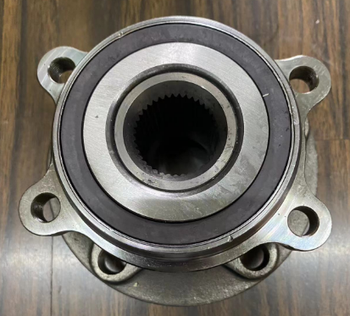 | L 3QF 407 621 A | ID4CROZZ
Support height |  | 11D 805 367 | ID4CROZZ
Front baking paint on the lower trim |  | 11G854949A 041 | ID4CROZZ
Front baking paint on the lower trim panel |  | 11G854950A 041 | ID4CROZZ
Rear baking paint on the lower trim panel of the car door |  | 11G854939A 041 | ID4CROZZ
Rear baking paint on the lower trim panel of the car door |  | 11G854940A O41 | ID4CROZZ
In front of the hood cable |  | L 11G 823 531 | ID4CROZZ
Behind the hood cable |  | L 11G 823 535 | ID4CROZZ
Hood lock hook |  | 11D823186A | ID4CROZZ
wiper arm |  | 11G955409 | ID4CROZZ
wiper arm |  | 11G955410 | ID4CROZZ
Outer ball head |  | 1ED423811A | ID4CROZZ
Ball head inside the steering gear |  | L 1ED 423 810 | ID4CROZZ
Water tank plug |  | 4M0 121 095 | ID4CROZZ
Radiator rubber sleeve |  | 1EA 121 367 J | ID4CROZZ
Blind spot recognition bracket |  | 11G907455 | ID4CROZZ
Blind spot recognition bracket |  | 11G907456 | ID4CROZZ
Fuse box holder |  | 1ED907361 | ID4CROZZ
fuse box cover |  | 5WD937132 | ID4CROZZ
Sun visor L |  | 5TD857551A 8W8 | ID4CROZZ
Sun visor R |  | 5TD857552C 8W8 | ID4CROZZ
Charger cover |  | 11G 809 909 | ID4CROZZ
drainage board |  | 11G 819 403 | ID4CROZZ
Skylight curtains |  | L 11G 877 307 8W8 | ID4CROZZ
bracket |  | 12G805567 | ID4CROZZ
bracket |  | 12G805764 | ID4CROZZ
Front damping bearing |  | L 1ED 412 331 | id4.id6
Brake disc |  | 1ED 615 301 A | id4.id6
Front brake pads |  | 1ED698151B | id4.id6
Handbrake motor |  | 1ED927281 | id4.id6
Handbrake motor |  | 1ED927282 | id4.id6
Rear brake pads |  | L1ED 698 525 D | ID4 ID6
Expansion Tank |  | 1ED 121 407 | id4.id6
Expansion Tank |  | 1ED 955 453 D | id4.id6
Decorative Strip |  | 12G 853 334 | ID6
Rear bumper Trim strip |  | 12G 853 841 | ID6
Rear bumper Trim strip |  | 12G 853 842 | ID6
reflector |  | 12G 945 103 | ID6
reflector |  | 12G 945 104 | ID6
Rear Fog Lamp Reflector |  | 12G 945 702 | ID6
Rear Fog Lamp Reflector LH |  | 12G 945 701 | ID6
Bumper cover plate General Assembly |  | 12G 807 217 A | ID6
Front Bumper |  | 12G 807 217 | iD.6 CROZZ
 | 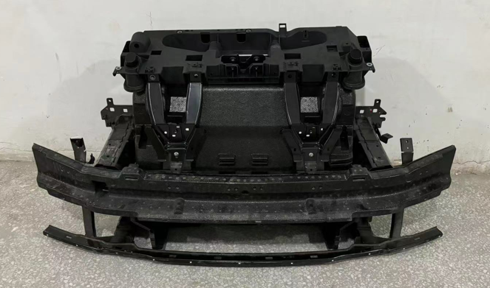 | 12G 807 109 BB | ID6
 |  | 12G 807 185 | iD.6 CROZZ
Windshield |  | 12G 845 011 E | id6
Windshield |  | 12G 845 011E | id6
Bumper cover plate |  | 12G 807 417 | id6
Spoiler |  | 12G 807 433 | id6
后杠总成Rear bumper assembly |  | 12G 807 417 | ID6 CROZZ
Decorative strip |  | 12G 853 333 | ID6
Decorative strip |  | 12G 853 835 | id6
ID6 CR |  | 12G807441 2UC | -
A car cover |  |  | ID6ID4ID7
Headlights |  | 12G 941 035 | id6
Headlights |  | 12G 941 036 | id6
Luminous band at the front |  | 12G 941 654 | ID6
Luminous band at the front |  | 12G 941 653 | id6
luminous VW LOGO |  | 12G 853 600 DPJ | ID6
Gearbox controller |  | 0EA 907 425 B | ID4 ID6
Battery control module |  | 5KE 915 184 AD | ID4 ID6
Charging high-voltage cables |  | L 12G 971 531 A | ID6 CROZZ
Camera |  | L 1ED 980 556 A | 1D4 1D6
host |  | 10A035878E | ID4ID6
host |  | 10A035844E | ID4ID6
Air conditioner Peng expansion valve |  | 1ED820679 | 1D4 1D6
Air conditioning compressor |  | 1ED816797B/A/D | 1D4 1D6
Drive motors |  | L 1ED 901 131 G | 1D6
charger |  | 1EA 915 681 CR | 1D4 1D6
Airbag computer |  | 1ED959655AG | 1D4 1D6
Airbag computer |  | 1ED959655AR | 1D4 1D6
Airbag computer |  | 1ED959655AB | 1D4 1D6
Airbag computer |  | 1ED959655AL | 1D4 1D6
inverter |  | 1ED907190A | 1D4 1D6
Park sensor |  | 5WD919275B 6.0 | 1D4 1D6
Park sensor |  | 5WD919275C 6.0 | 1D4 1D6
Park sensor |  | 1ED919275B 6.5 | 1D4 1D6
Park sensor |  | 1ED919275C 6.5 | 1D4 1D6
 |  | 12D 809 857 A | 1D6
 |  | 12D 809 909 | ID6
C-pillar exterior trim panel |  | 12D 853 377 A | ID6C ID6X
C-pillar exterior trim panel |  | 12D 853 378 A | ID6C ID6X
Rear glass deflection plate |  | 12G 827 939 | ID6C
Rear glass deflection plate |  | 12G 827 940 | ID6C
 |  | L 12D 854 939 A 9B9 | ID6C
 |  | 12D 854 940 A | ID6C
 |  | 12D 854 949 A | ID6C
 |  | 12D 854 950 A | ID6C
 |  | 4K1 837 015 N | ID4 ID6
 |  | 4K1 837 016 N | ID4 ID6
 |  | 4K1 839 015 AA | ID4 ID6
 |  | 4K1 839 016 AA | ID4 ID6
 |  | 1ED 423 052 K | ID4 ID6
 |  | L 12G 823 301 | ID6
 |  | L 12G 823 302 | ID6
 |  | 10A 919 606 T | ID4
 |  | L 12G 601 025 D | ID6CROZZ
 |  | L 12G 601 025 E | ID6CROZZ
 |  | L 12G 601 025 c | ID6CROZZ
 |  | L 12G 601 025 B | ID6CROZZ
 |  | L 12G 823 405 A | ID6C
 |  | L 12G 823 406 A | ID6C
Electricsuction door ID4ID6 |  |  | ID4 ID6
Lower beam trim |  | 12G 853 855 A | 1D6C
Lower beam trim |  | 12G 853 856 A | 1D6C
 |  | L 12G 805 367 | ID6
 |  | 11D 857 538 A | ID4 1D6
 |  | 11D 857 538 A | ID4 1D6
ATrunk pole |  | 12G 827 851 12D 827 851 | ID6
sunshade grey | 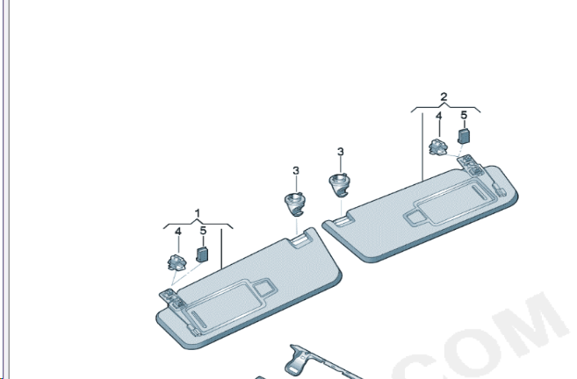 | L 5GG 857 551 E 4FG | id6
sunshade grey |  | L 5GG 857 552 E 4FG | id6
Roof racks | 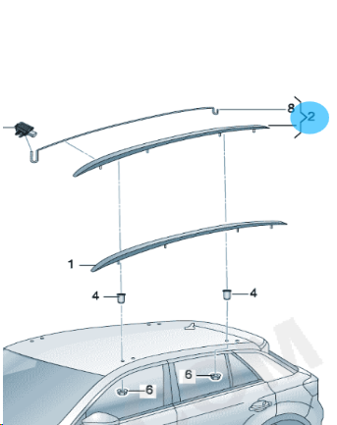 | 12G 860 043 A | ID6C
Roof racks |  | 12G 860 044 A | ID6C
In front of the skylight drain | 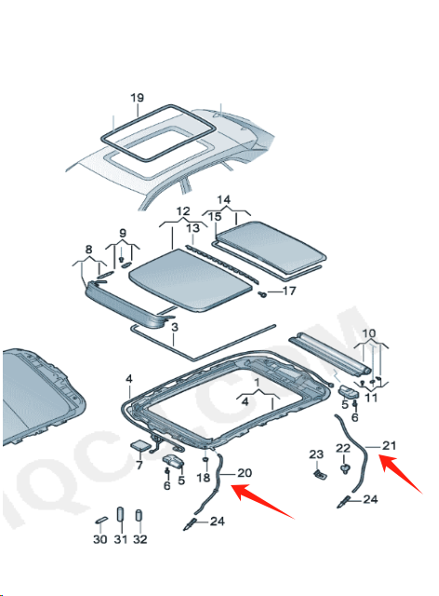 | L 12D 877 201 | 1D6C
behind the sunroof drain |  | L 12D 877 203 A | ID6C
workbench |  | L 12G 857 003 8W8 | id6c
Head-up display |  |  | id6c
Wiper |  | L 12G 955 425 L 12G 955 426 | ID6
Rear wipers |  | L 12D 955 427 | ID6C
Rear wiper arm |  | L 12D 955 707 | ID6C
Rear wiper arm cover |  | L 12D 955 435 | ID6C
Charging port cover |  | L 1EA 971 393 A | ID6 ID4
Battery base |  | L 0Z1 998 003 A | ID6
Blind spot identification Control unit |  | L 2QD 907 685 D | ID6
Blind spot identification Control unit |  | L 2QD 907 686 D | id6
Radar sensors |  | L 1ED 907 561 C | id6 id4
 |  | 1EA 953 508 Q | id6 id4
Steering column |  | L 1ED 419 512 E | id6 id4
Dash bracket support L |  | L 12G 805 567 | ID6C
Dash bracket support R |  | L 12G 805 764 | ID6C
Under the rear end plate |  | L 12D 813 309 | ID6 ID6X
After the rear end plate |  | L 12D 813 301 | ID6 ID6X
Base plate trim L | 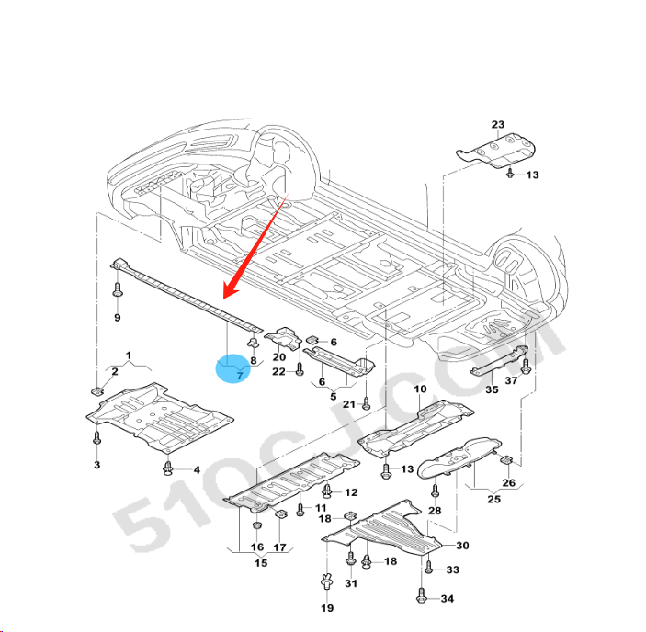 | L 1EA 825 201 A | ID6 ID6X
Base plate trim R |  | L 1EA 825 202 A | ID6 ID6X
The lid is locked |  | L 12D 823 509 | ID6 ID6X
The lid cable is short | 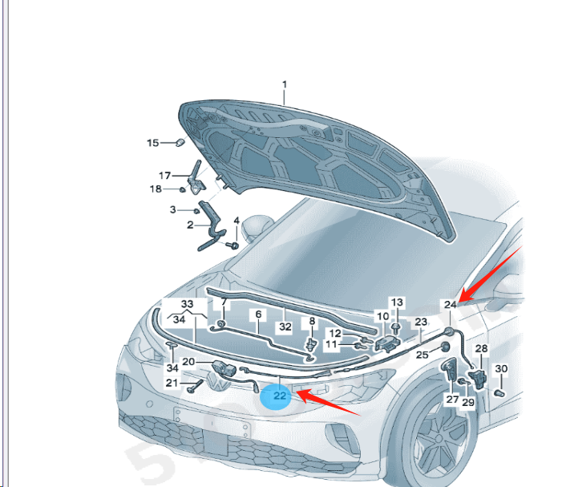 | L 12D 823 531 | ID6 ID6X
The cover cable is long |  | L 12D 823 535 | ID6 ID6X
empennage |  | L 12G 827 933 GRU | ID6C
Rear hatch canopy switch |  | L 30G 827 566 | ID6
Rear hatch canopy hinge L | 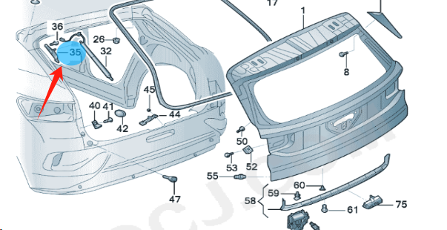 | L 12G 827 427 A | ID6C
Rear hatch canopy hinge R |  | L 12G 827 428 A | ID6C
Rear hatch lock hook |  | L 8VD 827 507 H | ID6 ID6X
Rear hatch cover buffer block | 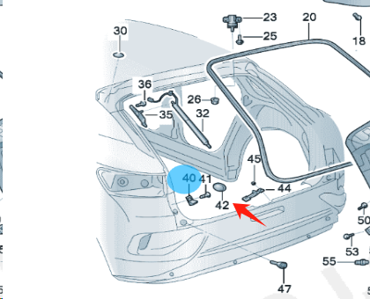 | L 12D 827 339 | ID6 ID6X
Card slot wedges |  | L 12D 827 250 | ID6 ID6X
Hatch cover hinges | 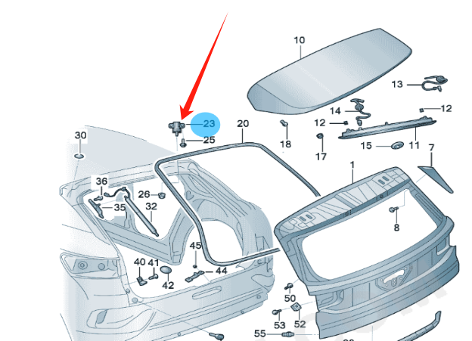 | L 5TD 827 301 | ID6 ID6X
Rear hatch cover seals |  | L 12D 827 705 A | ID6 ID6X
High-mounted brake signal |  | L 5HG 945 087 | ID6C ID4
air outlet |  | L 12G 819 728 SZB | ID6CROZZ
Rear exhaust air vents |  | L 12G 819 203 HUZ | ID6CROZZ
Air nozzle L |  | 12G 819 703 | ID6CROZZ
Air nozzle R |  | 12G 819 704 | ID6CROZZ
Door stopper front |  | L 12G 837 249 | ID6CROZZ
Rear of the door stopper |  | L 12G 839 249 | ID6CROZZ
Seals | 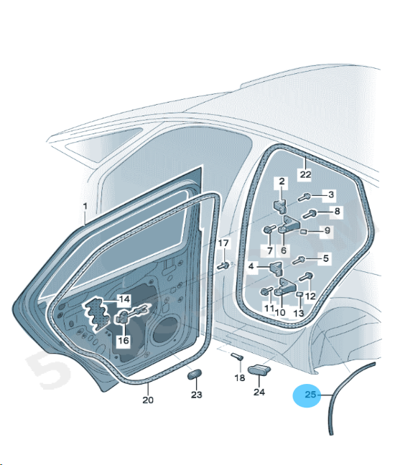 | 12D 839 119 A | ID6 ID6X
Seals |  | 12D 839 120 A | ID6 ID6X
Door and window frame bezel front |  | 12D 837 901 A | ID6 ID6X
Door and window frame bezel front |  | 12D 837 902 A | ID6 ID6X
Window rails in front |  | L 12G 837 439 A 5AP | ID6CROZZ
Window rails in front |  | L 12G 837 440 A 5AP | ID6CROZZ
Window weatherstrip outside the front |  | L 12D 837 477 5AP | ID6 ID6X
Window weatherstrip outside the front |  | L 12D 837 478 5AP | ID6 ID6X
Door and window frame bezel front L |  | L 12D 839 901 A 041 | ID6 ID6X
Door and window frame bezel front R |  | L 12D 839 902 A 041 | ID6 ID6X
Door glass front L |  | L 12D 845 201 A | ID6 ID6X
Door glass front R |  | L 12D 845 202 A | ID6 ID6X
Door glass rear L |  | L 12D 845 025 A | ID6 ID6X
Door glass rear R |  | L 12D 845 026 A | ID6 ID6X
Front triangular glass L |  | L 12D 845 113 5AP | ID6 ID6X
Front triangular glass R |  | L 12D 845 114 5AP | ID6 ID6X
The rear door glass is small L |  | L 12D 845 213 A 5AP | ID6 ID6X
The rear door glass is small R |  | L 12D 845 214 A 5AP | ID6 ID6X
side window glass L |  | L 12D 845 041 C 5AP | ID6 ID6X
side window glass R |  | L 12D 845 042 C 5AP | ID6 ID6X
Sunroof seals |  | L 12G 877 459 B | ID6CROZZ
Bumper harness |  | L 12G 971 095 B | ID6CROZZ
loudspeaker Engine noise formation |  | L 12G 035 335 A | ID6CROZZ
Bumper harness rear | 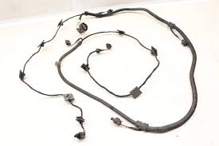 | L 12G 971 104 A | ID6CROZZ
DOOR HANDLE KIT | 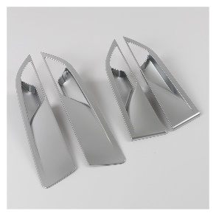 | 12D837025 | ID6
External handle cover | 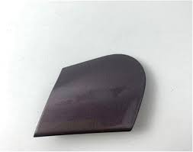 | 11G 837 879 | ID4 ID6
ID6 | 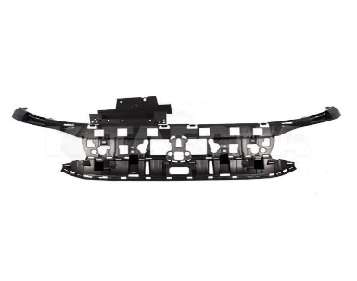 | 12G 807 231 | ID6
ID6 CR |  | 12G 867 501 A 0T7 | Inner roof
ID6 CR |  | 12G 867 501 0T7 | Inner roof
ID6 CR |  | 12G945207 | LH
ID6 CR |  | 12G945208 | RH
ID6 CR |  | 12G 945 307
ID6 CR |  | 12G821135 | LH
ID6 CR |  | 12G821136 | RH
Rearview mirrors are high-spec |  | 12D 857 507 C 12D 857 508 C | ID6CROZZ
Rearview mirrors are high-spec |  | 12D 857 507 12D 857 508 | ID6CROZZ
Roof airbags |  | 12D 880 741 | ID6
Roof airbags |  | 12D 880 742 | id6
Seat airbags |  | 12D 880 241 D | ID6
Seat airbags |  | 12D 880 242 D | ID6
Seat belt front |  | L 12D 857 705 B RAA | 1D6
Seat belt front |  | L 12D 857 706 B RAA | 1D6
Rear seat belt left |  | L 12D 857 805 A RAA | 1D6
Rear seat belt right |  | L 12D 857 806 A RAA | 1D6
Rear seat belt |  | L 12D 857 807 A RAA | 1D6
radiator | 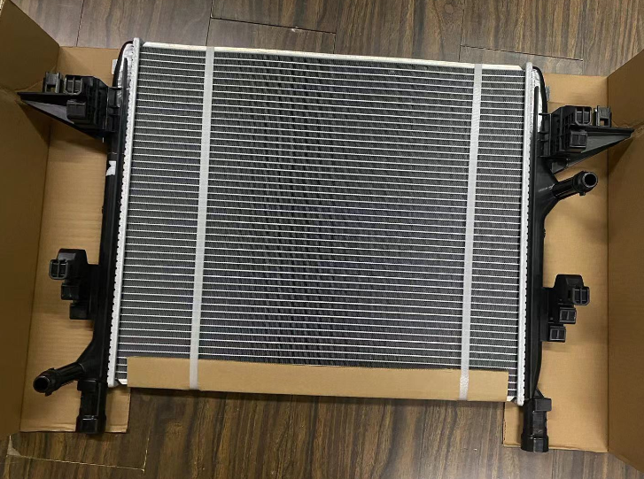 | 1ED 121 251 | id4.id6
ID6 | 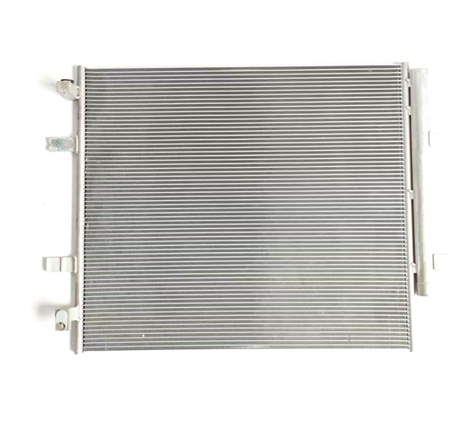 | L 1ED 816 411 B | id4.id6
Air conditioning grid |  | 1ED 819 644 | id4.id6
Air conditioning grid |  | 1ED 819 653 | id4.id6
Front bumper bracket |  | 12G 807 050 | ID6
Front bumper bracket |  | 12G 807 049 | ID6
Front bumper bracket |  | L 12G 807 183 A | ID6
Front bumper bracket |  | L 12G 807 184 A | ID6
Front bumper bracket | 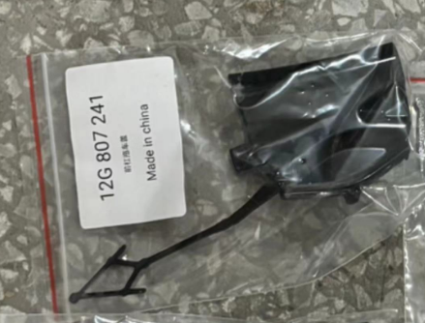 | 12G 807 241 | ID6
rear bumper buckle |  | 12G 807 394 | ID6
rear bumper buckle |  | 12G 807 394 A | ID6
rear bumper buckle |  | 12G 807 393 | ID6
rear bumper buckle |  | 12G 807 393 A | ID6
Rear Bumper Fixing Strip | 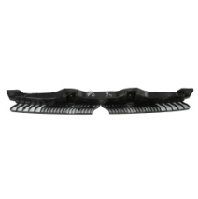 | 12G 807 863 | ID6
ID6 |  | 12G 807 248 | ID6
Bracket |  | 12G 807 884 | ID6
Bracket |  | 12G 807 883 | ID6
Locking Piece |  | 12G 853 949 | ID6
Locking Piece | 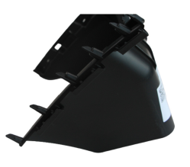 | 12G 853 950 | ID6
Radiator fan with fan ring |  | 1ED 121 203 A | id4.id6
Fender L | 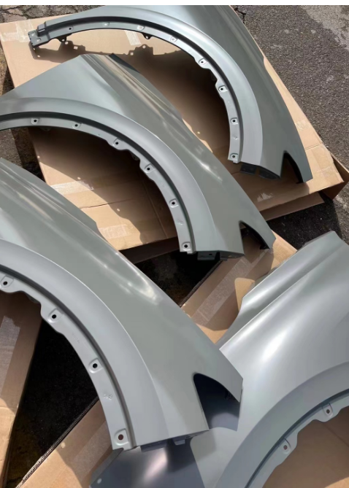 | 12G 821 021 | ID6
Fender R |  | 12G 821 022 | ID6
Rear Cabin Cover |  | 12G 827 025 | ID6
front hatch |  | 12D 823 031 | ID6
shock absorber |  | 1ED 413 023 D | id6
Shock Absorber |  | 1ED 513 049 K | id6
Lift switch |  | 11D 959 862 J | ID6
Swing arm | 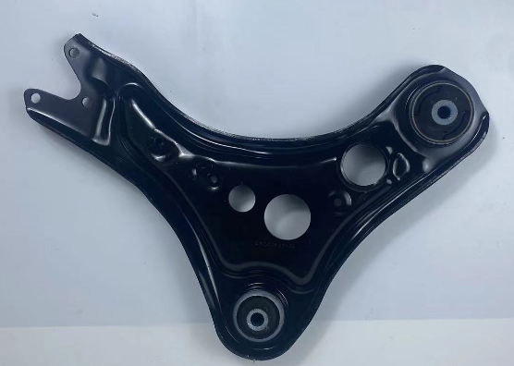 | L 1ED 407 151 C | ID6 ID4
Swing arm |  | L 1ED 407 152 C | ID6 ID4
Connecting rods |  | L 1ED 411 315 | ID6 ID4
Ball joints | 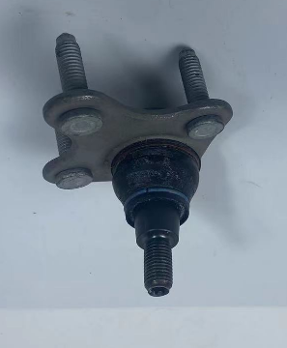 | L 1ED 407 365 | ID6 ID4
Ball head inside the steering gear |  | L 1ED 423 810 | ID6 ID5
Steering gear outer ball joint |  | L 1ED 423 811 A | ID6 ID6
Front bearing | 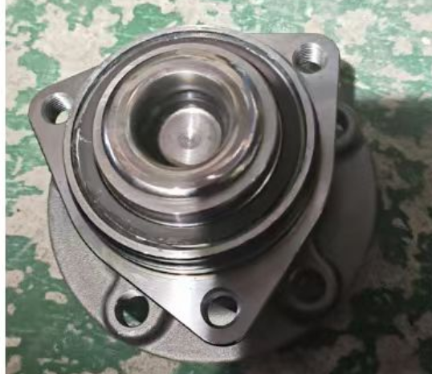 | L 5QF 501 611 B | ID6 ID4
Rear bearings |  | L 1ED 407 621 A | ID6 ID4
Rear connecting rod |  | L 1ED 505 465 A | ID6 ID4
Rear connecting rod |  | L 1ED 505 466 A | ID6 ID4
ID6 |  | 1ED 407 253 | ID6 ID4
ID6 |  | 1ED 407 254 | ID6 ID4
rear horn |  | L 1ED 505 433 C | ID6
rear horn |  | L 1ED 505 434 C | ID6
Ventilation grille |  | 12G 854 661 | id6
Ventilation grille |  | 12G 854 662 | id6
ID6 | 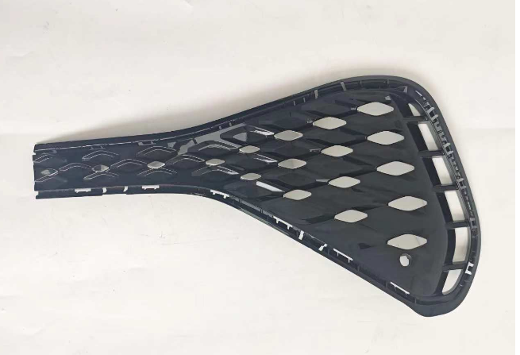 | 12G 854 661A | ID6
ID6 |  | 12G 854 662A | ID6
Anti-collision beam bumper |  | 12G 807 109 B | id6
Spoiler |  | 12G 805 903 | id6
Spoiler |  | 12G 805 903A 041 | id6
Ventilation grille |  | 12G 853 671 | id6
Anti-drilling and collision fence for car bottom |  | 12G 807 532 | id6
Rear windshield |  | 12D 845 051 E | id6
Wheel decorative cover |  | 12D 853 717 | id6
Wheel decorative cover |  | 12D 853 718 | id6
Wheel decorative cover |  | L 12D 854 819 9B9 | id6
Wheel decorative cover |  | L 12D 854 820 9B9 | id6
Wheel decorative cover |  | 12D 853 817 | id6
Wheel decorative cover |  | 12D 853 818 | id6
Wheel cover inner plate-plastic |  | 12D 805 911 B | id6
Wheel cover inner plate-plastic |  | 12D 805 912 B | id6
Wheel cover inner plate |  | 12D 810 971 | id6
Wheel cover inner plate |  | 12D 810 972 | id6
ID6 |  | 12G 805 915 | id6
ID6 |  | 12G 807 285 | id6
ID6 |  | 12D 805 825 | ID6
ID6 |  | 12D 805 826 | ID6
ID6 |  | 12G 121 293 | ID6
front bracket support |  | 12G805567 | ID6
front bracket support |  | 12G805764 | ID6
1D6CR |  | 12G 821 431
ID6CR |  | 12G 821 432 | ID6CR
ID6 CROZZ ID6X |  | L 12G 807 305
ID6 |  | L 12G 809 605
ID6 |  | L 12G 809 606
ID6 |  | 12G 805 563 B
ID6 |  | 12D 831 055
ID6 |  | 12D 831 056
ID6 |  | 12D 833 055
ID6 |  | 12D 833 056
ID4 |  | L 11G 877 041 B 8W
ID6CR |  | 12G 877 041 B
ID4 |  | L 11G 877 069
ID6 |  | L 12G 877 069
ID6CROZZ |  | 12D 853 939A
ID6CROZZ |  | 12D 853 940A
ID6CROZZ |  | 12D 853 949 A
ID6CROZZ |  | 12D 853 950 A
ID6CROZZ |  | 12D 819 403
ID6CROZZ |  | L 5WD 937 125
ID6CROZZ |  | L 1ED 907 361

 | ID 4.ID 6 product list
NO | PIC | Coding |  | DESCRIPTIO N | DESCRIPTION | PCS
1 |  | 11A 809 957A | ID4 | 前叶子板内衬左 | Front fender lining L | PCS
2 |  | 11A 809 958A | ID4 | 前叶子板内衬右 | Front fender lining R | PCS
3 |  | 11A 853 717 | ID4 | 前左轮眉 | Front wheel trims/Wheel eyebrow L | PCS
4 |  | 11A 853 718 | ID4 | 前右轮眉 | Front wheel trims/Wheel eyebrow R | PCS
5 |  | 11A 853 817 | ID4 | 后左轮眉 | Rear wheel trims/Wheel eyebrow L | PCS
6 |  | 11A 853 818 | ID4 | 后右轮眉 | Rear wheel trims/Wheel eyebrow R | PCS
7 |  | 11A 854 939 | ID4 | 前左车门饰板 | Front door trim panel L | PCS
8 |  | 11A 854 940 | ID4 | 前右车门饰板 | Front door trim panel R | PCS
9 |  | 11A 854 949 | ID4 | 后左车门饰板 | Rear door trim panel L | PCS
10 |  | 11A 854 950 | ID4 | 后右车门饰板 | Rear door trim panel R | PCS
11 |  | 11G 807 883A | ID4 | 前杠支架左 | Front bumper bracket L | PCS
12 |  | 11G 807 884A | ID4 | 前杠支架右 | Front bumper bracket R | PCS

13 |  | 11G 807 883 | ID4 | 前杠支架左 | Front bumper bracket L | PCS
14 |  | 11G 807 884 | ID4 | 前杠支架右 | Front bumper bracket R | PCS
15 |  | 11G 853 665A | ID4 | 保险杠盖板钢琴漆左 | piano paint Bumper cover L | PCS
16 |  | 11G 853 666A | ID4 | 保险杠盖板钢琴漆右 | piano paint Bumper cover R | PCS
17 |  | 11G 807 183A | ID4 | 导向支架左 | guide bracket L/ BRKT- guide | PCS
18 |  | 11G 807 184A | ID4 | 导向支架右 | guide bracket R/ BRKT- guide | PCS
19 |  | 11G 807 482A | ID4 | 后杠饰板钢琴漆 | Piano paint rear bumper trim | PCS
20 |  | 11G 807 217 | ID4 | 前保险杠 | Front bumper | PCS
21 |  | 11G 807 433 9B9 | ID4 | 后杠导流板 | Rear spoiler | PCS
22 |  | 11G 807 983 | ID4 | 后保险杠 | Rear bumper/L | PCS
23 |  | 11G 807 984 | ID4 | 后保险杠 | Rear bumper/R | PCS
24 |  | 11G 121 293 | ID4 | 框架泡沫 | Frame foam | PCS
25 |  | 11G 807 109 B | ID4 | 前杠骨架 | Front Bar frame | PCS

26 |  | 11G 807 248 | ID4 | 前杠泡沫 | Front Bar foam | PCS
27 |  | 11G 853 671 9B9 | ID4 | 通风格栅下 | Under the ventilation grille | PCS
28 |  | 11G 807 568 | ID4 | 后保险杠附件 | Lower Valance Diffuser Panel | PCS
29 |  | 11G 853 333 | ID4 |  | rear bumper trim | PCS
30 |  | 11G 807 231 | ID4 | 前保险杠附件 | front bumper parts | PCS
31 |  | 11G 853 665 | ID4 | 保险杠盖板麻面L | Insurance bumper lid hemp surface R/L | PCS
32 |  | 11G 853 666 | ID4 | 保险杠盖板麻面R | Insurance bumper lid hemp surface R/L | PCS
33 |  | 11G 853 949 | ID4 | 止锁件 | Locking parts | PCS
34 |  | 11G 853 950 | ID4 | 止锁件 | Locking parts | PCS
35 |  | 11G 807 763 | ID4 | 雾灯框L | Fog light box L | PCS
36 |  | 11G 807 764 | ID4 | 雾灯框R | Fog light box R | PCS
37 |  | 11G 807 285 A | ID4 | 牌照板 | License plate | PCS
38 |  | 11G 807 241 | ID4 | 牵引盖 | Lid noodle bumper | PCS

39 |  | 11G 805 915 A | ID4 | 前杠导流板 | Front spoiler | PCS
40 |  | 11G 807 532 2UC | ID4 | 前杠饰条 银 | Front bar trim silver | PCS
41 |  | 11G 807 482 | ID4 | 后杠导流板 | Rear bumper guide plate | PCS
42 |  | 11G 857 003 | ID4 | 工作台 | Workbench | PCS
43 |  | 11G 857 003 A | ID4 | 工作台 | Workbench | PCS
44 |  | 11A 805 825A | ID4 | 空气导管 | Air duct | PCS
45 |  | 11A 805 826A | ID4 | 空气导管 | Air duct | PCS
46 |  | 1EA 121 281 C | ID4 | 空气导管 | Air duct | PCS
47 |  | 1EA 121 281 D | ID4 | 空气导管 | Air duct | PCS
48 |  | 11G 805 563 B | ID4 | 龙门架 | Water tank frame | PCS
49 |  | 11A 821 021 | ID4 | 前叶子板 L | Front leaf plate L | PCS
50 |  | 11A 821 022 | ID4 | 前叶子板R | Front leaf plate R | PCS
51 |  | 11G 807 393 | ID4 | 后保险杠支架L | Rear bumper bracket | PCS

52 |  | 11G 807 394 | ID4 | 后保险杠支架 R | Rear bumper bracket | PCS
53 |  | 11G 807 393A | ID4 | 后保险杠支架L | Rear bumper bracket | PCS
54 |  | 11G 807 394A | ID4 | 后保险杠支架 R | Rear bumper bracket | PCS
55 |  | 11G 807 049 | ID4 | 前保险杠支架L | Front bumper bracket | PCS
56 |  | 11G 807 050 | ID4 | 前保险杠支架 R | Front bumper bracket | PCS
57 |  | 11A 823 405A | ID4 | 支座 | Support | PCS
58 |  | 11A 823 406A | ID4 | 支座 | Support | PCS
59 |  | 11G 805 367 | ID4 | 支座 | Support | PCS
60 |  | 1EA 825 529 | ID4 | 护板 | Guard plate | PCS
61 |  | 1EA 825 530 | ID4 | 护板 | Guard plate | PCS
62 |  | 1EA 825 117 | ID4 | 支架 | Guard plate | PCS
63 |  | 1EA 825 118 | ID4 | 支架 | Guard plate | PCS
64 |  | 11G 805 567 | ID4 | 骨架支架L | Skeleton bracket | PCS

65 |  | 11G 805 764 | ID4 | 骨架支架R | Skeleton bracket | PCS
66 |  | 1EA 825 236 C | ID4 | 底板饰板 | Baseboard trim | PCS
67 |  | 11A 825 523 | ID4 | 底板饰板 | Baseboard trim | PCS
68 |  | 1EA 825 102 C | ID4 | 底板饰板 | Baseboard trim | PCS
69 |  | 11A 823 031 A | ID4 | 引擎盖 | bonnet | PCS
70 |  | 11A 827 025 | ID4 | 行李箱盖 | Luggage cover | PCS
71 |  | 11A 831 055A | ID4 | 前车门 L | car door | PCS
72 |  | 11A 831 056A | ID4 | 前车门 R | car door | PCS
73 |  | 11A 833 055 | ID4 | 后车门 L | car door | PCS
74 |  | 11A 833 056 | ID4 | 后车门 R | car door | PCS
75 |  | 11A 853 601 A | ID4 | 标记 | logo | PCS
76 |  | 11G 853 600 | ID4 | 带灯标记 | logo | PCS
77 |  | 11D 601 171 | ID4 | 轮毂盖小 | logo | PCS

78 |  | 11G 853 630 | ID4 | 后盖标记 | logo | PCS
79 |  | 11G 853 687 C | ID4 | 字标ID.4 | ID 4 LIGO | PCS
80 |  | 11G 853 688 XXG | ID4 | 叶子板字标 L | Leaf Plate logo | PCS
81 |  | 11G 853 689 XXG | ID4 | 叶子板字标 R | Leaf Plate logo | PCS
82 |  | 11G 853 688 C XXG | ID4 | 车门字标 L | car door logo | PCS
83 |  | 11G 853 689 C XXG | ID4 | 车门字标 R | car door logo | PCS
84 |  | 11G 809 909 | ID4 | 油箱盖 | Fuel tank cover | PCS
85 |  | 11G 809 857 GRU | ID4 | 油箱盖总成 | Oil tank cover Assembly | PCS
86 |  | 11G 941 035 | ID4 | 前照明左 | Front lighting L | PCS
87 |  | 11G 941 036 | ID4 | 前照明右 | Front lighting R | PCS
88 |  | 11G 941 006 | ID4 | 前照明右 | Front lighting R | PCS
89 |  | L11G941005 | ID4 | 前照明左 | Front lighting L | PCS
90 |  | 11G 945 095 | ID4 | 尾灯 L | Tail Light | PCS

91 |  | 11G 945 096 | ID4 | 尾灯R | Tail Light | PCS
92 |  | 11G 945 093 | ID4 | 尾灯中间 | Tail Light | PCS
93 |  | 11G 945 207 | ID4 | 尾灯 L | Tail Light L | PCS
94 |  | 11G 945 208 | ID4 | 尾灯R | Tail Light R | PCS
95 |  | 11G 945 307 | ID4 | 尾灯中间 | Tail Light | PCS
96 |  | 11G 949 101 | ID4 | 镜灯 | Mirror lamp | PCS
97 |  | 11G 949 102 | ID4 | 镜灯 | Mirror lamp | PCS
98 |  | 11D 959 561 D | ID4 | 顶棚灯 | Ceiling Lamp | PCS
99 |  | 11G 945 701 | ID4 | 反光灯 | Backlight | PCS
100 |  | 11G 945 702 | ID4 | 反光灯 | Backlight | PCS
101 |  | 11G 857 537 A | ID4 | 倒车镜壳L | Reversing mirror shell L | PCS
102 |  | 11G 857 538 A | ID4 | 倒车镜壳R | Reversing mirror shell R | PCS
103 |  | 11G 857 537 | ID4 | 倒车镜壳辅助L | Reversing mirror shell L | PCS

104 |  | 11G 857 538 | ID4 | 倒车镜壳辅助 R | Reversing mirror shell R | PCS
105 |  | 11G 857 507 | ID4 | 倒车镜R/L 15 插 | Reversing mirror shell L | PCS
106 |  | 11G 857 508 | ID4 | 倒车镜R/L 15 插 | Reversing mirror shell R | PCS
107 |  | 11G 857 507C | ID4 | 倒车镜R/L 19 插 | Reversing mirror shell L | PCS
108 |  | 11G 857 508C | ID4 | 倒车镜R/L 19 插 | Reversing mirror shell R | PCS
109 |  | 11G 857 521 | ID4 | 倒车镜片R/L | Reversing lens L | PCS
110 |  | 11G 857 522 | ID4 | 倒车镜片R/L | Reversing lens R | PCS
111 |  | 11G 837 205 | ID4 | 外拉手 | Handle | one set for 4 PCS
112 |  | 11G 837 206 | ID4 | 外拉手 | Handle | one set for 4 PCS
113 |  | 11G 839 205 | ID4 | 外拉手 | Handle | one set for 4 PCS
114 |  | 11G 839 206 | ID4 | 外拉手 | Handle | one set for 4 PCS
115 |  | 1ED 407 152A | ID4 | 三角臂R | Triangle arm R | PCS
116 |  | 1ED 407 151A | ID4 | 三角臂 L | Triangle arm L | PCS

117 |  | 5QF 501 611B | ID4 | 前轮轴承 | Rear wheel bearing | PCS
118 |  | 1ED 423 810 | ID4 | 横拉杆 | Horizontal pull rod | PCS
119 |  | 1ED 423 811 A | ID4 | 内球头 | Horizontal pull rod | PCS
120 |  | 1EA 505 465 | ID4 | 连接杆 L | Horizontal pull rod L | PCS
121 |  | 1EA 505 466 | ID4 | 连接杆 R | Horizontal pull rod R | PCS
122 |  | 1EA 412 331 B | ID4 | 前减顶胶 | Front damping bearing | PCS
123 |  | 1ED 615 301 A | ID4 | 前刹车盘 | Brake disc | PCS
124 |  | 1EA 413 023 AF | ID4 | 减震器 | Shock absorber | PCS
125 |  | 1ED 413 023 B | ID4 | 减震器 | Shock absorber | PCS
126 |  | 1ED 513 049 A | ID4 | 后减震 | Rear shock | PCS
127 |  | 3QF 413 175 | ID4 | 前减震器防尘套 | Shock absorber Dust cover | PCS
128 |  | 1EA 513 425 C | ID4 | 后减震器防尘套 | Shock absorber Dust cover | PCS
129 |  | 1ED 423 831 | ID4 | 方向机防尘套 | Steering Dust cover | PCS

130 |  | 1ED 121 251 | ID4 | 散热器 | radiator | PCS
131 |  | 1ED 816 411 A | ID4 | 冷凝器 | Condenser | PCS
132 |  | 1ED 121 407 | ID4 | 付水壶 | Expansion Tank | PCS
133 |  | 1ED 955 453 A | ID4 | 喷水壶 | Expansion Tank | PCS
134 |  | 1ED 816 797 | ID4 | 压缩机 | compressor | PCS
135 |  | 1ED 816 808 | ID4 | 压缩机 | compressor | PCS
136 |  | 8V0 862 159 A | ID4 | 油箱马达 | Electric Fuel Tank Original Lock Valve | PCS
137 |  | 11D 941 193 A | ID4 | 大灯开关 | Headlight Switch | PCS
138 |  | 11D 959 862 E | ID4 | 升降开关 | Lifter switch | PCS
139 |  | 11D 959 862 D | ID4 | 升降开关 | Lifter switch | PCS
140 |  | 5GG 959 855 D | ID4 | 升降开关 | Lifter switch | PCS
141 |  | 1ED 819 644 | ID4 | 空调格 | Air conditioning grid | PCS
142 |  | 1ED 819 653 | ID4 | 空调格 | Air conditioning grid | PCS

143 |  | 11G 823 531 | ID4 | 拉线短 | Cable | PCS
144 |  | 11G 827 851 A | ID4 | 电动撑杆 | Electric Tailgate Gas Strut | PCS
145 |  | 11D 823 509 A | ID4 | 机盖锁下 | Cover Lock | PCS
146 |  | 11D 823 186 A | ID4 | 机盖锁上 | Cover Lock | PCS
147 |  | 11G 800 375 G | ID4 | 全车锁 | lock | PCS
148 |  | 11A 853 856 9B9 | ID4 |  | Stvle side skirts | PCS
149 |  | 11A 853 855 9B9 | ID4 |  | Stvle side skirts | PCS
150 |  | 11A 854 950 9B9 | ID4 |  | Door Molding | PCS
151 |  | 11A 854 949 9B9 | ID4 |  | Door Molding | PCS
152 |  | 11A 854 940 9B9 | ID4 |  | Door Molding | PCS
153 |  | 11A 854 939 9B9 | ID4 |  | Door Molding | PCS
154 |  | 11A 971 095 | ID4 |  |  | PCS
155 |  | 11A 971 095 AP | ID4 |  |  | PCS

156 |  | 11A 971 095 R | ID4 |  |  | PCS
157 |  | 11B 971 104 | ID4 |  |  | PCS
158 |  | 11B 971 104 A | ID4 |  |  | PCS
159 |  | 11D 823 186 B | ID4 |  |  | PCS
160 |  | 11D 959 862 C ZWK | ID4 |  | Power window lifter switch | PCS
161 |  | 11D 959 862 D WHS | ID4 |  | Power window lifter switch | PCS
162 |  | 11D 959 862 E WHS | ID4 |  | Power window lifter switch | PCS
163 |  |  |  | 装饰条盖罩 | trim cover
164 |  | 11G 805 915 A 9B9 | ID4 |  | Spoiler Bracket (Satin Black) | PCS
165 |  | 11G 807 217 GRU | ID4 |  | Bumper cover (primed) | PCS
166 |  | 11G 807 241 GRU | ID4 |  | Cover Towing Hook (primed) | PCS
167 |  | 11G 807 287 | ID4 |  | License Plate Bracket (Satin Black) | PCS
168 |  | 11G 807 441 9B9 | ID4 |  | Cover Towing Hook (primed) | PCS
169 |  | 11G 807 984 GRU | ID4 |  | Bumper cover (Rear) | PCS
170 |  | 11G 807 983 GRU | ID4 |  | Bumper cover (Rear) | PCS
171 |  | 11G 853 600 AWA | ID4 |  | Trunk logo | PCS
172 |  | 11G 868 247 3HS | ID4 |  | push button on off Trunk Switch | PCS
173 |  | 11G 868 247 8W8 | ID4 |  | push button on off Trunk Switch | PCS
174 |  | 1EA 615 132 | ID4 |  | conduit holder | PCS
175 |  | 1EA 615 132 C | ID4 |  | conduit holder | PCS
176 |  | 1EA 907 556 | ID4 |  | camera control unit | PCS
177 |  | 1EA 980 654 A | ID4 |  | Car Front View Camera | PCS
178 |  | 1EB 971 111 D | ID4 |  |  | PCS
179 |  | 1EB 971 111 B | ID4 |  |  | PCS
180 |  | 1ED 121 053 | ID4 |  | coolant hose | PCS
181 |  | 1ED 412 521 | ID4 |  | sensor lever | PCS
182 |  | 1ED 412 521 A | ID4 |  | sensor lever | PCS
183 |  | 1ED 412 522 | ID4 |  | sensor lever | PCS
184 |  | 1ED 505 417 | ID4 |  | sensor lever | PCS
185 |  | 1ED 512 182 | ID4 |  | Shield Pin | PCS
186 |  | 1ED 512 521 | ID4 |  | sensor lever | PCS
187 |  | 1ED 611 775 A | ID4 |  | Brake Hose | PCS
188 |  | 1ED 611 775 | ID4 |  | Brake Hose | PCS
189 |  | 1EA 919 275 | ID4 |  | Reversing radar | PCS
190 |  | 5WA 907 651 A | ID4 |  | Accelerometer rear left | PCS
191 |  | 11D 827 505 | ID4 |  | trunk lock block | PCS
192 |  | 11G 809 909 GRU | ID4 |  | Fuel tank cap (primed) | PCS
193 |  | 11D 821 021 | ID4 | 翼子板 | Fender | PCS
194 |  | 11D 821 022 | ID4 | 翼子板 | Fender | PCS
195 |  | 12G 941 036 | ID6 | 大灯 | headlight | PCS
196 |  | 12G 941 035 | ID6 | 大灯 | headlight | PCS
197 |  | 12D 805 826 | ID6 |  | Brake Air Duct | PCS
198 |  | 12D 805 825 | ID6 |  | Brake Air Duct | PCS
199 |  | 12G 807 050 | ID6 |  | Bumper Cover Guide Bracket | PCS
200 |  | 12G 807 049 | ID6 |  | Bumper Cover Guide Bracket | PCS
201 |  | 12G 807 183 A | ID6 |  | Bumper Cover Guide Bracket | PCS
202 |  | 12G 807 184 A | ID6 |  | Bumper Cover Guide Bracket | PCS
203 |  | 12G 807 185 C9A | ID6 |  |  | PCS
204 |  | 12G 807 241 4NW | ID6 |  | Cover Towing Hook (primed) | PCS
205 |  | 12G 807 394 | ID6 |  | rear bumper buckle | PCS
206 |  | 12G 807 394 A | ID6 |  | rear bumper buckle | PCS
207 |  | 12G 807 393 | ID6 |  | rear bumper buckle | PCS

208 |  | 12G 807 393 A | ID6 |  | rear bumper buckle | PCS
209 |  | 12G 807 441 2UC | ID6 |  | Cover Towing Hook (primed) | PCS
210 |  | 12G 807 863 | ID6 |  | Rear Bumper Fixing Strip | PCS
211 |  | 12G 807 884 | ID6 |  |  | PCS
212 |  | 12G 807 883 | ID6 |  |  | PCS
213 |  | 12G 853 334 2UC | ID6 |  |  | PCS
214 |  | 12G 853 600 DPJ | ID6 |  | Trunk logo | PCS
215 |  | 12G 853 841 2ZZ | ID6 |  | Rear bumper bright strip | PCS
216 |  | 12G 853 842 2ZZ | ID6 |  | Rear bumper bright strip | PCS
217 |  | 12G 853 949 | ID6 |  |  | PCS
218 |  | 12G 854 662 4NW | ID6 |  | fog light frame | PCS
219 |  | 12G 854 661 4NW | ID6 |  | fog light frame | PCS
220 |  | 12G 854 661 A 4NW | ID6 |  | fog light frame | PCS
221 |  | 12G 854 662 A 4NW | ID6 |  | fog light frame | PCS
222 |  | 12G 854 950 041 | ID6 |  | door bumper guard | PCS
223 |  | 12G 854 949 041 | ID6 |  | door bumper guard | PCS
224 |  | 12G 854 939 041 | ID6 |  | door bumper guard | PCS
225 |  | 12G 941 654 | ID6 |  | Middle grid light | PCS
226 |  | 12G 941 653 | ID6 |  | Middle grid light | PCS
227 |  | 12G 945 103 | ID6 |  |  | PCS
228 |  | 12G 945 104 | ID6 |  |  | PCS
229 |  | 12G 945 702 | ID6 |  |  | PCS
230 |  | 12G 971 095 C | ID6 |  |  | PCS
231 |  | 12G 971 104 | ID6 |  |  | PCS
232 |  | 12G 971 104 B | ID6 |  |  | PCS
233 |  | 12G 971 171 | ID6 |  |  | PCS
234 |  | 12G 807 285 9B9 | ID6 |  | License Plate Bracket (Satin Black) | PCS
235 |  | 1ED 901 131 D | ID4 | 电驱动装置/后 | electric drive | PCS
236 |  | 0EA 906 012 B | ID4 | 控制单元，用于电动马达 硬件 | Control unit for electric motor | PCS
237 |  | 0EA 906 012 AG | ID4 | 控制单元，用于电动马达 硬件 | Control unit for electric motor | PCS
238 |  | 0EA 906 012 BQ | ID4 | 控制单元，用于电动马达 硬件 | Control unit for electric motor | PCS
239 |  | 1EA 907 572 E | ID4 | 雷达传感器 | Front Radar Sensor | PCS
240 |  | 2QD 907 685 C | ID4 | 盲区识别控制单元/左 | Control unit | PCS
241 |  | 2QD 907 686 C | ID4 | 盲区识别控制单元/右 | Control unit | PCS
242 |  | 11G 907 455 | ID4 | 控制单元支架/左 | Bracket Control unit | PCS
243 |  | 11G 907 456 | ID4 | 控制单元支架/右 | Bracket Control unit | PCS
244 |  | WHT 005 560 | ID4 | 钢板螺母 | Rear Bumper Bracket Retainer Clip | PCS
245 |  | 1EA 980 556 D | ID4 | 摄像机/后 | camera | PCS
246 |  | 1EA 980 556 E | ID4 | 带摄像头的控制单元，用于倒车影像系统 | Kamera cofania | PCS

247 |  | 1EA 907 376 B | ID4 | 电子控制减震系统控制单元 | control unit | PCS
248 |  | 1EA 907 376 C | ID4 | 电子控制减震系统控制单元 | control unit | PCS
249 |  | 1EA 915 681 CC | ID4 | 高电压蓄电池充电器 | Charge for high- voltage | PCS
250 |  | 1ED 907 190 | ID4 | 变压器 | Voltage Converter | PCS
251 |  | 1ED 907 190 A | ID4 | 变压器 | Voltage Converter | PCS
252 |  | 10A 920 320 B | ID4 | 组合仪表 | Combi-instrument | PCS
253 |  | 1ED 907 121 | ID4 | 逆变器/后 | inverter | PCS | 总成
254 |  | 1ED 121 203 A | ID4 | 散热器风扇及风扇护圈 | Radiator fan with fan ring | PCS | 正厂
255 |  | 11G 955 425 | ID4 | 流线型刮水片/ 左 | aero wiper blade | PCS | 一汽
256 |  | 11G 955 426 | ID4 | 流线型刮水片/ 右 | aero wiper blade | PCS | 一汽
257 |  | 11G 955 409 | ID4 | 流线型刮水器摆臂/左 | aero wiper arm | PCS | 一汽
258 |  | 11G 955 410 | ID4 | 流线型刮水器摆臂/右 | aero wiper arm | PCS | 一汽
259 |  | 11G 955 023 | ID4 | 刮水器支座，带刮水器马达 | window wiper motor | PCS | 正厂

260 |  | 11G 857 705 | ID4 | 三点式安全带/前左 | three-point safety belt | PCS | 正厂
261 |  | 11G 857 705 B | ID4 | 三点式安全带/前左 | three-point safety belt | PCS | 正厂
262 |  | 11G 857 705C | ID4 | 三点式安全带/前左 | three-point safety belt | PCS | 正厂
263 |  | 11G 857 706 | ID4 | 三点式安全带/前右 | three-point safety belt | PCS | 正厂
264 |  | 11G 857 706B | ID4 | 三点式安全带/前右 | three-point safety belt | PCS | 正厂
265 |  | 11G 857 706C | ID4 | 三点式安全带/前右 | three-point safety belt | PCS | 正厂
266 |  | 11G 845 011 D | ID4 | 挡风玻璃 | windscreen | PCS | 一汽
267 |  | 11G 845 011 E | ID4 | 挡风玻璃 | windscreen | PCS | 一汽
268 |  | 11G 845 011A | ID4 | 挡风玻璃 | windscreen | PCS | 一汽
269 |  | 11G 845 011 F | ID4 | 挡风玻璃 | windscreen | PCS | 一汽
270 |  | 11G 845 011 B | ID4 | 挡风玻璃 | windscreen | PCS | 一汽
271 |  | 11A 845 051 L | ID4 | 后窗玻璃 | Rear window | PCS | 一汽
272 |  | 11A 845 113 B | ID4 | 带密封条的固定车门玻璃/后左 | fixed door window with seal and window guide | PCS | 一汽

273 |  | 11A 845 114 B | ID4 | 车门玻璃/前左 | fixed door window with seal and window guide | PCS | 一汽
274 |  | 11A 845 201 | ID4 | 车门玻璃/前左 | door window | PCS | 一汽
275 |  | 11A 845 202 | ID4 | 车门玻璃/前右 | door window | PCS | 一汽
276 |  | 11A 845 025 A | ID4 | 车门玻璃/后左 | door window | PCS | 一汽
277 |  | 11A 845 026 A | ID4 | 车门玻璃/后右 | door window | PCS | 一汽
278 |  | 11A 845 213 E | ID4 | 带密封条的固定车门玻璃/后左 | fixed door window with seal | PCS | 一汽
279 |  | 11A 845 214 E | ID4 | 带密封条的固定车门玻璃/后右 | fixed door window with seal | PCS | 一汽
280 |  | 11A 845 041 A | ID4 | 侧窗玻璃/后左 | side window | PCS | 一汽
281 |  | 11A 845 042 A | ID4 | 侧窗玻璃/后右 | side window |  | 一汽
282 |  | 1EA 698 151 C | ID4 | 前刹车皮 | Front brake pad | PCS
283 |  | 1EA 407 365A | ID4 | 球头 | Ball head | PCS
284 |  | 1EA 407 182D | ID4 | 摆臂胶 | Control arm bushing | PCS
285 |  | 1EA 407 183D | ID4 | 摆臂胶 | Control arm bushing | PCS

286 |  | 1ED 407 271 | ID4 | 半轴 | Half shaft | PCS
287 |  | 1ED 407 272 | ID4 | 半轴 | Half shaft | PCS
288 |  | 1EA 407 253H | ID4 | 轴承壳体 | Wheel bearing shell | PCS
289 |  | 1EA 407 253J | ID4 | 轴承壳体 | Wheel bearing shell | PCS
290 |  | 1EA 407 254H | ID4 | 轴承壳体 | Wheel bearing shell | PCS
291 |  | 1EA 407 254J | ID4 | 轴承壳体 | Wheel bearing shell | PCS
292 |  | 1EA 413 032P | ID4 | 气压减震器 | Inflatable pressure shock absorber | PCS
293 |  | 1EA 411 315 | ID4 | 连接杆 | Stabilizer Link | PCS
294 |  | 1EA 411 315 c | ID4 | 连接杆 | Stabilizer Link | PCS
295 |  | 1EA 411 303N | ID4 | 稳定杆总成 | Stabilizer rod assembly | PCS
296 |  | 12D 845 041 C | ID6 | 侧窗玻璃/后左 | Rear left window glass | PCS
297 |  | 12D 845 042C | ID6 | 侧窗玻璃/后右 | Rear right window glass | PCS
298 |  | 12D 845 051E | ID6 | 后窗玻璃 | Rear Window Glass | PCS

299 |  | 12G 845 011D | ID6 | 挡风玻璃 | Windshield | PCS
300 |  | 12D 845 213A | ID6 | 带密封条的固定车门玻璃/后左 | Fixed door glass with sealing strip | PCS
301 |  | 12D 845 214A | ID6 | 带密封条的固定车门玻璃/后右 | Fixed door glass with sealing strip | PCS
302 |  | 12D 845 113 | ID6 | 带密封条和车窗导向槽的固定车门玻璃/前左 | Fixed door glass with seal strip and window guide slot | PCS
303 |  | 12D 845 114 | ID6 | 带密封条和车窗导向槽的固定车门玻璃/前右 | Fixed door glass with seal strip and window guide slot | PCS
304 |  | 12D 845 201A | ID6 | 车门玻璃/前左 | Door glass | PCS
305 |  | 12D 845 202A | ID6 | 车门玻璃/前右 | Door glass | PCS
306 |  | 12D 845 025A | ID6 | 车门玻璃/后左 | Rear Left Door Glass | PCS
307 |  | 12D 845 026A | ID6 | 车门玻璃/后右 | Rear right door glass | PCS
308 |  | 10A 907 574A | ID4 | 雷达传感器支架 | Radar sensor bracket | PCS
309 |  | 12G 821 021 | ID6 | 翼子板/左 | Fender L | PCS
310 |  | 12G 821 022 | ID6 | 翼子板/右 | Fender R | PCS
311 |  | 12G 821 135 | ID6 | 翼子板支撑件/左 | Fender support | PCS

312 |  | 12G 821 136 | ID6 | 翼子板支撑件/右 | Fender support | PCS
313 |  | 12D 821 431 | ID6 | 翼子板支架/左 | Fender bracket | PCS
314 |  | 12D 821 432 | ID6 | 翼子板支架/右 | Fender bracket | PCS
315 |  | 12G 827 025 | ID6 | 后舱盖 | Rear Cabin Cover | PCS
316 |  | 12G 827 933 | ID6 | 扰流板后舱盖 | Spoiler Rear Cabin Cover | PCS
317 |  | 12D 833 055 | ID6 | 车门/后左 | Door | PCS
318 |  | 12D 833 056 | ID6 | 车门/后右 | Door | PCS
319 |  | 12G 831 055 | ID6 | 车门/前左 | Door | PCS
320 |  | 12G 831 056 | ID6 | 车门/前右 | Door | PCS
321 |  | 12D 823 031 | ID6 | 前舱盖 | Front Cabin Cover | PCS
322 |  | 1EA 199 315H/J | ID4 | 机组支架 | Unit Support | PCS
323 |  | 1EA 199 599B | ID4 | 机组支架横梁 | Unit support beam | PCS
324 |  | 1EA 199 555B | ID4 | 变速箱支架 | Gearbox support | PCS

325 |  | 1EB 423 062 L | ID4 | 转向器方向盘 | Steering gear | PCS
326 |  | 1ED 820 034 A | id6 |  | Decoupling element | PCS
327 |  | 1ED 816 721 | id6 |  | Refrigerant pipeline | PCS
328 |  | 1ED 816 111 | id6 |  | Heat exchanger | PCS
329 |  | 1ED 820 741 D | id6 |  | Refrigerant pipeline | PCS
330 |  | 1ED 816 743 B | id6 |  | Refrigerant pipeline | PCS
331 |  | 4M0 959 603 E | id6 |  | Pressure and temperature sensors | PCS
332 |  | 1ED 820 739 | id6 |  | Refrigerant tube | PCS
333 |  | 1ED 816 732 | id6 |  | Refrigerant tube | PCS
334 |  | 1ED 816 087 | id6 |  | Heat exchanger bracket | PCS
335 |  | 1ED 816 515 | id6 |  | Gas cooler | PCS
336 |  | 1EA 816 530 H | id6 |  | Refrigerant pipeline | PCS
337 |  | 4N0 959 126 H | id6 |  | Pressure and temperature sensors | PCS

338 |  | 1EA 816 545 J | id6 |  | Refrigerant pipeline | PCS
339 |  | 1EA 816 582 | id6 |  | Dryer | PCS
340 |  | 1EA 816 571 A | id6 |  | Bracket | PCS
341 |  | 1ED 816 701 A | id6 |  | Refrigerant stop valve | PCS
342 |  | 1ED 816 702 A | id6 |  | Refrigerant stop valve | PCS
343 |  | 1ED 816 681 A | id6 |  | Expansion valve | PCS
344 |  | 1ED 816 682 A | id6 |  | Expansion valve | PCS
345 |  | 1ED 407 151 | id6 |  | Control arm | PCS
346 |  | 1ED 407 152 | id6 |  | Control arm | PCS
347 |  | 1ED 407 117 | id6 |  | Cross arm trim plate | PCS
348 |  | 1ED 407 118 | id6 |  | Cross arm trim plate | PCS
349 |  | 1ED 407 253 | id6 |  | Wheel bearing housing | PCS
350 |  | 1ED 407 254 | id6 |  | Wheel bearing housing | PCS
351 |  | 1ED 407 253 A | id6 |  | Wheel bearing housing | PCS
352 |  | 1ED 407 254 A | id6 |  | Wheel bearing housing | PCS
353 |  | 1EA 412 521 B | id6 |  | Liquid level sensor and pull rod | PCS
354 |  | 1EA 412 522 B | id6 |  | Liquid level sensor and pull rod | PCS
355 |  | 1ED 413 023 D | id6 |  | shock absorber | PCS
356 |  | 1EA 413 032 G | id6 |  | Stabilizer Link | PCS
357 |  | 1EA 411 303 P | id6 |  | Stabilizer rod assembly | PCS
358 |  | 5QD 412 249 A | id6 |  | Shock Absorber bearing | PCS
359 |  | 1ED 501 203 B/F | id6 |  | Half shaft assembly | PCS
360 |  | 1ED 501 204 B/F | id6 |  | Half shaft assembly | PCS
361 |  | 1ED 505 433 C | id6 |  | Wheel bearing housing | PCS
362 |  | 1ED 505 434 C | id6 |  | Wheel bearing housing | PCS
363 |  | 1ED 407 621 | id6 |  | Wheel hub and bearing | PCS
364 |  | 1ED 501 529 A | id6 |  |  | PCS
365 |  | 1ED 505 291 | id6 |  |  | PCS
366 |  | 1ED 505 235 K | id6 |  | Subframe Assembly | PCS
367 |  | 1EA 505 397 B | id6 |  | Horizontal swing arm aluminum alloy | PCS
368 |  | 1EA 505 323 A | id6 |  | Control arm | PCS
369 |  | 1EA 511 305 K | id6 |  | Stabilizer rod assembly | PCS
370 |  | 1ED 511 103 AA | id6 |  | Shock Absorber Spring | PCS
371 |  | 1ED 511 103 AD | id6 |  | Shock Absorber Spring | PCS
372 |  | 1ED 513 049 D | id6 |  | Shock Absorber | PCS
373 |  | 1ED 698 151 B | id6 |  |  | PCS
374 |  | 12G 854 661 | id6 |  | Ventilation grille | PCS
375 |  | 12G 854 662 | id6 |  | Ventilation grille | PCS
376 |  | 12G 854 661 A | id6 |  | Ventilation grille | PCS
377 |  | 12G 854 662 A | id6 |  | Ventilation grille | PCS
378 |  | 12G 121 293 | id6 |  | Air guide cardboard | PCS
379 |  | 1ED 121 281 | id6 |  | Air catheter | PCS
380 |  | 10A 941 775 | id6 |  | Protective grille | PCS
381 |  | 1ED 121 367 B | id6 |  | Bracket | PCS
382 |  | 1ED 121 367 A | id6 |  | Bracket | PCS
383 |  | 1ED 199 315 D | id6 |  | Unit Support | PCS
384 |  | 1EA 199 206 B | id6 |  | Engine Support | PCS
385 |  | 1ED 199 307 | id6 |  | Engine Support | PCS
386 |  | 1ED 199 308 | id6 |  | Engine Support | PCS
387 |  | 1ED 199 117 | id6 |  | Center Console | PCS
388 |  | 1ED 965 567 C | id6 |  | Coolant pump | PCS
389 |  | 1ED 121 036 | id6 |  | Coolant hose | PCS
390 |  | 5QD 906 457 | id6 |  | Control valve | PCS
391 |  | 1ED 122 109 F | id6 |  | Coolant hose | PCS
392 |  | 1ED 121 051 | id6 |  | Coolant hose | PCS
393 |  | 1ED 122 101 A | id6 |  | Coolant hose with quick connector | PCS
394 |  | 1ED 121 157 C | id6 |  | Coolant hose | PCS
395 |  | 1ED 122 050 E | id6 |  | Coolant hose | PCS
396 |  | 1ED 121 054 A | id6 |  | Coolant hose | PCS
397 |  | 1ED 121 449 | id6 |  | Coolant hose | PCS
398 |  | 12G 805 563 B | id6 |  | Front bracket | PCS
399 |  | 11G 805 303 A | id6 |  | Connector | PCS
400 |  | 12G 805 567 | id6 |  | Front bracket support | PCS
401 |  | 12G 807 109 B | id6 |  | Anti-collision beam bumper | PCS
402 |  | 11G 807 189 | id6 |  | Bumper support | PCS
403 |  | 12G 807 248 | id6 |  | Foam filling block | PCS
404 |  | 12G 807 217 | id6 |  | Bumper cover plate | PCS
405 |  | 12G 807 217 A | id6 |  | Bumper cover plate | PCS
406 |  | 12G 807 185 | id6 |  | Decorative strip cover | PCS
407 |  | L 12G 807 185 H1X | id6 |  | Decorative strip cover (Mojave Desert rice metallic paint) | PCS
408 |  | L 12G 807 185 P2Y | id6 |  | Decorative strip cover (vitality Orange) | PCS
409 |  | L 12G 807 185 R7G | id6 |  | Decorative strip cover (combined gray metallic paint) | PCS
410 |  | L 12G 807 185 T5U | id6 |  | Decorative strip cover (Starlight blue metallic paint) | PCS
411 |  | L 12G 807 185 0K1 | id6 |  | Decorative strip cover (Antelope white pearl effect) | PCS
412 |  | 12G 853 600 | id6 |  | VW字符 | PCS
413 |  | 12G 853 950 | id6 |  | Locking parts | PCS
414 |  | 12G 807 285 | id6 |  | Paint the license plate bracket with car color when needed | PCS
415 |  | 12G 805 903 | id6 |  | Spoiler | PCS

416 |  | 12G 805 903 A | id6 |  | Spoiler | PCS
417 |  | 12G 853 671 | id6 |  | Ventilation grille | PCS
418 |  | 12G 805 915 | id6 |  | Spoiler bracket | PCS
419 |  | 12G 807 532 | id6 |  | Anti-drilling and collision fence for car bottom | PCS
420 |  | 1ED 907 121 A | id6 |  | Inverter | PCS
421 |  | 1ED 901 131 G | id6 |  | Electric drive device | PCS
422 |  | 1ED 907 561 B | id6 |  | Radar sensor | PCS
423 |  | 2GD 907 685 C | id6 |  |  | PCS
424 |  | 2GD 907 686C | id6 |  |  | PCS
425 |  | 12G 907 455 | id6 |  | Bracket blind area identification control unit | PCS
426 |  | 12G 907 456 | id6 |  | Bracket blind area identification control unit | PCS
427 |  | 5WD 980 546 | id6 |  | Camera | PCS
428 |  | 12G 980 815 | id6 |  | Camera | PCS

429 |  | 5WD 919 275 B | id6 |  | Sensor | PCS
430 |  | 1ED 919 275 B | id6 |  | Sensor parking assistance system | PCS
431 |  | 11D 941 194 A | id6 |  | Multifunctional buttons for lighting and visibility | PCS
432 |  | 12G 857 003 | id6 |  | Dashboard | PCS
433 |  | 12G 857 507 | id6 |  | Outside rearview mirror shield L | PCS
434 |  | 12G 857 507 C | id6 |  | Outside rearview mirror shield L | PCS
435 |  | 12G 857 507 D | id6 |  | Outside rearview mirror shield L | PCS
436 |  | 12G 857 508 | id6 |  | Outside rearview mirror shield R | PCS
437 |  | 12G 857 508 C | id6 |  | Outside rearview mirror shield R | PCS
438 |  | 12G 857 508 D | id6 |  | Outside rearview mirror shield R | PCS
439 |  | 11B 857 521 | id6 |  | Mirror Glass (aspheric wide angle) with support plate | PCS
440 |  | 11B 857 522 | id6 |  | Mirror Glass with support plate (convex surface) | PCS
441 |  | 89B 857 535 A | id6 |  | Mirror Glass with support plate (aspheric wide angle) | PCS

442 |  | 11B 857 537 | id6 |  | Rearview mirror cover L | PCS
443 |  | 11B 857 537 A | id6 |  | Rearview mirror cover L | PCS
444 |  | 11B 857 538 | id6 |  | Rearview mirror cover R | PCS
445 |  | 11B 857 538 A | id6 |  | Rearview mirror cover R | PCS
446 |  | 11D 857 511 | id6 |  | Car Rearview Mirror | PCS
447 |  | 3CC 857 511 | id6 |  | Car Rearview Mirror | PCS
448 |  | 12G 868 437 | id6 |  | Cover plate | PCS
449 |  | 12G 868 438 | id6 |  | Cover plate | PCS
450 |  | 12D 857 705 | id6 |  | Three-point seat belt | PCS
451 |  | 12D 857 705 B | id6 |  | Three-point seat belt | PCS
452 |  | 12G 857 705 | id6 |  | Three-point seat belt | PCS
453 |  | 12D 857 706 | id6 |  | Three-point seat belt | PCS
454 |  | 12D 857 706 B | id6 |  | Three-point seat belt | PCS
455 |  | 12G 857 706 | id6 |  | Three-point seat belt | PCS
456 |  | 12G 877 307 | id6 |  | Sunshade roller shutter | PCS
457 |  | 12G 845 011 E | id6 |  | Windshield | PCS
458 |  | 12G 845 011 F | id6 |  | Windshield | PCS
459 |  | 12G 845 011 G | id6 |  | Windshield | PCS
460 |  | 12D 854 327 A | id6 |  | Dehydrator | PCS
461 |  | 12D 854 328 A | id6 |  | Dehydrator | PCS
462 |  | 12D 854 541 | id6 |  | Fixed strip | PCS
463 |  | 12D 854 542 | id6 |  | Fixed strip | PCS
464 |  | 12D 853 717 | id6 |  | Wheel decorative cover | PCS
465 |  | 12D 853 718 | id6 |  | Wheel decorative cover | PCS
466 |  | 12G 853 717 | id6 |  | Wheel decorative cover | PCS
467 |  | 12G 853 718 | id6 |  | Wheel decorative cover | PCS
468 |  | 12G 854 939 A | id6 |  | Cover plate | PCS
469 |  | 12G 854 940 A | id6 |  | Cover plate | PCS
470 |  | 12D 854 939 | id6 |  | Cover plate | PCS
471 |  | 12D 854 940 | id6 |  | Cover plate | PCS
472 |  | 12D 854 949 A | id6 |  | Cover plate | PCS
473 |  | 12D 854 950 A | id6 |  | Cover plate | PCS
474 |  | 12G 854 949 | id6 |  | Cover plate | PCS
475 |  | 12G 854 950 | id6 |  | Cover plate | PCS
476 |  | 12D 854 919 | id6 |  |  | PCS
477 |  | 12D 854 820 | id6 |  | Wheel decorative cover | PCS
478 |  | 12D 853 273 | id6 |  | Baffle | PCS
479 |  | 12D 853 274 | id6 |  | Baffle | PCS
480 |  | 12G 853 817 | id6 |  | Wheel decorative cover | PCS
481 |  | 12G 853 818 | id6 |  | Wheel decorative cover | PCS
482 |  | 12D 853 817 | id6 |  | Wheel decorative cover | PCS
483 |  | 12D 853 818 | id6 |  | Wheel decorative cover | PCS
484 |  | 11G 837 885 B | id6 |  | Bearing clamp | PCS
485 |  | 11G 837 886 B | id6 |  | Bearing clamp | PCS
486 |  | 4K1 837 015 N | id6 |  | Door Lock | PCS
487 |  | 4K1 837 016 N | id6 |  | Door Lock | PCS
488 |  | 12D 837 901 A | id6 |  | Door window frame baffle | PCS
489 |  | 12D 837 902 A | id6 |  | Door window frame baffle | PCS
490 |  | 12D 837 477 | id6 |  | Window sealing strip | PCS
491 |  | 12D 837 478 | id6 |  | Window sealing strip | PCS
492 |  | 12G 837 439 A | id6 |  | Window guide rail | PCS
493 |  | 12G 837 440 A | id6 |  | Window guide rail | PCS
494 |  | 12G 837 205 | id6 |  | Door handle, external | PCS
495 |  | 12G 837 205 A | id6 |  |  | PCS
496 |  | 11G 837 206 E | id6 |  | Door handle, external | PCS
497 |  | 11G 837 206 N | id6 |  | Door handle, external | PCS
498 |  | 11G 839 885 B | id6 |  | Bearing clamp | PCS
499 |  | 11G 839 886 B | id6 |  | Bearing clamp | PCS
500 |  | 4K0 839 015 AA | id6 |  | Door Lock | PCS
501 |  | 4K0 839 016 AA | id6 |  | Door Lock | PCS
502 |  | 12G 839 439 | id6 |  | Window guide rail | PCS
503 |  | 12G 839 440 | id6 |  | Window guide rail | PCS
504 |  | 12D 839 901 A | id6 |  | Door window frame baffle | PCS
505 |  | 12D 839 902 A | id6 |  | Door window frame baffle | PCS
506 |  | 12D 839 477 | id6 |  | Window sealing strip | PCS
507 |  | 12D 839 478 | id6 |  | Window sealing strip | PCS
508 |  | 12D 839 479 | id6 |  | Window sealing strip | PCS
509 |  | 12D 839 480 | id6 |  | Window sealing strip | PCS
510 |  | 12G 807 305 | id6 |  | Bumper | PCS
511 |  | 12G 807 421 | id6 |  | Bumper cover plate | PCS
512 |  | 12G 807 417 | id6 |  | Bumper cover plate | PCS
513 |  | 12G 807 433 | id6 |  | Spoiler | PCS
514 |  | 12G 807 433 A | id6 |  | Spoiler | PCS
515 |  | 12G 853 334 | id6 |  | Decorative strip | PCS
516 |  | 12G 853 333 | id6 |  | Decorative strip | PCS
517 |  | 12G 853 835 | id6 |  | Decorative strip | PCS
518 |  | 12G 853 841 | id6 |  | Decorative strip | PCS
519 |  | 12G 853 842 | id6 |  | Decorative strip | PCS
520 |  | 12D 809 857 A | id6 |  | Oil tank cover | PCS
521 |  | 12D 809 909 | id6 |  | Oil tank cover | PCS
522 |  | 12D 805 911 B | id6 |  | Wheel cover inner plate-plastic | PCS
523 |  | 12D 805 912 B | id6 |  | Wheel cover inner plate-plastic | PCS
524 |  | 12D 810 971 | id6 |  | Wheel cover inner plate | PCS
525 |  | 12D 810 972 | id6 |  | Wheel cover inner plate | PCS
526 |  | 5QD 820 535 A | id6 |  | External temperature sensor | PCS
527 |  | 5TD 820 536 | id6 |  | Temperature sensor bracket | PCS
528 |  | 12G 823 301 | id6 |  | Hatch cover hinge | PCS
529 |  | 12G 823 302 | id6 |  | Hatch cover hinge | PCS
530 |  | 12D 823 509 | id6 |  | Cabin cover lock | PCS
531 |  | 12D 823 531 | id6 |  | Cabin cover lock cable | PCS
532 |  | 12D 823 535 | id6 |  | Cabin cover lock cable | PCS
533 |  | 12D 823 707 A | id6 |  | Front hatch cover seal | PCS
534 |  | 12D 823 405 | id6 |  | Support | PCS
535 |  | 12D 823 406 | id6 |  | Support | PCS
536 |  | 6RD 823 533 A | id6 |  | Handle for cabin cover lock cable | PCS
537 |  | 11D 827 506 | id6 |  | Cabin cover lock | PCS
538 |  | 12D 827 520 | id6 |  | Lock cover plate | PCS
539 |  | 30G 827 566 | id6 |  | Button for electric cabin cover lock operation | PCS
540 |  | 12G 827 939 | id6 |  | Spoiler rear cabin cover | PCS
541 |  | 12G 827 940 | id6 |  | Spoiler rear cabin cover | PCS
542 |  | 5TD 827 301 | id6 |  | Hatch cover hinge | PCS
543 |  | 12D 827 705 A | id6 |  | Seal | PCS
544 |  | 12G 837 249 | id6 |  | Door stopper | PCS
545 |  | 11G 837 701 A | id6 |  | Outside door seal | PCS
546 |  | 8X0 831 403 J | id6 |  | Half of the door hinge | PCS
547 |  | 8X0 831 404 J | id6 |  | Half of the door hinge | PCS
548 |  | 11A 831 407 E | id6 |  | Half upper part of door hinge | PCS
549 |  | 11A 831 408 E | id6 |  | Half upper part of door hinge | PCS
550 |  | 11A 831 405 E | id6 |  | Half of the hinge | PCS
551 |  | 11A 831 406 E | id6 |  | Half of the hinge | PCS
552 |  | 12D 839 119 A | id6 |  | Seal | PCS
553 |  | 12D 839 120 A | id6 |  | Seal | PCS
554 |  | 11G 837 205 J | id6 |  | Door handle, external | PCS
555 |  | 11G 837 205 S | id6 |  | Door handle, external | PCS
556 |  | 12G 945 207 | id6 |  | LED tail light | PCS
557 |  | 12G 945 208 | id6 |  | LED tail light | PCS
558 |  | 12G 945 307 | id6 |  | LED taillight/Middle | PCS
559 |  | 12G 945 701 | id6 |  | Rear fog lamp | PCS
560 |  | 5HG 945 087 | id6 |  | High brake signal lamp | PCS
561 |  | 1EA 953 508 Q | id6 |  | Steering column combination switch | PCS
562 |  | 12G 955 425 | id6 |  | Streamlined scraper (driver seat) | PCS
563 |  | 12G 955 426 | id6 |  | Streamlined scraper (driver seat) | PCS
564 |  | 12D 955 707 | id6 |  | Scraper swing arm | PCS
565 |  | 12D 955 427 | id6 |  | Streamlined scraper used for car tail cover | PCS
566 |  | 1ED 959 345 | id6 |  | Airbag collision sensor | PCS
567 |  | 11A 907 175 A | id6 |  | Bracket socket | PCS
568 |  | 10A 919 606 H | id6 |  | Display and Operation Unit and touch screen | PCS
569 |  | 10A 035 844 C | id4.id6 |  | Control Unit | PCS
570 |  | 11D 831 055 | ID4X |  | Door | PCS
571 |  | 11D 831 056 | ID4X |  | Door | PCS

572 |  | 11D 833 055 | ID4X |  | Door | PCS
573 |  | 11D 833 056 | ID4X |  | Door | PCS
574 |  | 11D 854 661 | ID4X |  | Cover plate | PCS
575 |  | 11D 854 662 | ID4X |  | Cover plate | PCS
576 |  | 11D 805 825 | ID4X |  | Air catheter | PCS
577 |  | 11D 805 826 | ID4X |  | Air catheter | PCS
578 |  | 11D 807 532 | ID4X |  | Anti-drilling and collision fence for car bottom | PCS
579 |  | 11D 805 915 | ID4X |  | Spoiler bracket | PCS
580 |  | 11D 807 287 | ID4X |  | License plate bracket | PCS
581 |  | 11D 807 185 B | ID4X |  | Cover | PCS
582 |  | 11D 807 217 A | ID4X |  | Bumper cover plate | PCS
583 |  | 11D 807 883 | ID4X |  | Bumper support | PCS
584 |  | 11D 807 884 | ID4X |  | Bumper support | PCS
585 |  | 11D 807 183 A | ID4X |  | Bumper guide frame | PCS
586 |  | 11D 807 184 A | ID4X |  | Bumper guide frame | PCS
587 |  | 11D 853 053 | ID4X |  | Cover | PCS
588 |  | 11D 807 248 A | ID4X |  | Foam filling block | PCS
589 |  | 11D 807 189 | ID4X |  | Bumper bracket | PCS
590 |  | 11D 807 109 B | ID4X |  | Bumper reinforcement | PCS
591 |  | 11D 805 903 A | ID4X |  | Ventilation grille spoiler | PCS
592 |  | 11D 941 653 | ID4X |  | Light band | PCS
593 |  | 11D 941 654 | ID4X |  | Light band | PCS
594 |  | 11D 853 949 | ID4X |  | End Piece | PCS
595 |  | 11D 853 950 | ID4X |  | End Piece | PCS
596 |  | 11D 805 563 F | ID4X |  | Front bracket | PCS
597 |  | 11D 121 293 A | ID4X |  | Air catheter | PCS
598 |  | 1ED 121 293 A | ID4X |  |  | PCS
599 |  | 1ED 121 251 A | ID4X |  |  | PCS
600 |  | 1ED 122 135 | ID4X |  | Radiator roller shutter | PCS
601 |  | 11D 857 507 C | ID4X |  | Outer Rearview Mirror Shield | PCS
602 |  | 11D 857 507 E | ID4X |  | Outer Rearview Mirror Shield | PCS
603 |  | 11D 857 508 C | ID4X |  | Outer Rearview Mirror Shield | PCS
604 |  | 11D 857 508 E | ID4X |  | Outer Rearview Mirror Shield | PCS
605 |  | 11D 857 521 | ID4X |  | Mirror Glass (convex) | PCS
606 |  | 11D 857 522 | ID4X |  | Mirror Glass (convex) | PCS
607 |  | 11D 857 537 | ID4X |  | Rearview mirror cover | PCS
608 |  | 11D 857 537 A | ID4X |  | Rearview mirror cover | PCS
609 |  | 11D 857 538 | ID4X |  | Rearview mirror cover | PCS
610 |  | 11D 857 538 A | ID4X |  | Rearview mirror cover | PCS
611 |  | 11D 823 301 | ID4X |  | Hatch cover hinge | PCS
612 |  | 11D 823 302 | ID4X |  | Hatch cover hinge | PCS
613 |  | 11D 853 717 | ID4X |  | Wheel decorative cover | PCS
614 |  | 11D 853 718 | ID4X |  | Wheel decorative cover | PCS
615 |  | 11D 853 939 A | ID4X |  |  | PCS
616 |  | 11D 853 940 A | ID4X |  |  | PCS
617 |  | 11D 854 949 A | ID4X |  | Door cover | PCS
618 |  | 11D 854 950 A | ID4X |  | Door cover | PCS
619 |  | 11D 853 817 | ID4X |  | Wheel decorative cover | PCS
620 |  | 11D 853 818 | ID4X |  | Wheel decorative cover | PCS
621 |  | 11D 877 307 | ID4X |  | Sunshade roller shutter | PCS
622 |  | 11D 877 069 | ID4X |  | Panoramic glass skylight | PCS
623 |  | 11D 827 025 | ID4X |  | Rear hatch cover | PCS

