Sheet1
OEM |  |  | part no. | picture
12463367-00 | Axle/R | 半轴/R | STE-2203020
12463369-00 | Axle/L | 半轴/L | STE-2203010 |   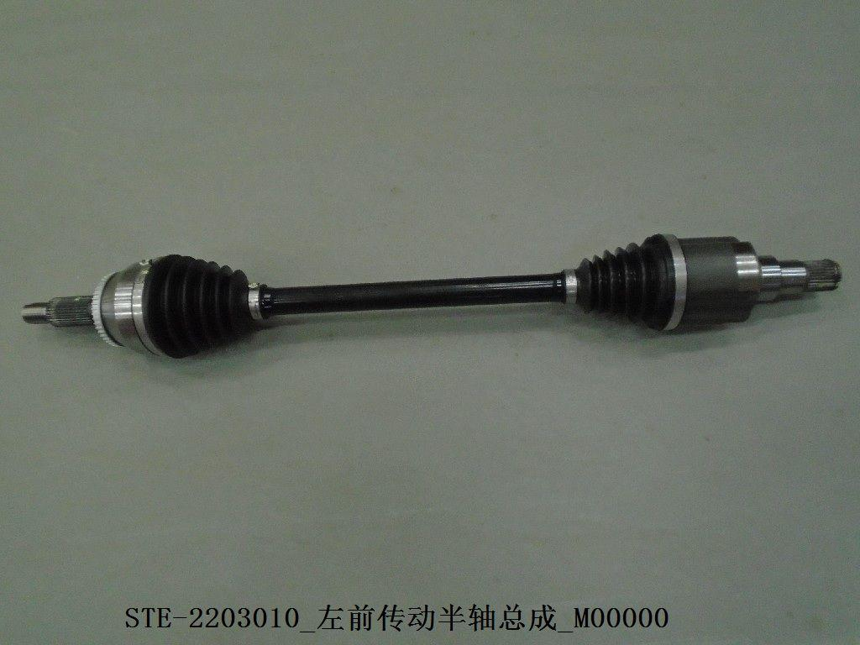
13650404-00 | Front bumper | 前保险杠 | STER-2803111B/30 | 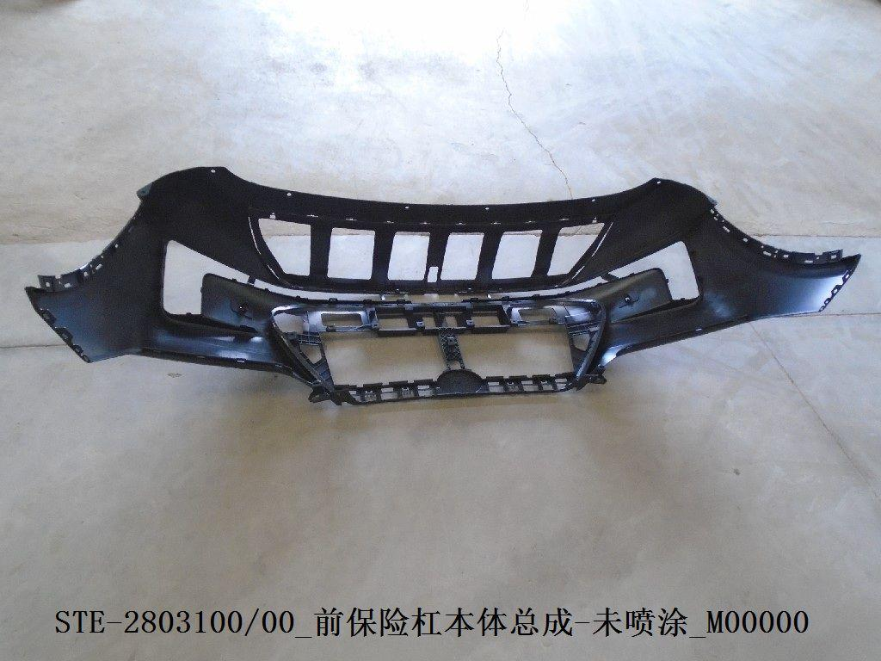
12684398-00 | Front bumper lower trim | 前保险杠下饰板 | STE-2803121 | 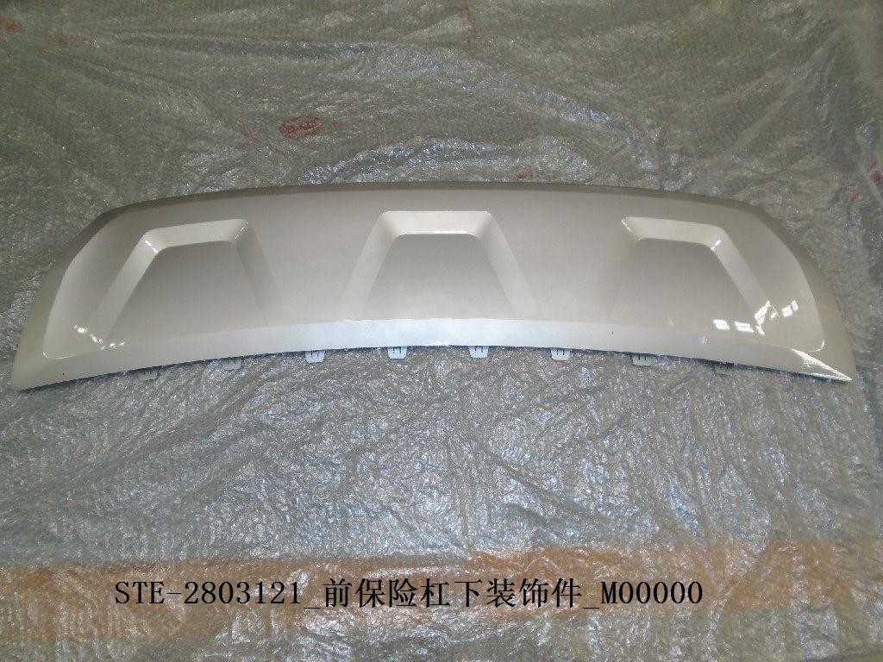
12684401-00 | Front bumper foam | 前杠泡沫 | STE-2803611 |  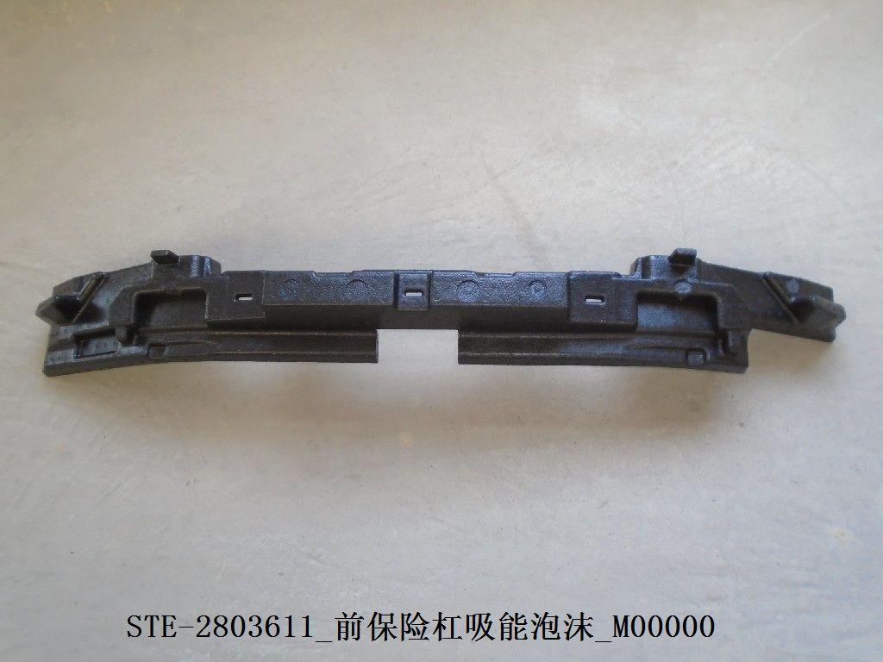
12684402-00 | Middle grille/with holes | 中网/带孔 | STE-2803700 | 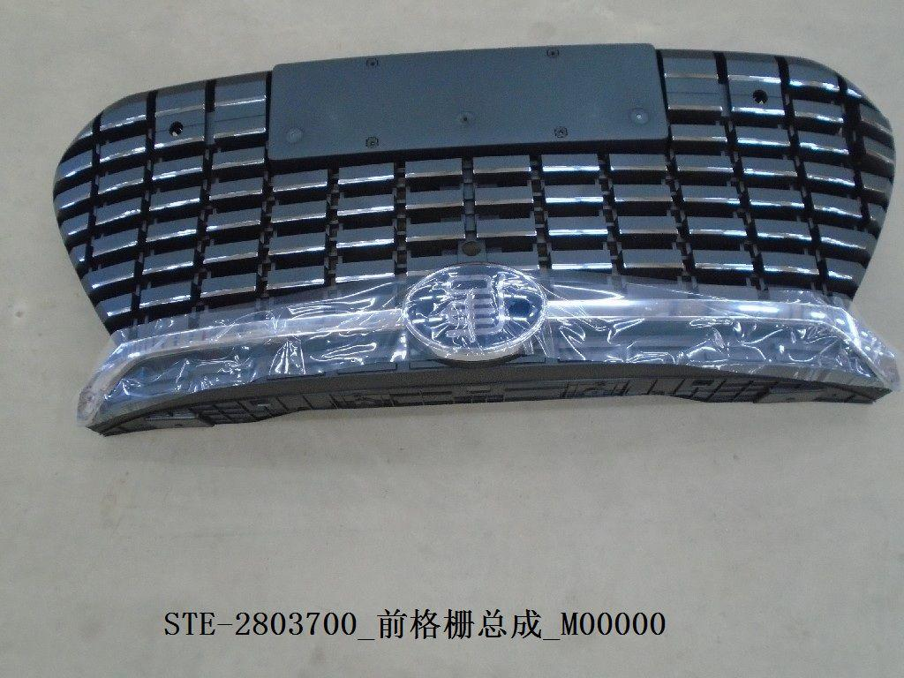
12684788-00 | ACC cover | ACC罩盖 | STE-2803761A | 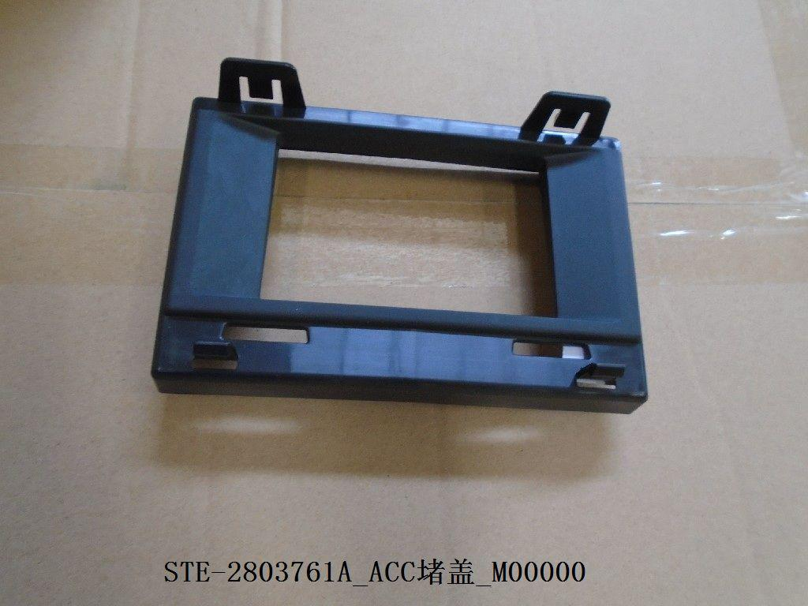
12603213-00 | Rear bumper trim/L | 后保险杠装饰条/L | STE-2804125 | 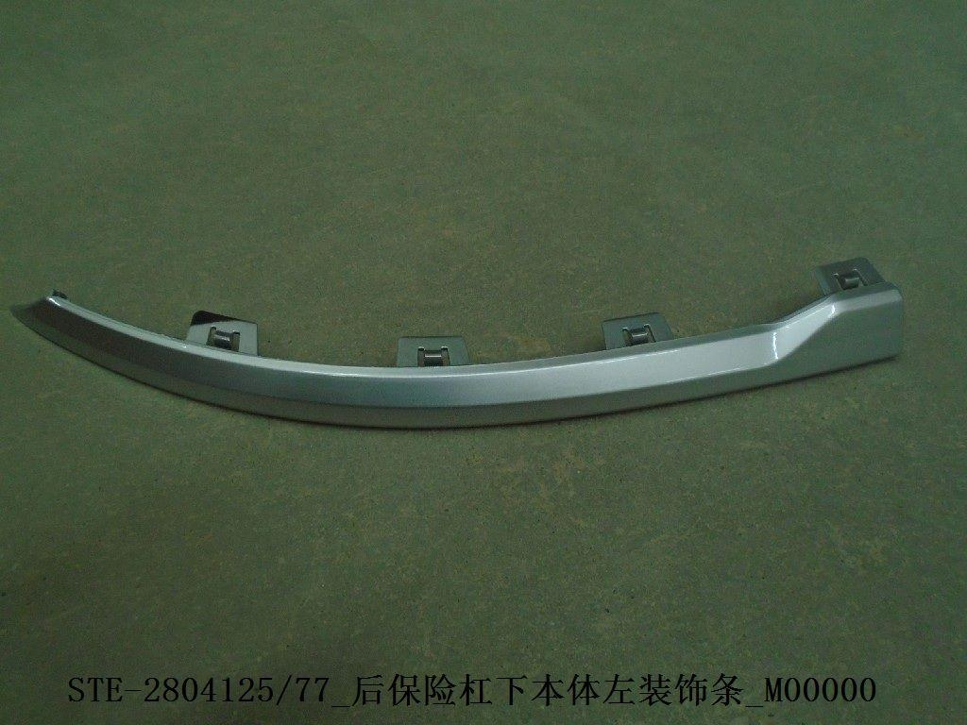
12603200-00 | Rear bumper trim/R | 后保险杠装饰条/R | STE-2804126 | 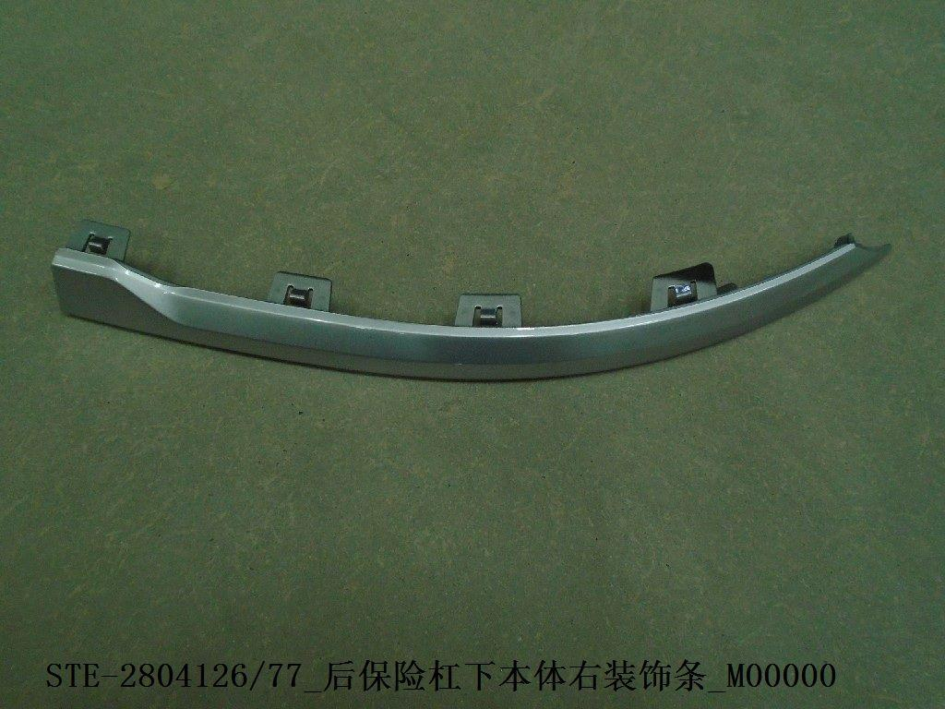
12510896-00 | Rear bumper trim/middle | 后保险杠装饰条/中 | STE-2804127 | 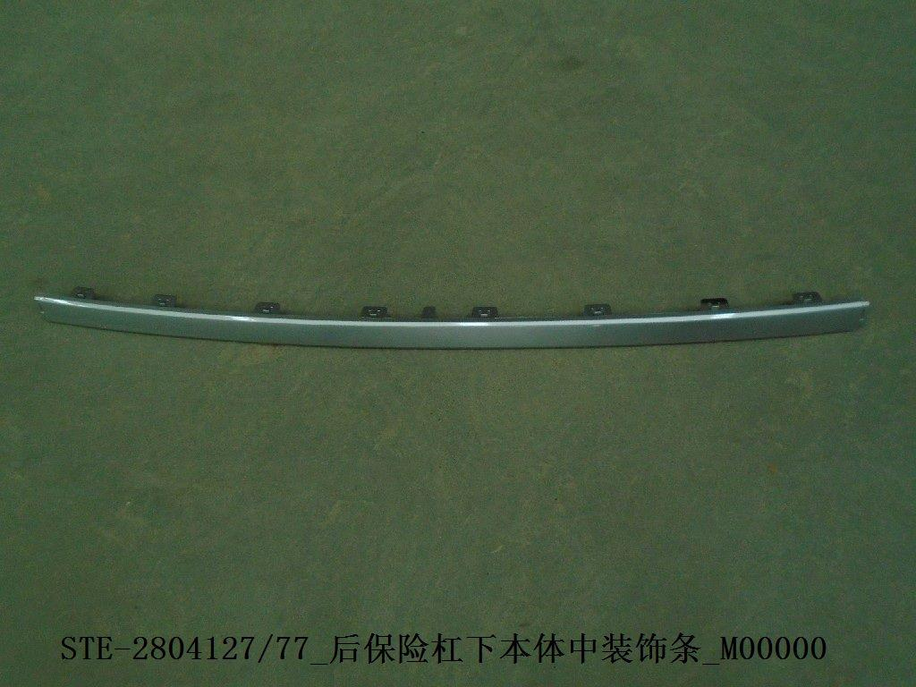
12472966-00 | Steel rim | 钢圈 | STE-3101010 | 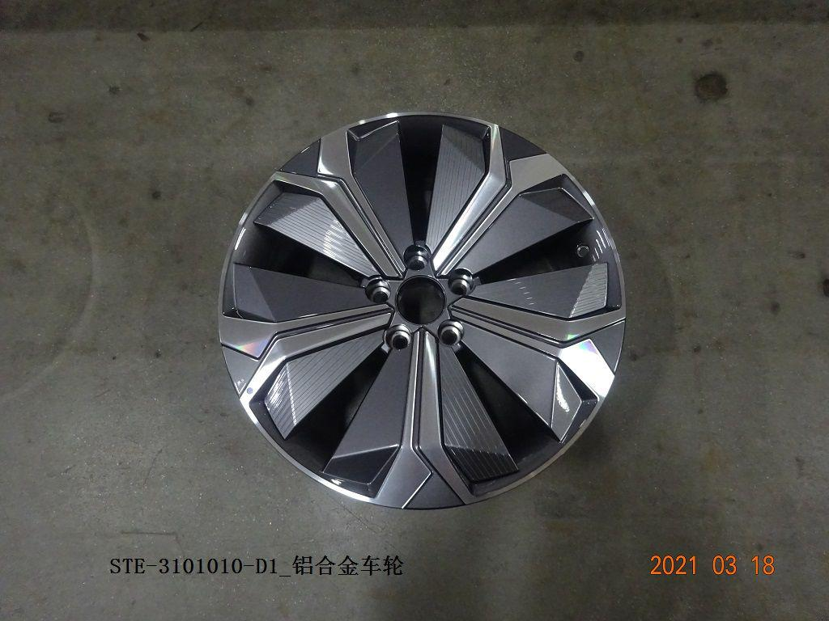
13339435-00 | Fender lining/front L | 叶子板内衬/前L | STE-3102110A | 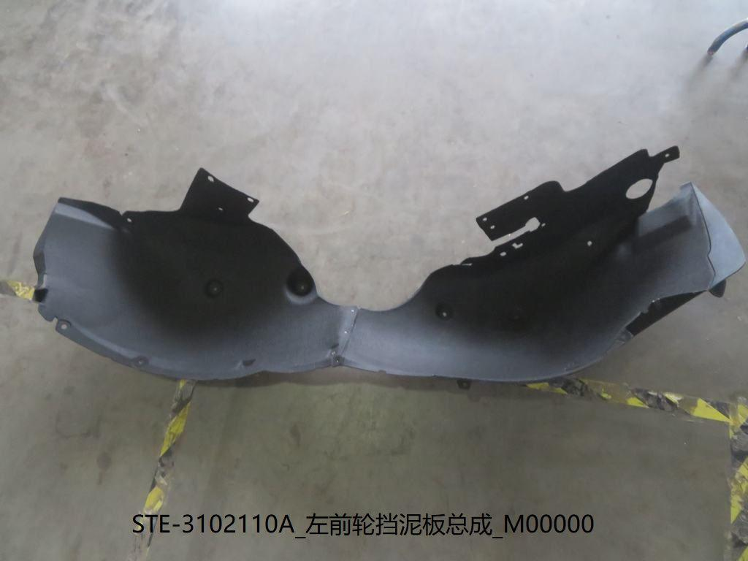
13339437-00 | Fender lining/front R | 叶子板内衬/前R | STE-3102120A | 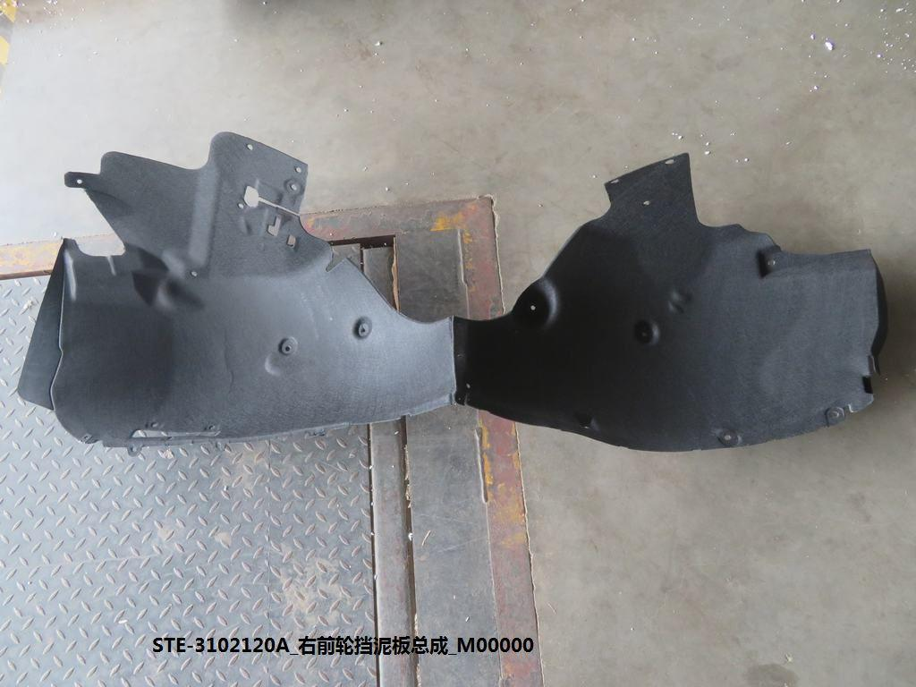
12459931-00 | Motor lower guard plate/front | 电机下护板/前 | STE-3102170 | 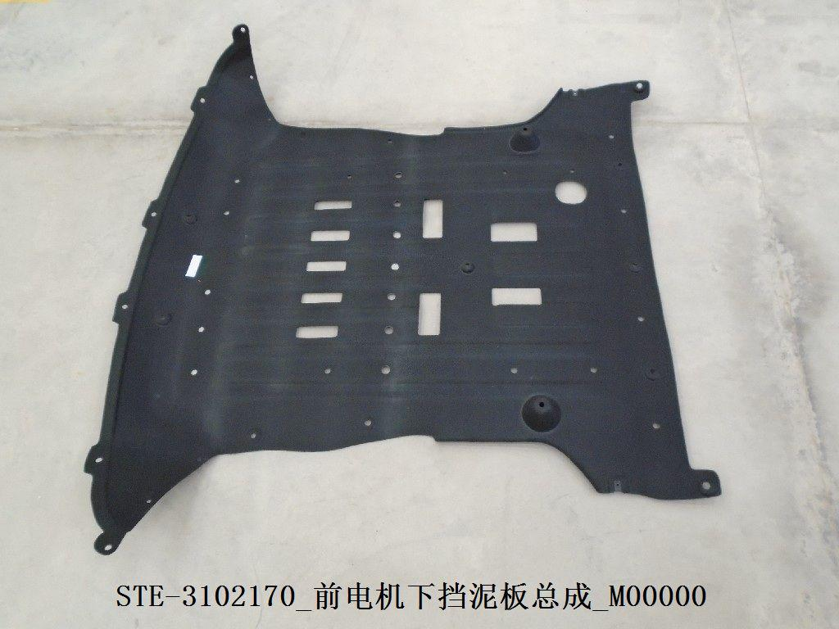
12465660-00 | ACC cover mounting plate | ACC罩安装板 | STE-3602612 | 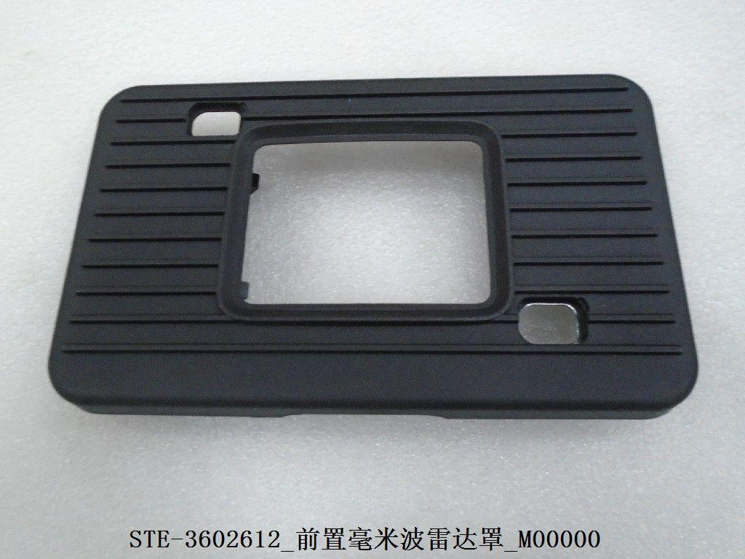
14271930-00 | Headlight/L | 大灯/L | STE-4121010J | 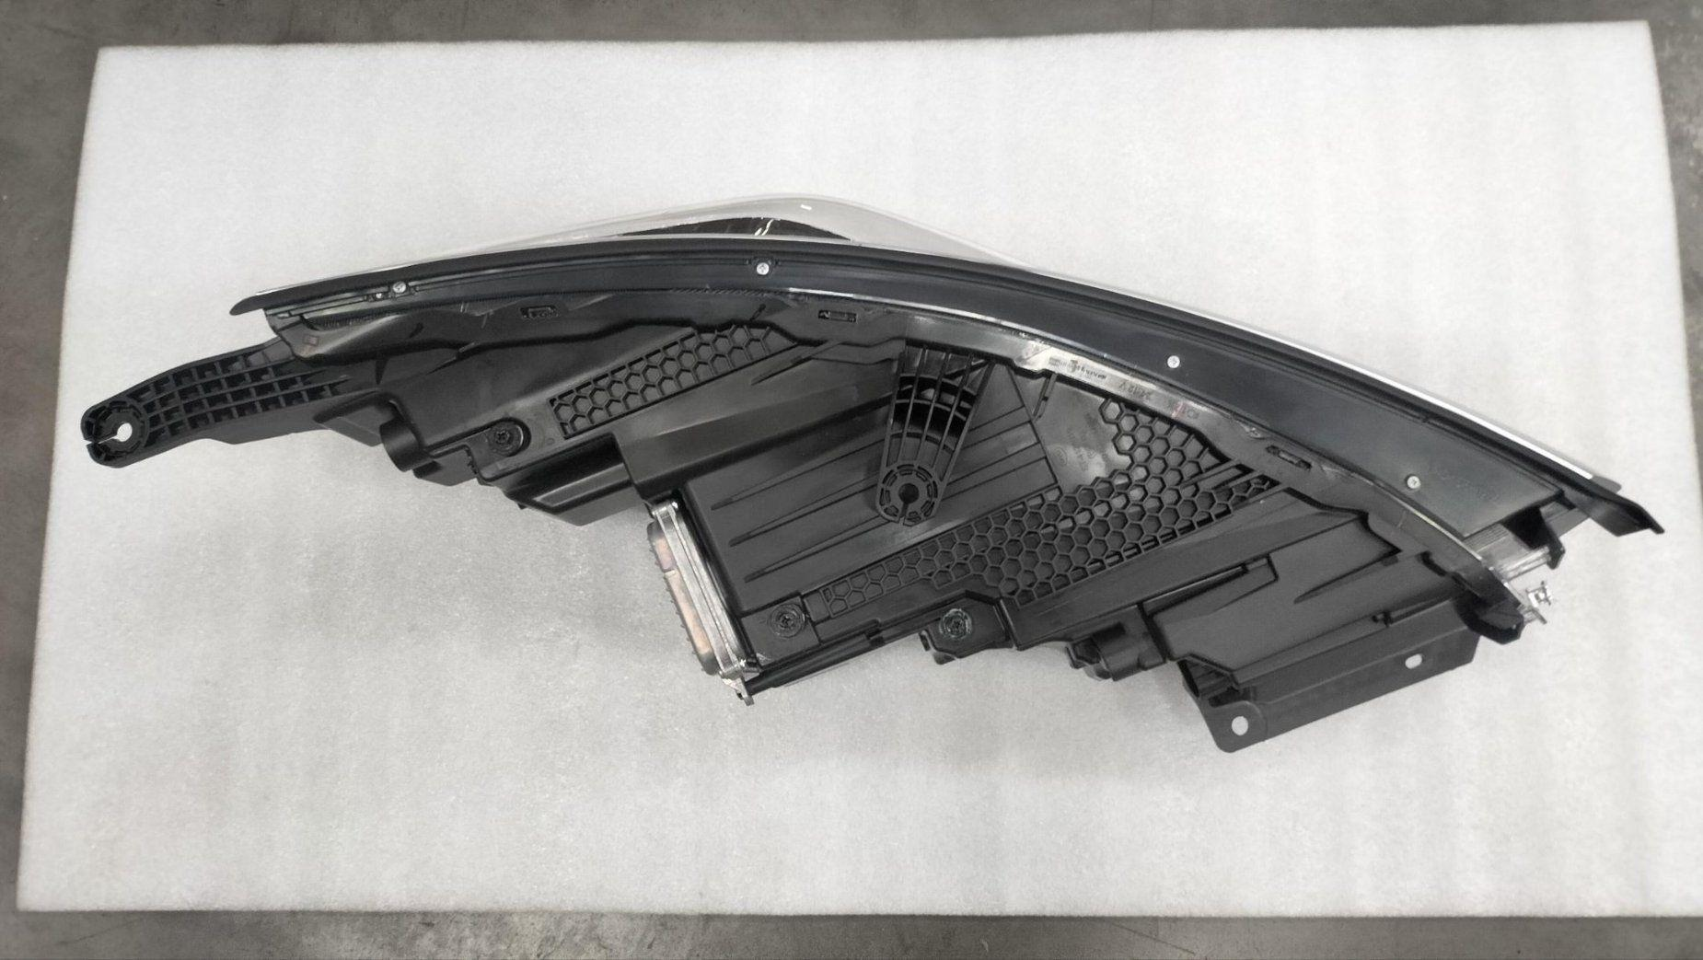
14271929-00 | Headlight/R | 大灯/R | STE-4121020J | 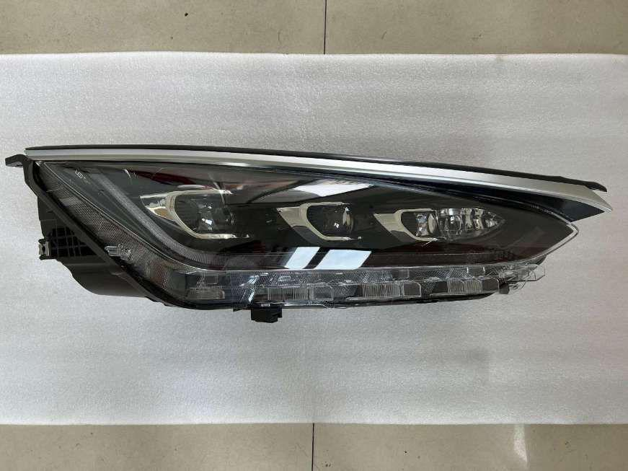
12465497-00 | Rear bumper light/L | 后杠灯/L | STE-4135100 | 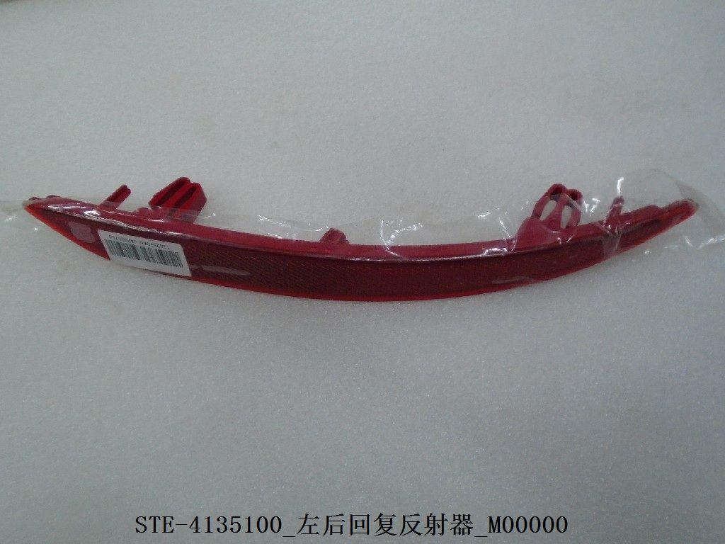
12465494-00 | Rear bumper light/R | 后杠灯/R | STE-4135200 | 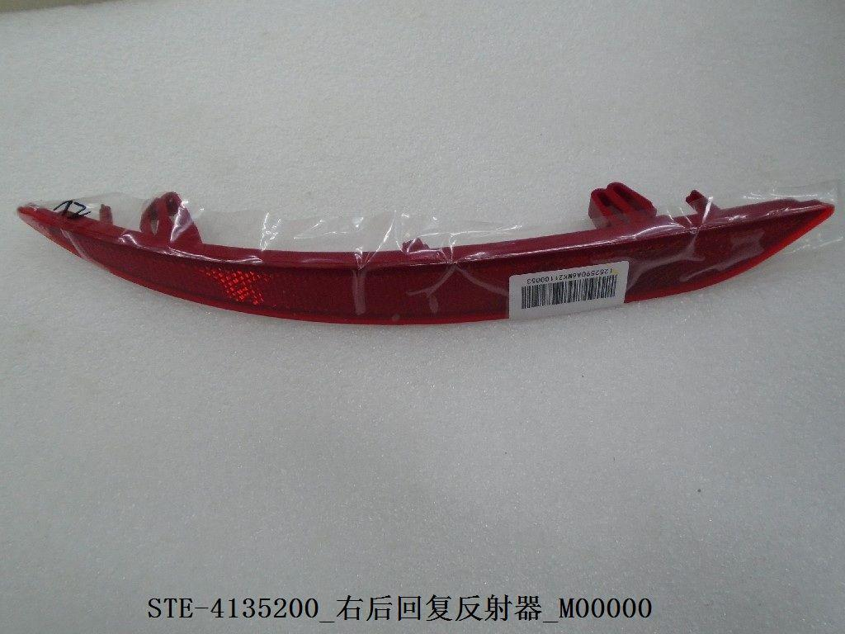
12579889-00 | Front cabin air intake decorative plate | 前舱进气口装饰板 | STE-5302261 | 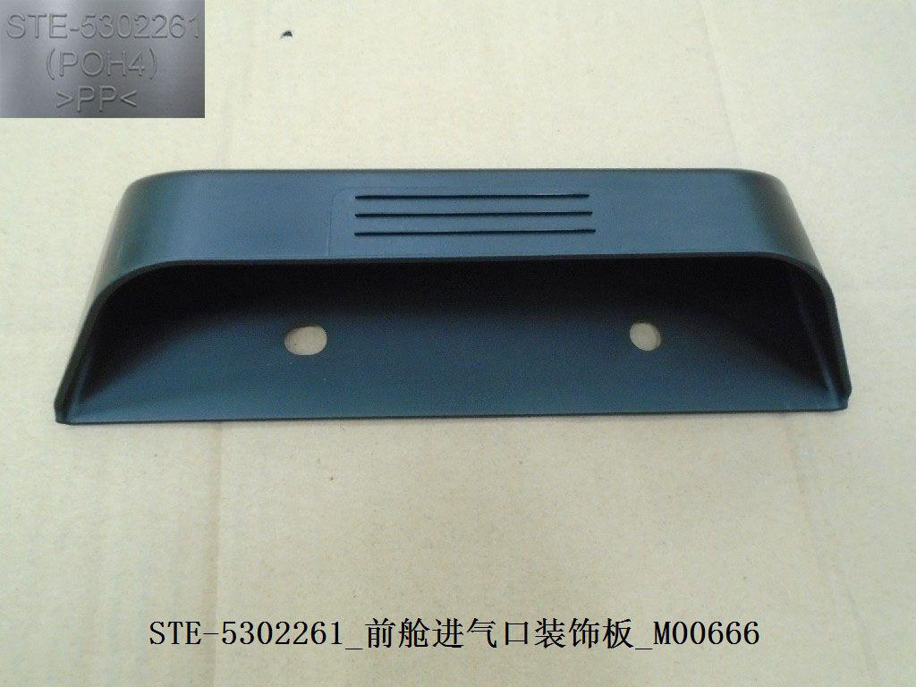
12459934-00 | Radiator deflector/R | 水箱导流板/R | STE-5302320-00B0 | 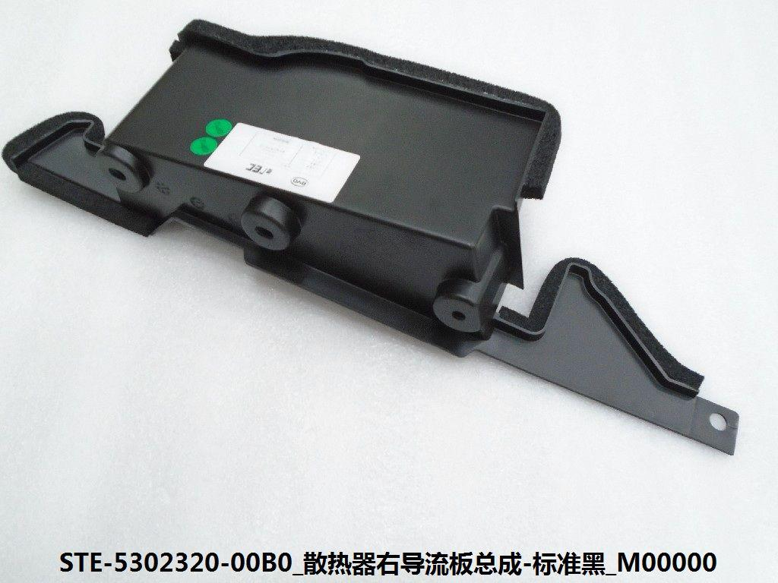
12459949-00 | Radiator deflector/upper | 水箱导流板/上 | STE-5302350-00B0 | 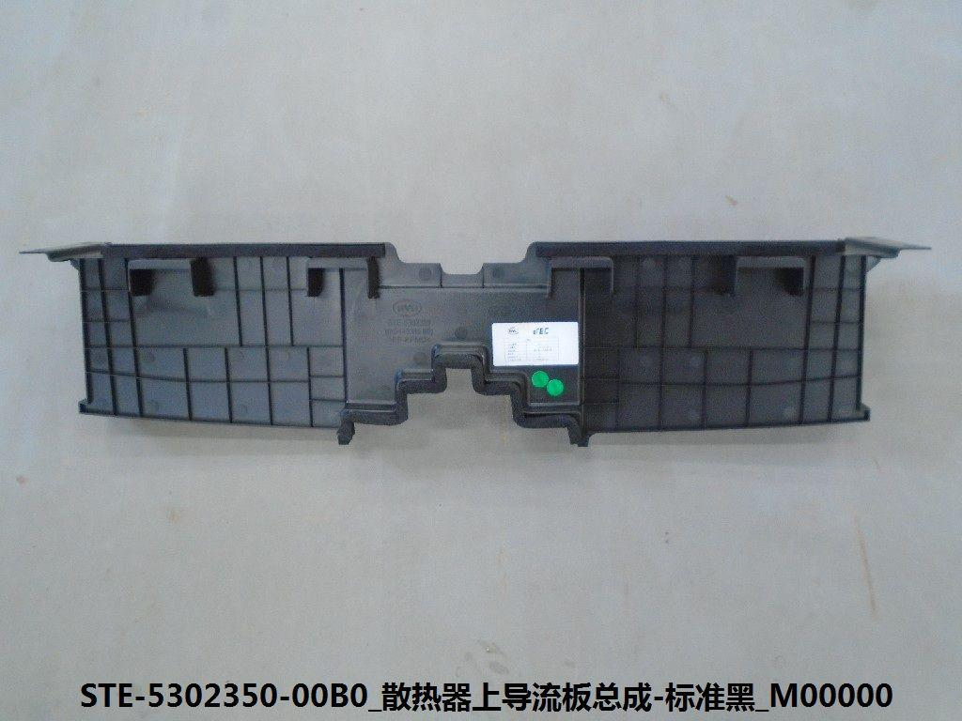
12459950-00 | Fender/front L | 轮眉/前L | STE-5302410-00B0 | 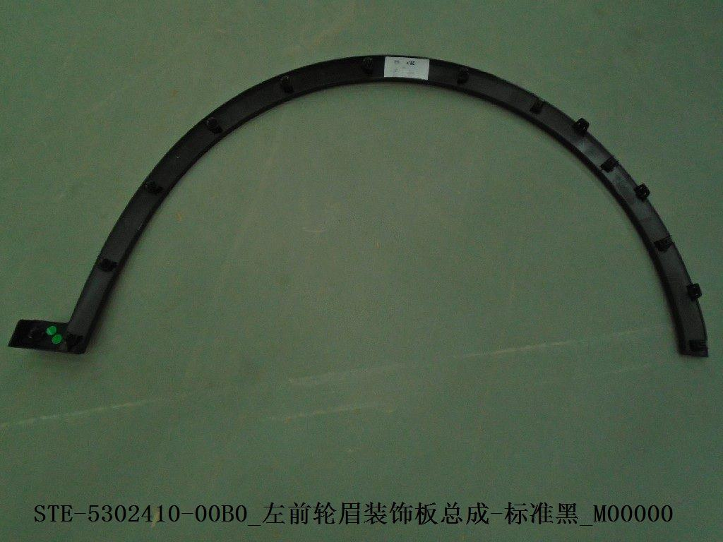
12459954-00 | Fender/front R | 轮眉/前R | STE-5302420-00B0 | 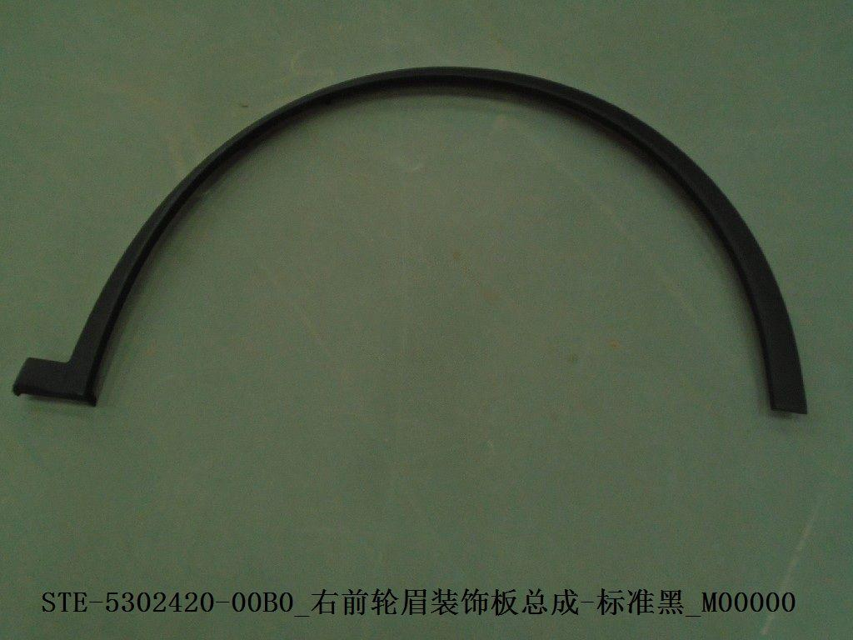
12465657-00 | Condenser | 冷凝器 | STE-8105010 | 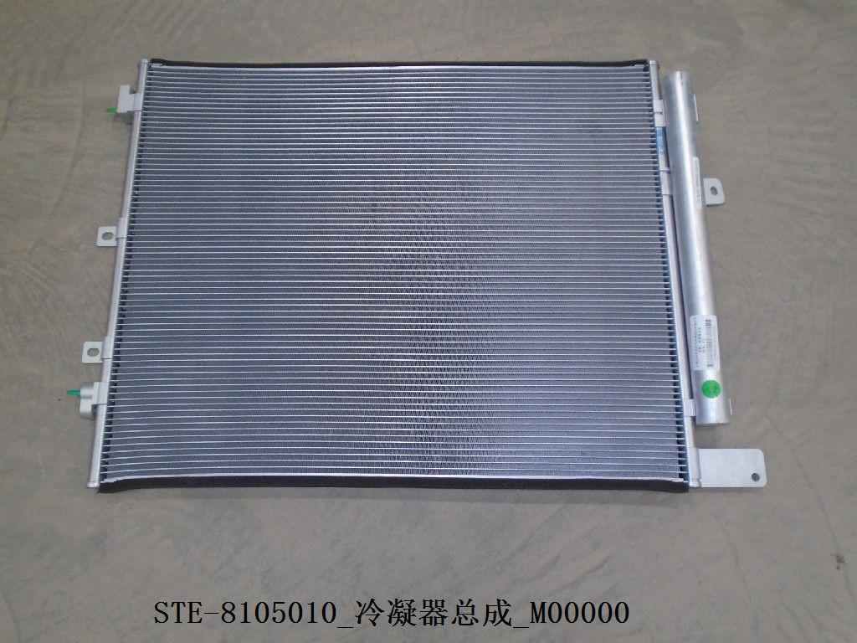
13210069-00 | Engine lower guard plate/front | 发动机下护板/前 | STEK-3102170-D1 | 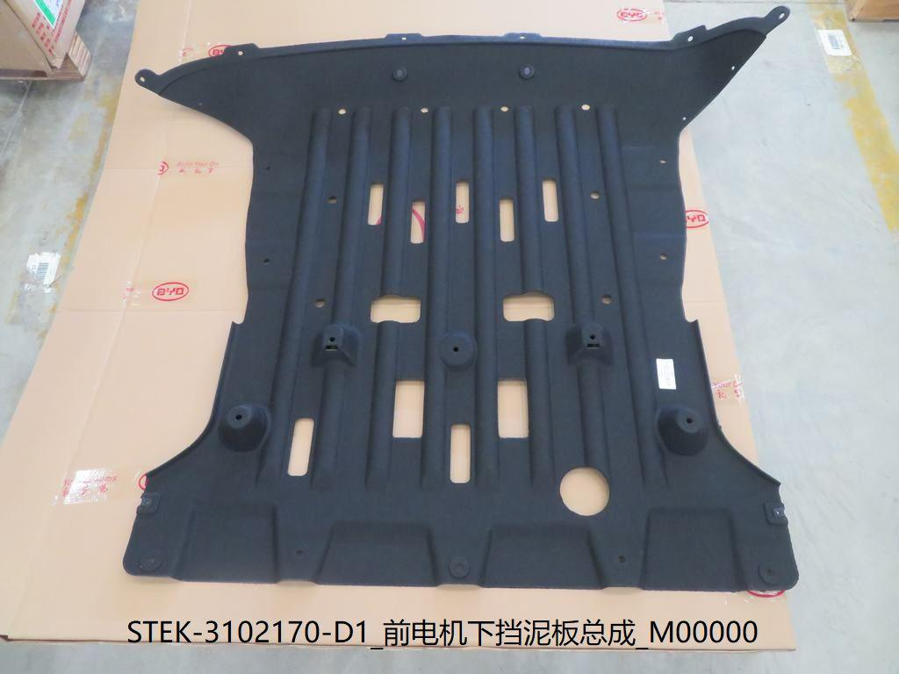
14241685-00 | Front brake disc | 前刹车盘 | STEL-3501011S | 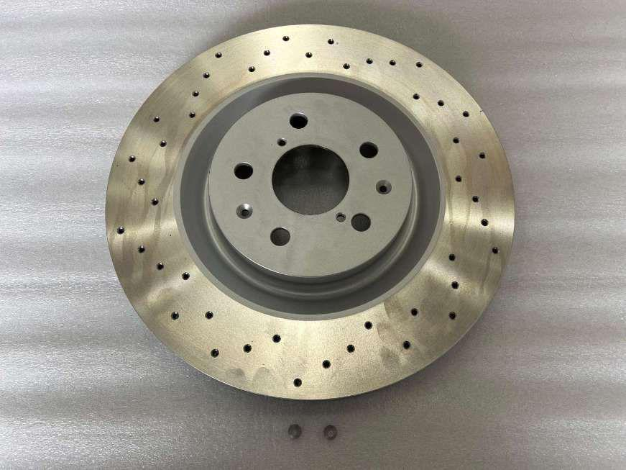
13370740-00 | Trailer cover/front | 拖车盖/前 | STER-2803118 |  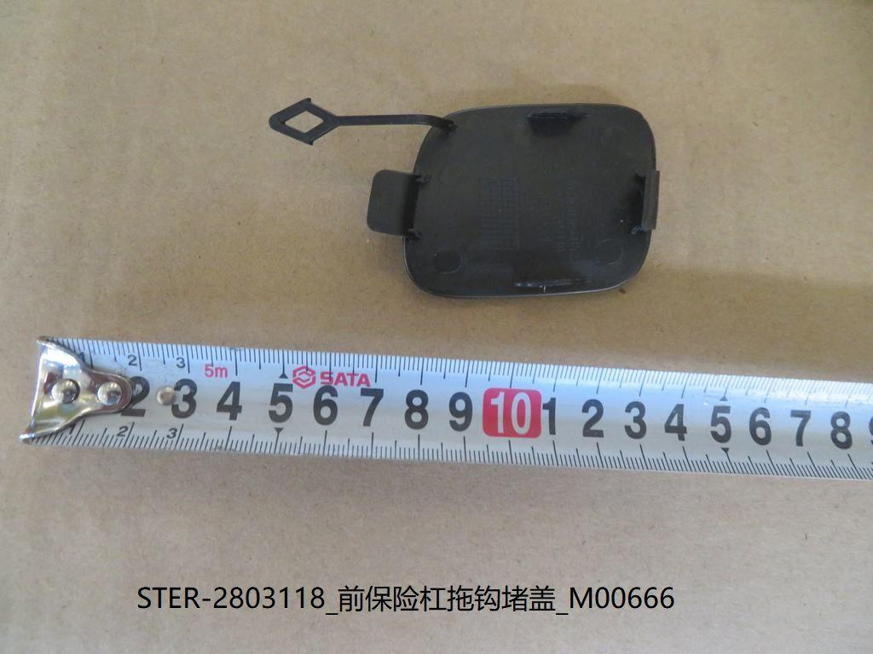
13435532-00 | Daytime running lights/L/Grill atmosphere lights | 日间行车灯/L/格栅氛围灯 | STER-4102500 | 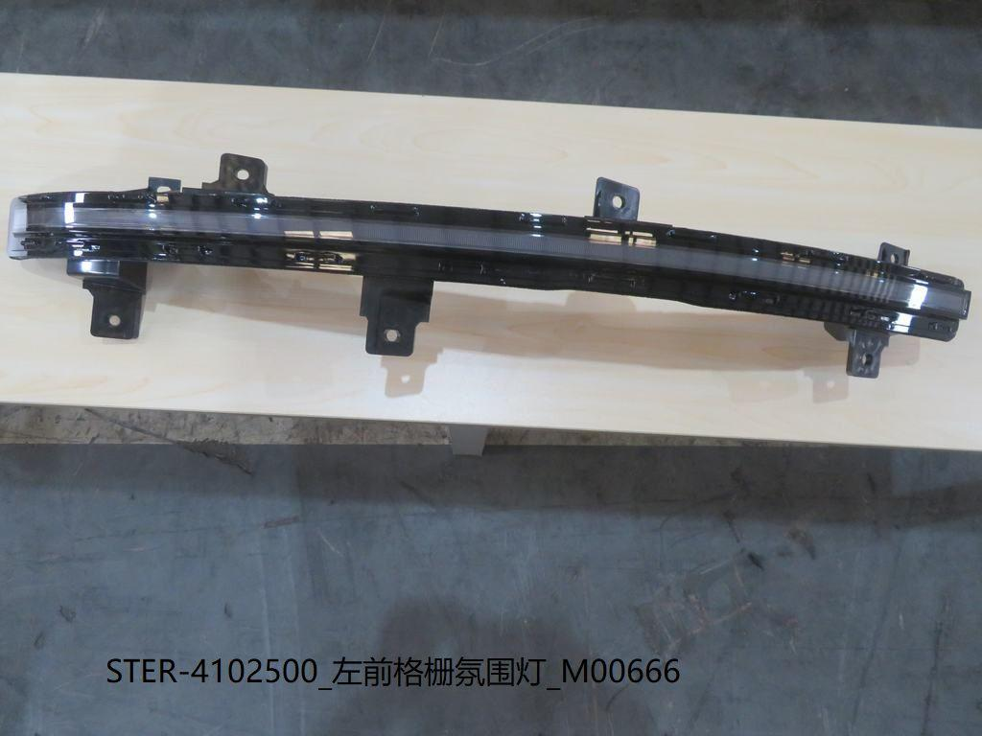
13782190-00 | Front bumper frame | 前保骨架 | STER-8400010/77 | 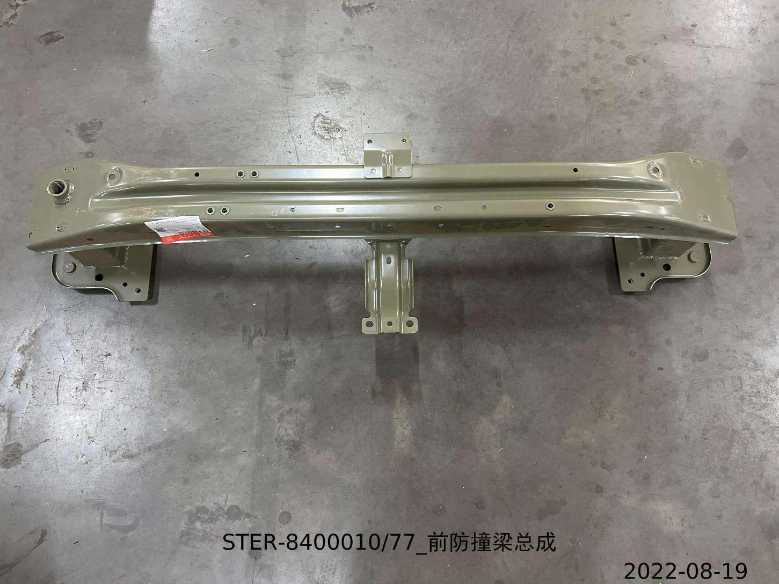
13315347-00 | Reversing radar probe/silver sand black | 倒车雷达探头/银砂黑 | STES-3603800-00A3 | 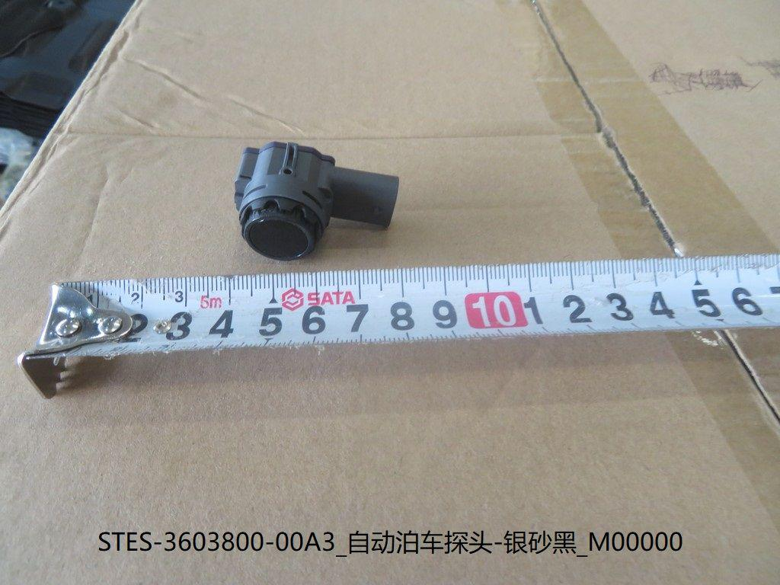
13278595-00 | Reversing radar probe/black | 倒车雷达探头/黑 | STES-3603800-00B0 | 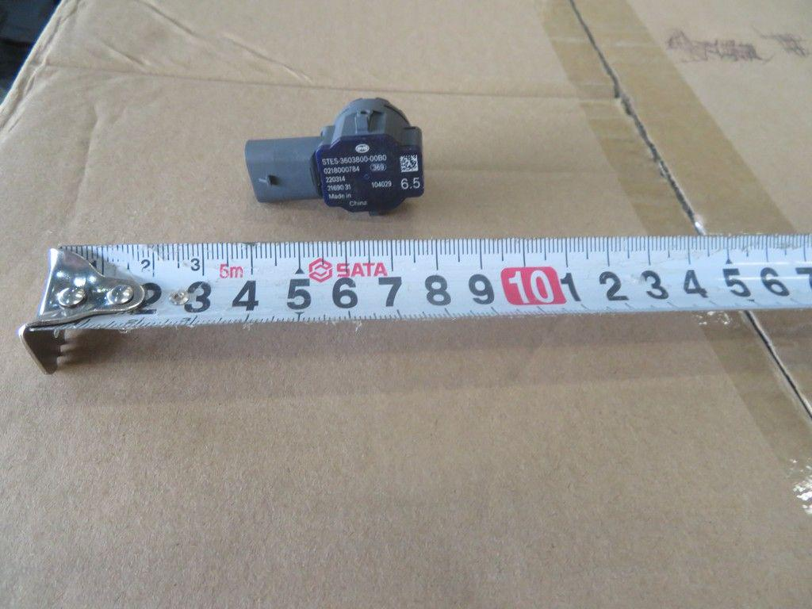
12453237-00 | Front cabin cover assembly | 前舱盖总成 | STF-8402010/77 | 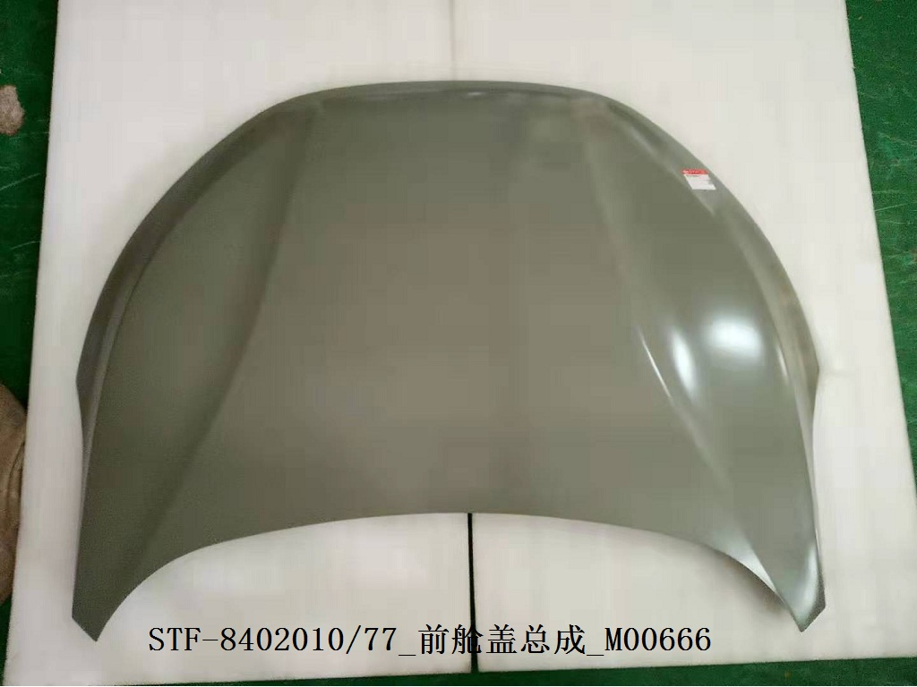
13379330-00 | Front bumper upper decorative strip body-assembly | 前保险杠上部装饰条本体-装配 | STER-2803114/92 | 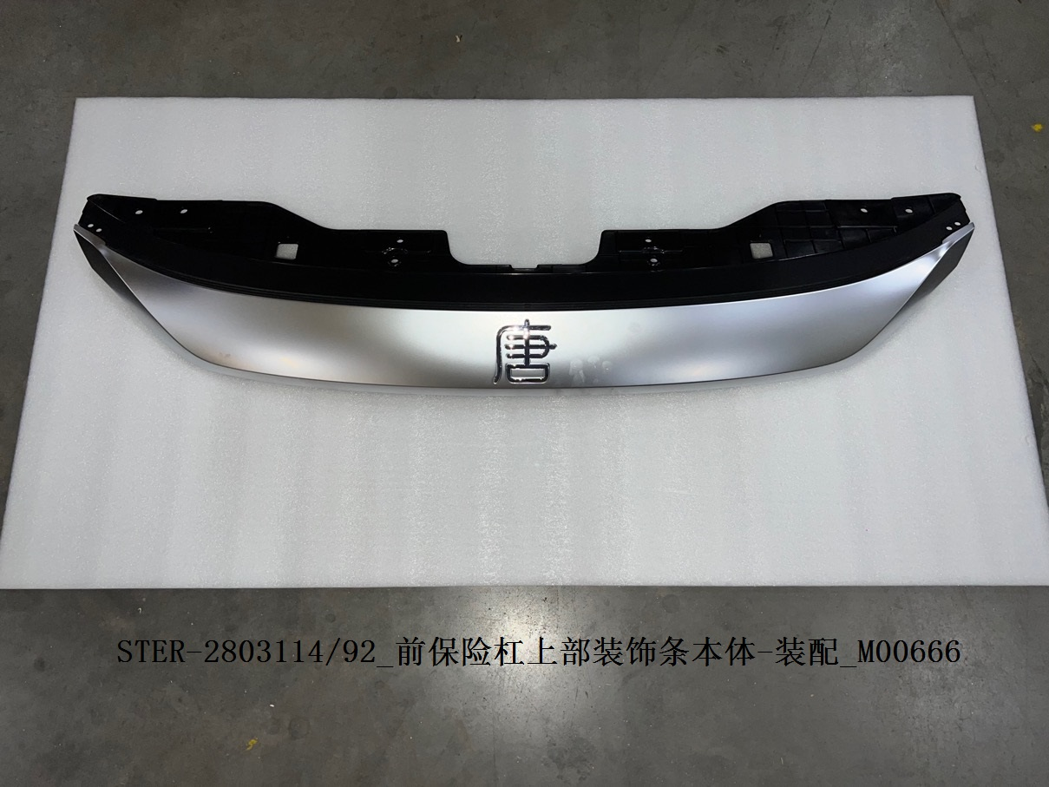
12682438-00 | Powertrain front suspension support assembly | 动力总成前悬置支座总成 | STE-1001100A
12682432-00 | Powertrain rear suspension support assembly | 动力总成后悬置支座总成 | STE-1001300A | 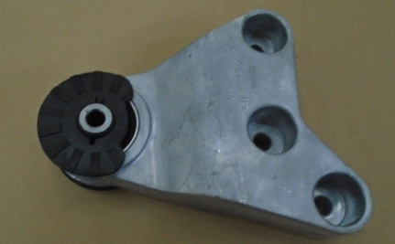
12682433-00 | Powertrain right suspension support assembly | 动力总成右悬置支座总成 | STE-1001700A | 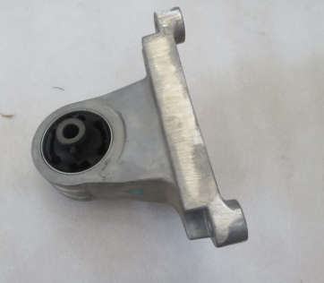
12463404-00 | High temperature radiator assembly | 高温散热器总成 | STE-1301010 | 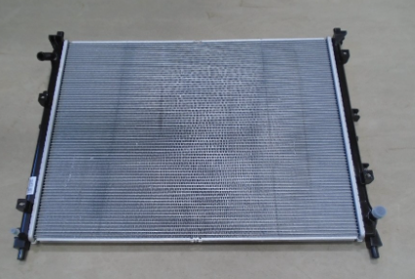
12504104-00 | Electronic fan assembly | 电子风扇总成 | STE-1308010A | 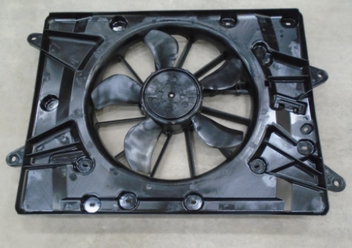
12598800-00 | Sub-tank assembly | 副水箱总成 | STF-1311010D
11663979-00 | Front lateral stabilizer bar tie rod and ball head assembly (front and rear universal) | 前横向稳定杆拉杆及球头总成(前后通用） | SEH-2906100
13370936-00 | Left front damper assembly | 左前减阻尼器总成 | STER-2905100
13370946-00 | Right front damper assembly | 右前减阻尼器总成 | STER-2905200
12606904-00 | Front damper upper support assembly | 前减上支撑组合 | ST-2905400D | 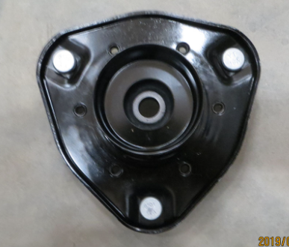
13358576-00 | Rear lateral stabilizer bar assembly | 后横向稳定杆总成 | ST-2916010R
13372794-00 | Left rear damper assembly | 左后减阻尼器总成 | STER-2915100
13372793-00 | Right rear damper assembly | 右后减阻尼器总成 | STER-2915200
12606903-00 | Rear damper upper support assembly | 后减上支撑组合 | ST-2915400D | 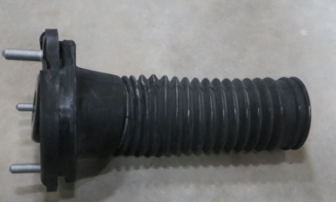
13874234-00 | Front subframe assembly | 前副车架总成 | STE-2810010AM
11980546-00 | Left front lower arm assembly | 左前下摆臂总成 | ST-2904010 | 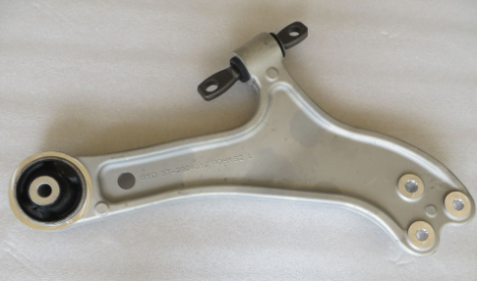
11986439-00 | Right front lower arm assembly | 右前下摆臂总成 | ST-2904020 | 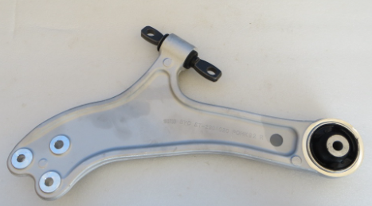
11779778-00 | Left front lower arm ball joint assembly | 左前下摆臂球头总成 | ST-2904300 | 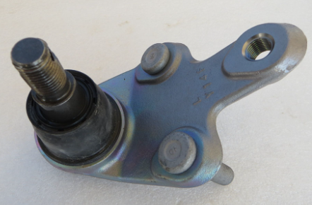
11779795-00 | Right front lower arm ball joint assembly | 右前下摆臂球头总成 | ST-2904400 | 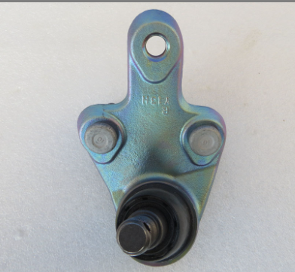
12208112-00 | Rear subframe assembly | 后副车架总成 | ST-2810020A | 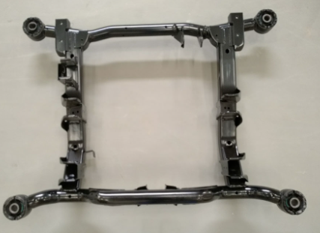
11779556-00 | Traction arm assembly | 牵引臂总成 | ST-2914010
11779581-00 | Front control arm assembly | 前控制臂总成 | ST-2914020
13194550-00 | Rear control arm assembly | 后控制臂总成 | ST-2914030A
14357858-00 | Right front steering knuckle | 右前转向节 | STC-2304201S-D1 | 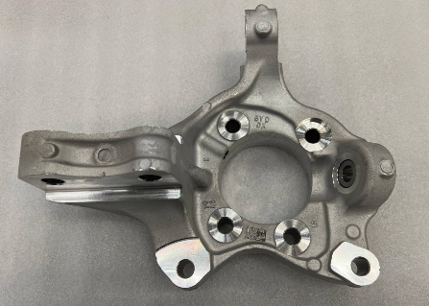
14357860-00 | Left front steering knuckle- | 左前转向节- | STC-2304101S-D1 | 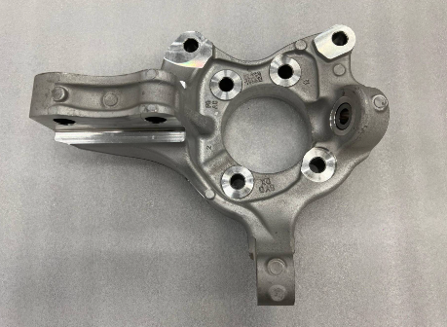
13916556-00 | Front brake pad assembly | 前制动片总成 | STER-3501500
13913988-00 | Left front brake caliper subassembly | 左前制动钳分总成 | STER-3501101
13913986-00 | Right front brake caliper subassembly | 右前制动钳分总成 | STER-3501201
13920044-00 | Right rear steering knuckle | 右后转向节 | STER-2404020
13919104-00 | Left rear steering knuckle assembly | 左后转向节总成 | STER-2404010 | 
14079844-00 | Rear wheel hub unit assembly | 后轮毂单元总成 | STE-3104100S | 
14725667-00 | Rear brake disc | 后制动盘 | STEAM-3502011S | 
13698952-00 | Rear brake pad assembly | 后制动片总成 | STHR-3502140
13073315-00 | Right rear brake caliper subassembly | 右后制动钳分总成 | HCE-3502220 | 
13073317-00 | Left rear brake caliper subassembly | 左后制动钳分总成 | HCE-3502110 | 
12686089-00 | Brake fluid tank assembly | 制动液壶总成 | STHA-3540020
13417832-00 | Aluminum alloy wheel | 铝合金车轮 | STE-3101010R | 
13435533-00 | Right front grille ambient light | 右前格栅氛围灯 | STER-4102600
13309805-00 | Left combination headlight assembly | 左组合前灯总成 | STE-4121010D
13309803-00 | Right combination headlight assembly | 右组合前灯总成 | STE-4121020D
11721028-00 | Rear fog light | 后雾灯 | MEH-4116300
12929961-00 | Left rear reflector | 左后回复反射器 | STHA-4135100
12929964-00 | Right rear reflector | 右后回复反射器 | STHA-4135200
11782920-00 | High-position brake light | 高位制动灯 | ST-4134100
12464821-00 | Front collision sensor Ⅰ | 前碰传感器Ⅰ | TA-3658300A-D1 | 
12464820-00 | Front collision sensor Ⅱ | 前碰传感器Ⅱ | TA-3658400A-D1 | 
12458489-00 | Side collision sensor | 侧碰传感器 | M6-3658500A-D1 | 
13506486-00 | Electronic smart key | 电子智能钥匙 | DAEA-3791200C-L1
13562168-00 | Host assembly | 主机总成 | STER-7924200DE-F1 | 
13636674-00 | PAD display screen assembly | PAD显示屏总成 | HC-7924100SR-M1
13397034-00 | corner millimeter-wave radar | 角毫米波雷达 | STHR-3602700 | 
13618079-00 | panoramic front view image module | 全景前视影像模组 | STER-3776450A
13618075-00 | panoramic rear view image module | 全景后视影像模组 | STER-3776750A | 
13389295-00 | front millimeter-wave radar | 前置毫米波雷达 | STHQ-3602600 | 
11964652-00 | left front wheel speed sensor assembly-intelligent type | 左前轮速传感器总成-智能型 | ST-3630100A | 
11964744-00 | right front wheel speed sensor assembly-intelligent type | 右前轮速传感器总成-智能型 | ST-3630200A | 
13195402-00 | small probe-snowy white | 小探头-雪域白 | HA2E-3603300G-00WA2
13195405-00 | small probe-standard black | 小探头-标准黑 | HA2E-3603300G-00B0
13458567-00 | combination instrument assembly | 组合仪表总成 | STHR-3820010
13891829-00 | starting iron battery | 起动型铁电池 | STEK-3703030A | 
13294873-00 | front bumper small wire | 前保险杠小线 | STES-4011300A | 
13300547-00 | rear bumper small wire | 后保险杠小线 | STER-4013100A | 
13033898-00 | high efficiency filter | 高效过滤器 | ST-8121211E-E1 | 
13303275-00 | Condenser assembly | 冷凝器总成 | STER-8105010
13043971-00 | Active air intake grille assembly | 主动进气格栅总成 | HCE-2803500A
11786047-00 | Front bumper right bracket | 前保险杠右支架 | ST-280341
13427214-00 | Front bumper left air intake channel assembly | 前保左进气口通道总成 | STER-2803170
11786046-00 | Front bumper left bracket | 前保险杠左支架 | ST-2803311
13379332-00 | Front bumper right air intake grid | 前保险杠右进气网格 | STER-2803141/92 | 
13379331-00 | Front bumper left air intake grid | 前保险杠左进气网格 | STER-2803131/92 | 
11964609-00 | Front bumper left lower bracket | 前保险杠左下支架 | ST-2803511 | 
13370743-00 | Front bumper lower body | 前保险杠下本体 | STER-2803112
13370738-00 | Front bumper lower body decorative parts | 前保险杠下本体装饰件 | STER-2803119/77
13650431-00 | Rear bumper upper body | 后保险杠上本体 | STHA-2804131D/30 | 
12961493-00 | Rear bumper upper body left decorative plate | 后保险杠上本体左装饰板 | STHA-2804135 | 
12961492-00 | Rear bumper upper body right decorative plate | 后保险杠上本体右装饰板 | STHA-2804136 | 
12961657-00 | Rear bumper upper body left decorative strip | 后保险杠上本体左饰条 | STHA-2804137/77-00BK
12961659-00 | Rear bumper upper body right decorative strip | 后保险杠上本体右饰条 | STHA-2804138/77-00BK
13921244-00 | Rear bumper lower body | 后保险杠下本体 | STHA-2804121/92
12964792-00 | Rear bumper lower body decorative parts | 后保险杠下本体装饰件 | STHA-2804123
11786048-00 | Rear bumper left front bracket assembly | 后保险杠左前支架总成 | ST-2804310
11786049-00 | Rear bumper left rear bracket assembly | 后保险杠左后支架总成 | ST-2804320 | 
11786050-00 | Rear bumper right front bracket assembly | 后保险杠右前支架总成 | ST-2804410
11786052-00 | Rear bumper right rear bracket assembly | 后保险杠右后支架总成 | ST-2804420
11786053-00 | Rear bumper left lower bracket assembly | 后保险杠左下支架总成 | ST-2804510 | 
11786054-00 | Rear bumper right lower bracket assembly | 后保险杠右下支架总成 | ST-2804520 | 
13339423-00 | Left rear wheel fender assembly | 左后轮挡泥板总成 | ST-3102130D | 
12956876-00 | Right rear wheel fender assembly | 右后轮挡泥板总成 | ST-3102140C-00B0
11785953-00 | Ventilation cover assembly | 通风盖板总成 | ST-5302100-00B0
11785957-00 | Grille upper cover assembly | 格栅上盖板总成 | ST-5302210-00B0
12015430-00 | Hood left hinge cover | 机盖左铰链盖 | ST-5302226
12015431-00 | Hood right hinge cover | 机盖右铰链盖 | ST-5302227
11785955-00 | Left front compartment decorative panel assembly | 左前舱装饰板总成 | ST-5302230-00B0 | 
11785956-00 | Right front compartment decorative panel assembly | 右前舱装饰板总成 | ST-5302240-00B0 | 
12181925-00 | Left front wheel eyebrow decorative panel assembly | 左前轮眉装饰板总成 | STF-5302410-00B0
12181926-00 | Right front wheel eyebrow decorative panel assembly | 右前轮眉装饰板总成 | STF-5302420-00B0 | 
11785963-00 | Left rear wheel eyebrow decorative panel assembly | 左后轮眉装饰板总成 | ST-5302430-00B0 | 
11785964-00 | Right rear wheel eyebrow decorative panel assembly | 右后轮眉装饰板总成 | ST-5302440-00B0 | 
13335181-00 | Radiator lower deflector assembly | 散热器下导流板总成 | STER-5302470-00B0
13335195-00 | Radiator upper deflector assembly | 散热器上导流板总成 | STER-5302350-00B0 | 
12678622-00 | Left fender corner trim assembly | 左翼子板角饰板总成 | ST-5302330-U1EF | 
12678623-00 | Right fender corner trim assembly | 右翼子板角饰板总成 | ST-5302340-U1EF | 
12501607-00 | Spoiler body assembly | 扰流板本体总成 | ST-5614110/00
13475854-00 | Instrument panel upper body assembly - deep black 5 | 仪表板上本体总成-深黑5 | STHA-5306110A-00A7 | 
11786063-00 | Right apron panel assembly | 右侧围裙板总成 | ST-5402820-00B0
11786062-00 | Left apron panel assembly | 左侧围裙板总成 | ST-5402810-00B0
12702662-00 | Left front door trim assembly | 左前门饰板总成 | ST-5402710-D1B0
12702625-00 | Right front door trim assembly | 右前门饰板总成 | ST-5402720-D1B0
12702626-00 | Left rear door trim assembly - standard black | 左后门饰板总成-标准黑 | ST-5402730-D1B0
12702627-00 | Right rear door trim assembly - standard black | 右后门饰板总成-标准黑 | ST-5402740-D1B0
12453219-00 | Back door assembly | 背门总成 | ST-6301010/77 | 
12326143-00 | Back door left hinge assembly | 背门左铰链总成 | ST-6306100 | 
12326144-00 | Front hatch left hinge assembly | 前舱盖左铰链总成 | ST-8402610
12326117-00 | Front hatch right hinge assembly | 前舱盖右铰链总成 | ST-8402619 | 
12476194-00 | Right fender assembly | 右翼子板总成 | ST-8403019/77 | 
12476195-00 | Left fender assembly | 左翼子板总成 | ST-8403010/77 | 
13095911-00 | Right front door assembly | 右前门总成 | ST-6101019A/77 | 
12326029-00 | Left front door upper hinge assembly | 左前门上铰链总成 | ST-6106100 | 
12326115-00 | Right front door upper hinge assembly | 右前门上铰链总成 | ST-6106109 | 
12326116-00 | Left front door lower hinge assembly | 左前门下铰链总成 | ST-6106200 | 
12326118-00 | Right front door lower hinge assembly | 右前门下铰链总成 | ST-6106209 | 
13095908-00 | Right rear door assembly | 右后门总成 | ST-6201019B/77 | 
13095909-00 | Left rear door assembly | 左后门总成 | ST-6201010B/77 | 
12326145-00 | Left rear door upper hinge assembly | 左后门上铰链总成 | ST-6206100 | 
12326139-00 | Right rear door upper hinge assembly | 右后门上铰链总成 | ST-6206109 | 
12807151-00 | Fender rear middle mounting bracket | 翼子板后中安装支架 | ST-5401143Q/77
12453216-00 | Left fender upper rear mounting bracket | 左翼子板上后安装支架 | ST-5401127/77
11963806-00 | Front end module assembly | 前端模块总成 | ST-5301290 | 
12459421-00 | Rear anti-collision beam assembly | 后防撞梁总成 | ST-8400020/77
12332320-00 | Left front door seal strip | 左前门密封条 | ST-6107111A | 
12330020-00 | Right front door seal strip | 右前门密封条 | ST-6107112A
12330022-00 | Right rear door seal strip | 右后门密封条 | ST-6207112A
12332319-00 | Left rear door seal strip | 左后门密封条 | ST-6207111A
11784736-00 | Right front door glass assembly | 右前门玻璃总成 | ST-6103109 | 
11784708-00 | Left front door glass assembly | 左前门玻璃总成 | ST-6103100 | 
11784737-00 | Left rear door glass assembly | 左后门玻璃总成 | ST-6203100
11784709-00 | Right rear door glass assembly | 右后门玻璃总成 | ST-6203109
12974379-00 | Right rear corner window glass assembly | 右后角窗玻璃总成 | ST-5406020A-00EF
12974377-00 | Left rear corner window glass assembly | 左后角窗玻璃总成 | ST-5406010A-00EF
12678619-00 | Right front door outer water cut | 右前门外水切 | ST-6107116-U1EF
12678618-00 | Left front door outer water cut | 左前门外水切 | ST-6107115-U1EF
12678629-00 | Left rear door outer water cut | 左后门外水切 | ST-6207115-U1EF
12678636-00 | Right rear door outer water cut | 右后门外水切 | ST-6207116-U1EF
13373069-00 | Front windshield glass assembly | 前风窗玻璃总成 | STHR-5206010 | 
11784710-00 | Back door glass assembly | 背门玻璃总成 | ST-6303100
11782874-00 | Front hood lock assembly | 前舱盖锁体总成 | ST-8402530
12464036-00 | Front hood left gas spring body | 前舱盖左气弹簧主体 | STF-8402911
12464038-00 | Front hood right gas spring body | 前舱盖右气弹簧主体 | STF-8402912
11927730-00 | Front hood lock opening cable assembly | 前舱盖锁开启拉索总成 | ST-8402520
11782983-00 | Front wiper transmission system assembly | 前雨刮传动系统总成 | ST-5205300
11891592-00 | Rear wiper motor assembly | 后雨刮电机总成 | ST-6310100
11963796-00 | Washing kettle assembly | 洗涤壶体总成 | ST-5207110
13742205-00 | Left exterior rearview mirror assembly | 左外后视镜总成 | STHJ-8202100D | 
13660588-00 | Right exterior rearview mirror assembly | 右外后视镜总成 | STHJ-8202109B | 
12903373-00 | Right front door lock assembly | 右前门锁体总成 | ST-6105209B | 
12903356-00 | Left front door lock assembly | 左前门锁体总成 | ST-6105200B
13108575-00 | Right front door exterior handle assembly | 右前门外把手总成 | ST-6105109B-T1 | 
13107296-00 | Left front door exterior handle assembly | 左前门外把手总成 | ST-6105100B-T1 | 
13721050-00 | Left front door motor assembly | 左前门电机总成 | ST-3746100H
11892682-00 | Right front door motor assembly | 右前门电机总成 | ST-3746200 | 
12903372-00 | Right rear door lock assembly | 右后门锁体总成 | ST-6205209B
12903355-00 | Left rear door lock assembly | 左后门锁体总成 | ST-6205200B
13107305-00 | Left rear door exterior handle assembly | 左后门外把手总成 | ST-6205100B-T1
13107304-00 | Right rear door exterior handle assembly | 右后门外把手总成 | ST-6205109B-T1
11892684-00 | Right rear door motor assembly | 右后门电机总成 | ST-3746400 | 
13721046-00 | Left rear door motor assembly | 左后门电机总成 | ST-3746300H
11782868-00 | Back door lock assembly | 背门锁体总成 | ST-6305200
12040336-00 | Back door left electric spring body | 背门左电动弹簧本体 | ST-6309511 | 
12040337-00 | Back door right electric spring body | 背门右电动弹簧本体 | ST-6309512

