Sheet1 (2)
OEM | part no. | Name |  | picture
12764233-00 | SA3F-2905700 | 前减上支撑组合 | Front upper support assembly | 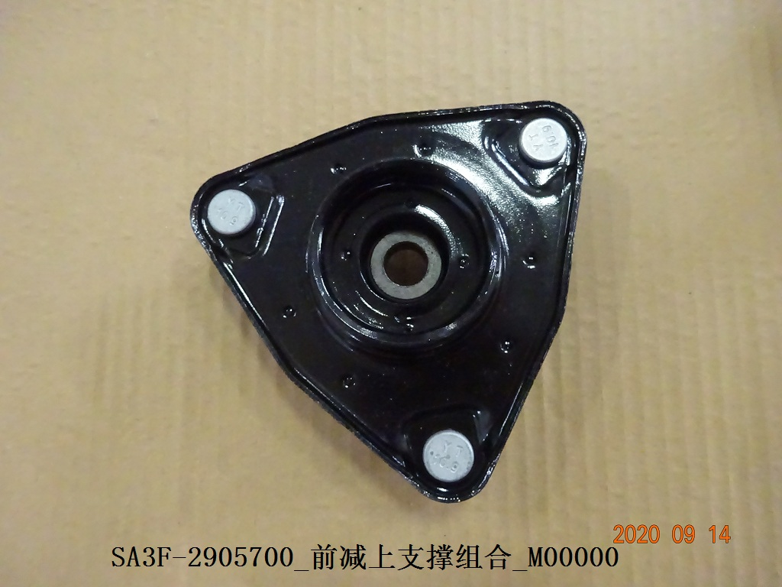
12779602-00 | SA3F-2915700 | 后减上支撑组合 | Rear upper support assembly
13270747-00 | SA3EA-2916010B | 后横向稳定杆装配总成 | Rear lateral stabilizer bar assembly
12252707-00 | ST-2904400A | 右前下摆臂球头总成 | Right front lower swing arm ball head assembly | 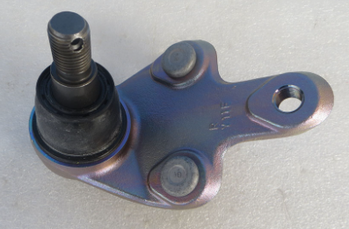
13116667-00 | SA3F-2914020-D2 | 后悬前控制臂总成 | Rear suspension front control arm assembly
13514923-00 | SA3HA-3501500A | 前制动片总成 | Front brake pad assembly | 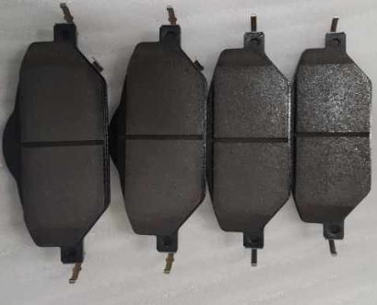
13516385-00 | SA3HA-3501220 | 右前制动钳体分总成 | Right front brake caliper subassembly | 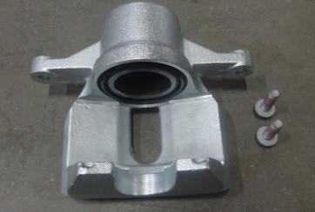
13167056-00 | SA3HA-3501101 | 左前制动钳钳体总成 | Left front brake caliper assembly | 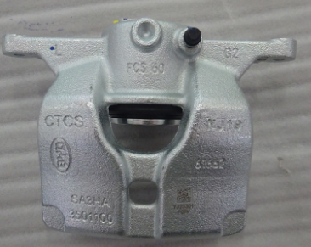
13541759-00 | SA3HA-3501011A | 前制动盘 | Front brake disc | 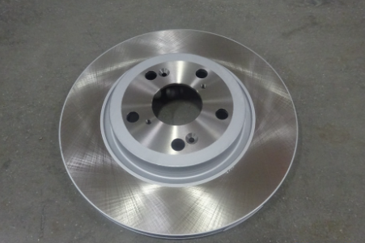
13047693-00 | SA3HA-3103010 | 前轮毂总成 | Front wheel hub assembly
13167060-00 | SA3HA-2304010 | 左前转向节总成 | Left front steering knuckle assembly | 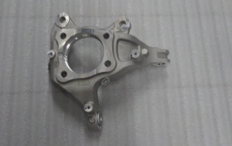
12660700-00 | SA2H-3104100 | 后轮毂单元总成 | Rear wheel hub unit assembly | 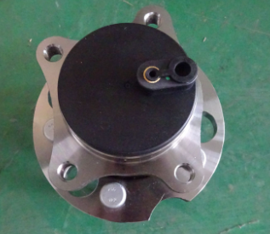
13167083-00 | SA3EA-3502112 | 后制动盘总成 | Rear brake disc assembly | 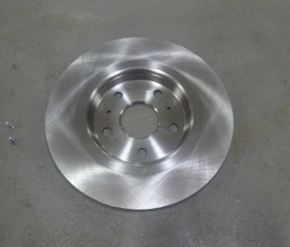
13514918-00 | SA3EA-2404101A | 左后转向节 | Left rear steering knuckle | 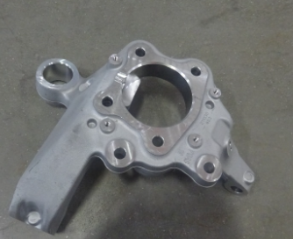
12686089-00 | STHA-3540020 | 制动液壶总成 | Brake fluid tank assembly | 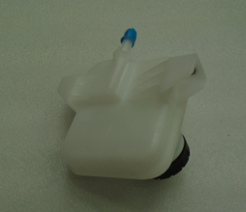
12665177-00 | SA3F-4134100 | 高位制动灯 | High-mounted brake light
13506486-00 | DAEA-3791200C-L1 | 电子智能钥匙 | Electronic smart key | 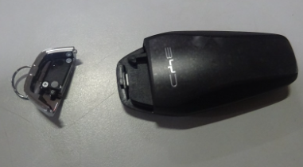
12683058-00 | SA3F-5302450 | 左后门轮眉装饰板总成 | Left rear door fender flare trim assembly
12737719-00 | SA3F-6302230 | 左后扰流板总成 | Left rear spoiler assembly | 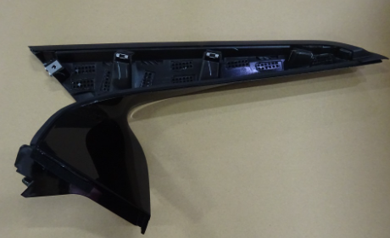
12737712-00 | SA3F-6302240 | 右后扰流板总成 | Right rear spoiler assembly | 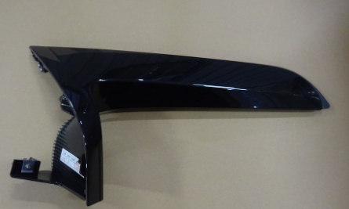
12987817-00 | SA3F-5402910-D1 | 左前B柱外饰板总成 | Left front B-pillar exterior trim assembly
12987810-00 | SA3F-5402920-D1 | 右前B柱外饰板总成 | Right front B-pillar exterior trim assembly
13001036-00 | SA3F-5402210A-00A7 | 左B柱上护板总成-深黑5 | Left B-pillar upper guard plate assembly - deep black 5 | 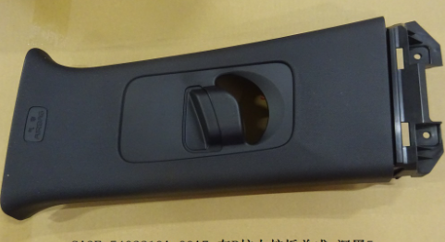
13001069-00 | SA3F-5402220A-00A7 | 右B柱上护板总成-深黑5 | Right B-pillar upper guard plate assembly - deep black 5
12987815-00 | SA3F-5402930-D1 | 左后B柱外饰板总成 | Left rear B-pillar exterior trim assembly
12987816-00 | SA3F-5402940-D1 | 右后B柱外饰板总成 | Right rear B-pillar exterior trim assembly
12682936-00 | SA3F-5402230-00A7 | 左B柱下护板总成-深黑5 | Left B-pillar lower guard plate assembly - deep black 5 | 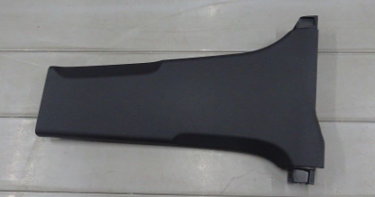
12682935-00 | SA3F-5402240-00A7 | 右B柱下护板总成-深黑5 | Right B-pillar lower guard plate assembly - deep black 5 | 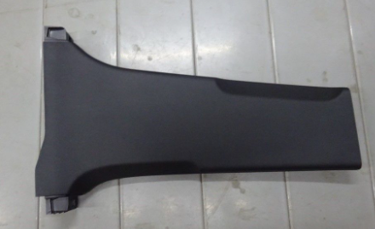
13001064-00 | SA3F-5402110A-00A7 | 左A柱上护板总成-深黑5 | Left A-pillar upper guard plate assembly - deep black 5
13001031-00 | SA3F-5402120A-00A7 | 右A柱上护板总成-深黑5 | Right A-pillar upper guard plate assembly - deep black 5
12987811-00 | SA3F-5402950-D1 | 左C柱外饰板总成 | Left C-pillar exterior panel assembly | 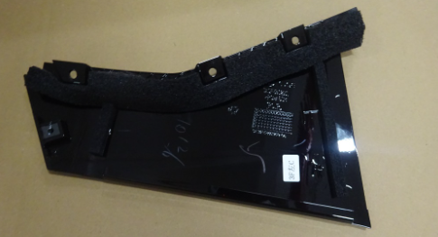
12987813-00 | SA3F-5402960-D1 | 右C柱外饰板总成 | Right C-pillar exterior panel assembly | 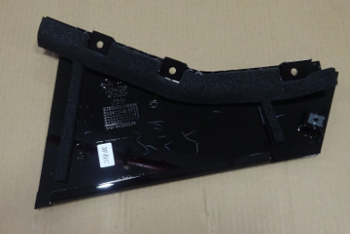
13001077-00 | SA3F-5402310A-00A7 | 左C柱上护板总成-深黑5 | Left C-pillar upper guard plate assembly - deep black 5 | 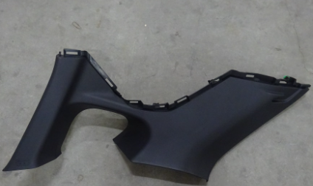
13001084-00 | SA3F-5402320A-00A7 | 右C柱上护板总成-深黑5 | Right C-pillar upper guard plate assembly - deep black 5 | 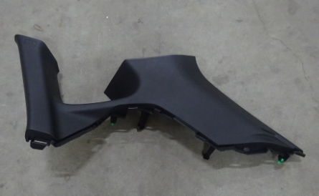
12782922-00 | SA3F-5402450A-00A7 | 左后侧围护板总成-深黑5 | Left rear side guard plate assembly - deep black 5 | 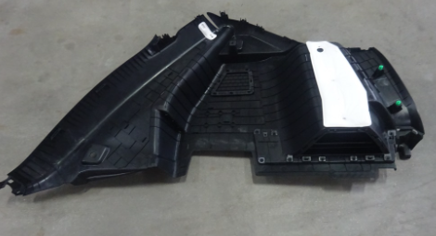
12680854-00 | SA3F-6306100 | 背门左铰链总成 | Back door left hinge assembly | 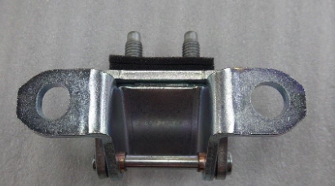
13172064-00 | SA3F-5401123Q/70 | 左翼子板前支架 | Left fender front bracket | 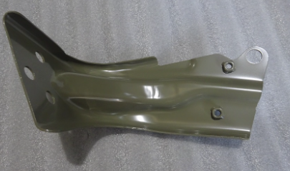
13165114-00 | ST-6106100C | 左前门上铰链总成 | Left front door upper hinge assembly | 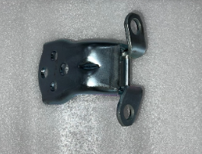
13165115-00 | ST-6106109C | 右前门上铰链总成 | Right front door upper hinge assembly | 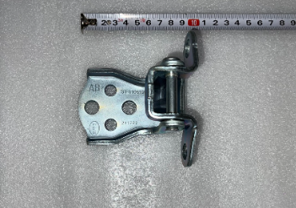
12326118-00 | ST-6106209 | 右前门下铰链总成 | Right front door lower hinge assembly | 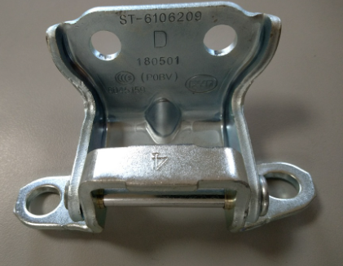
12326116-00 | ST-6106200 | 左前门下铰链总成 | Left front door lower hinge assembly | 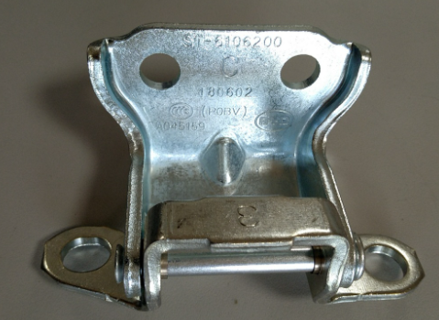
13134394-00 | SA3F-6101019/70 | 右前门总成 | Right front door assembly | 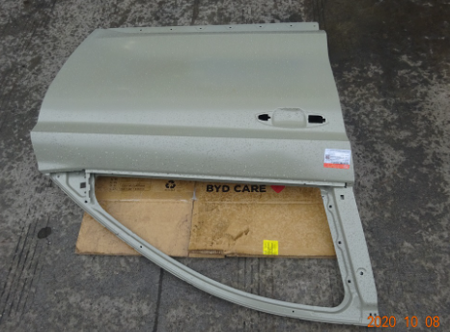
13134389-00 | SA3F-6101010/70 | 左前门总成 | Left front door assembly | 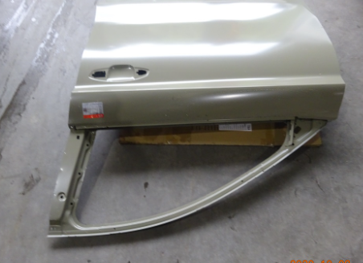
12326145-00 | ST-6206100 | 左后门上铰链总成 | Left rear door upper hinge assembly | 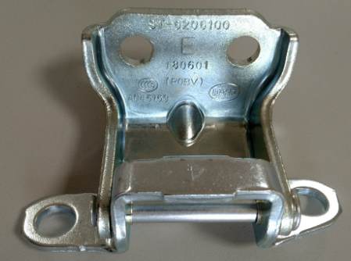
12326139-00 | ST-6206109 | 右后门上铰链总成 | Right rear door upper hinge assembly | 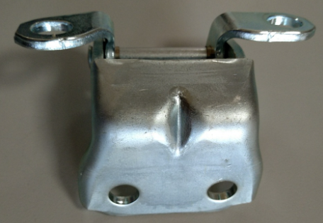
13134392-00 | SA3F-6201019/70 | 右后门总成 | Right rear door assembly | 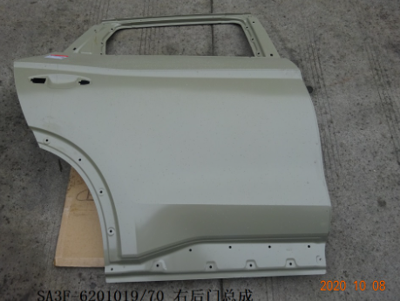
13336004-00 | SA3F-8400010A/70 | 前防撞梁总成 | Front anti-collision beam assembly
12680941-00 | SA3F-6303100 | 背门玻璃总成 | Back door glass assembly
12680944-00 | SA3F-5406020 | 右后侧围玻璃总成 | Right rear side glass assembly | 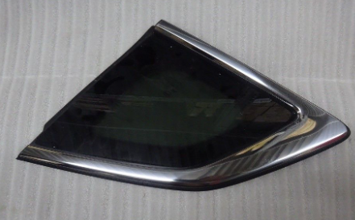
12680943-00 | SA3F-5406010 | 左后侧围玻璃总成 | Left rear side glass assembly | 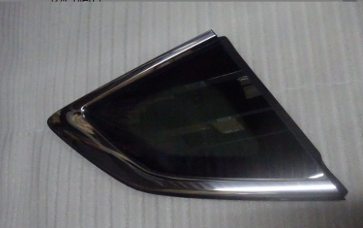
12680899-00 | SA3F-5407114 | 右后门框密封条 | Right rear door frame seal strip | 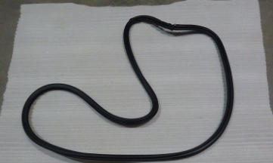
12680898-00 | SA3F-5407113 | 左后门框密封条 | Left rear door frame seal strip | 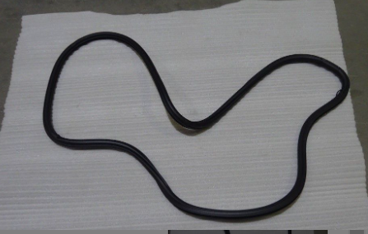
12680897-00 | SA3F-5407111 | 左前门框密封条 | Left front door frame seal strip | 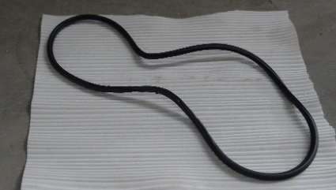
12681081-00 | SA3F-6107115 | 左前门外水切 | Left front door outer water cut
12681078-00 | SA3F-6107116 | 右前门外水切 | Right front door outer water cut
12681095-00 | SA3F-6207116 | 右后门外水切 | Right rear door outer water cut
13323660-00 | SA3F-6203100B | 左后门玻璃总成 | Left rear door glass assembly | 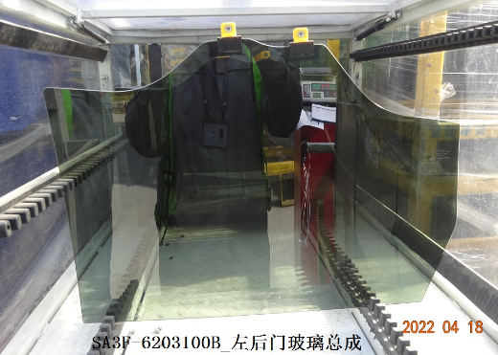
13323661-00 | SA3F-6203109B | 右后门玻璃总成 | Right rear door glass assembly | 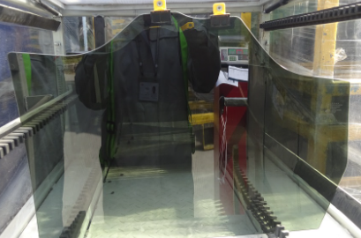
12681098-00 | SA3F-5205300 | 前雨刮传动系统总成 | Front wiper drive system assembly
13382500-00 | SA3F-6105200B | 左前门锁体总成 | Left front door lock assembly | 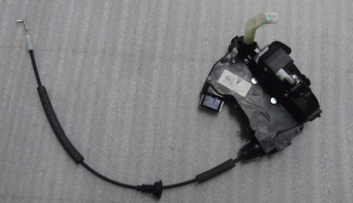
13382499-00 | SA3F-6105209B | 右前门锁体总成 | Right front door lock assembly
13067649-00 | SA3F-6105100 | 左前门外把手总成 | Left front door exterior handle assembly | 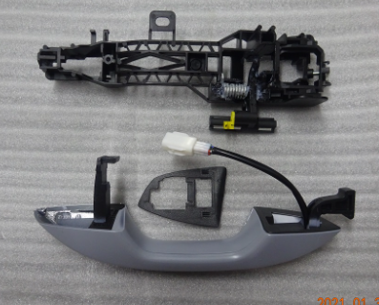
13067650-00 | SA3F-6105109 | 右前门外把手总成 | Right front door exterior handle assembly | 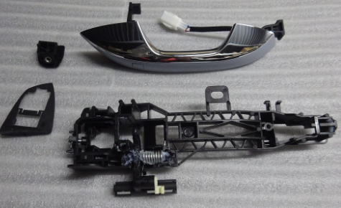
13382503-00 | SA3F-6205209B | 右后门锁体总成 | Right rear door lock assembly
13067651-00 | SA3F-6205100 | 左后门外把手总成 | Left rear door exterior handle assembly | 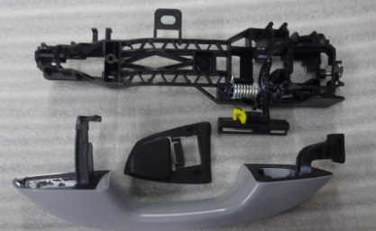
13067652-00 | SA3F-6205109 | 右后门外把手总成 | Right rear door exterior handle assembly | 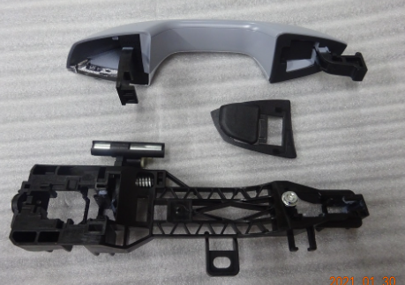
13369006-00 | SA3F-6309511A | 背门左电动弹簧本体 | Back door left electric spring body
12680948-00 | SA3F-6305200A | 背门锁体总成 | Back door lock assembly | 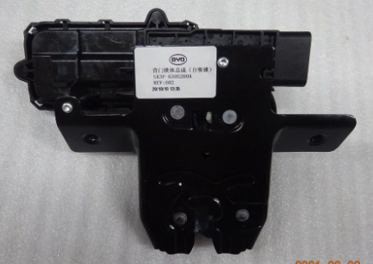
13369008-00 | SA3F-6309512A | 背门右电动弹簧本体 | Back door right electric spring body | 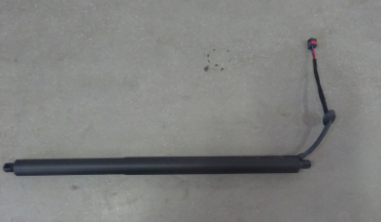
13252893-00 | TA30-1001500A | 动力总成左悬置支座总成 | Powertrain left suspension support assembly | 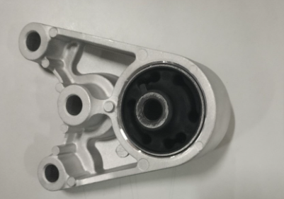
13252891-00 | TA30-1001700A | 动力总成右悬置支座总成 | Powertrain right suspension support assembly | 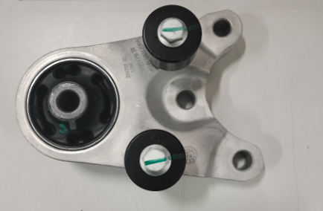
13252905-00 | TA30-1001800A | 动力总成右悬置支架总成 | Powertrain right suspension bracket assembly | 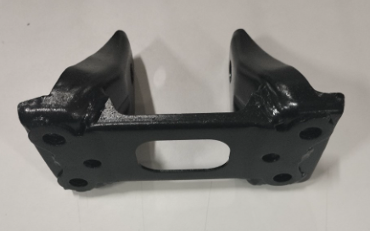
13626309-00 | SC2EM-1301030A | 电机散热器总成Ⅰ | Motor radiator assembly Ⅰ | 
13626310-00 | SC2EM-1308010A | 电子风扇总成Ⅰ | Electronic fan assembly Ⅰ | 
13319111-00 | STHR-1311010 | 副水箱总成Ⅰ | Sub-tank assembly Ⅰ | 
13141302-00 | SA3EB-2203010A | 左前传动半轴总成 | Left front transmission half-shaft assembly
13141303-00 | SA3EB-2203020A | 右前传动半轴总成 | Right front transmission half-shaft assembly
13567119-00 | SA3EJ-2905311 | 前减螺旋弹簧 | Front reduction coil spring
13005419-00 | SA3EB-2905100 | 左前减阻尼器总成 | Left front reduction damper assembly
13315396-00 | SA3EE-2906010 | 前横向稳定杆装配总成 | Front lateral stabilizer bar assembly assembly
11935499-00 | S6-2916100-D1 | 后横向稳定杆拉杆及球头总成 | Rear lateral stabilizer bar tie rod and ball head assembly
13005405-00 | SA3EB-2915200 | 右后减阻尼器总成 | Right rear reduction damper assembly
13005406-00 | SA3EB-2915100 | 左后减阻尼器总成 | Left rear reduction damper assembly
13838760-00 | SA3EJ-2810010-D1 | 前副车架总成 | Front subframe assembly | 
12689147-00 | SA3F-2904010A | 左前下摆臂总成 | Left front lower arm assembly | 
12546365-00 | SA3F-2904020 | 右前下摆臂总成 | Right front lower arm assembly | 
13222641-00 | HAEV-2810020-D1 | 后副车架总成 | Rear subframe assembly | 
12546368-00 | SA3F-2914030 | 后悬后控制臂总成 | Rear suspension rear control arm assembly
13150169-00 | SA3EA-3502113D | 后制动片总成售后包 | Rear brake pad assembly after-sales package
13167081-00 | SA3EA-2404020 | 右后转向节总成 | Right rear steering knuckle assembly | 
13139903-00 | SA3EA-3502162D | 右后制动钳分总成售后包 | Right rear brake caliper sub-assembly after-sales package | 
13139902-00 | SA3EA-3502161D | 左后制动钳分总成售后包 | Left rear brake caliper sub-assembly after-sales package | 
13957707-00 | SA3HK-3101010A | 铝合金车轮 | Aluminum alloy wheel Right front center position light Left combination rear light assembly Right combination front light assembly | 
13856217-00 | SA3HK-4102200 | 右前中位置灯 | Right front center position light | 
13856268-00 | SA3HK-4133010 | 左组合后灯总成 | Left combination rear light assembly | 
13856264-00 | SA3HK-4121020 | 右组合前灯总成 | Right combination front light assembly | 
13856259-00 | SA3HK-4107300 | 中尾灯 | Center tail light | 
13856227-00 | SA3HK-4133020 | 右组合后灯总成 | Right combination rear light assembly | 
13856224-00 | SA3HK-4121010 | 左组合前灯总成 | Left combination front light assembly
13856228-00 | SA3HK-4135200 | 右后回复反射器 | Right rear reflector
13856230-00 | SA3HK-4135100 | 左后回复反射器 | Left rear reflector
14036455-00 | SA3HK-4116300 | 左后雾灯 | Left rear fog lamp
13856218-00 | SA3HK-4102100 | 左前中位置灯 | Left front center position lamp
13347991-00 | SK2H-3658300 | 前碰传感器Ⅰ | Front collision sensor I
13378173-00 | SK2H-3658500 | 侧碰传感器 | Side collision sensor | 
13738746-00 | SA3EF-7924200EF | 主机总成 | Host assembly | 
13574225-00 | HC-7924100AC-E1 | PAD显示屏总成 | PAD display assembly | 
13964404-00 | SA3EF-3776450 | 全景前视影像模组 | Panoramic front view image module | 
13543431-00 | SA3HJ-3776750A | 全景后视影像模组 | Panoramic rear view image module | 
13626988-00 | SA3HJ-3603600 | 左后毫米波雷达 | Left rear millimeter wave radar | 
13640057-00 | EL-3630330A-D5 | 左后轮速传感器 | Left rear wheel speed sensor | 
12992495-00 | EM2E-3703010 | 蓄电池总成 | Battery assembly
13790617-00 | SA3EF-4011300B | 前保险杠小线 | Front bumper small wire | 
13790597-00 | SA3EF-4013100B | 后保险杠小线 | Rear bumper small wire | 
13033891-00 | SA2E-8121211E-E1 | 高效过滤器 | High efficiency filter | 
13507829-00 | SA3EJ-8105010 | 冷凝器总成 | Condenser assembly | 
14728176-00 | SA3EF-2803111/30 | 前保险杠上本体 | Front bumper upper body
13964288-00 | SA3HK-2803411 | 前保险杠右支架 | Front bumper right bracket
13964287-00 | SA3HK-2803311 | 前保险杠左支架 | Front bumper left bracket
13964220-00 | SA3HK-2803113 | 前保左气帘装饰板 | Front bumper left air curtain decorative plate | 
13964277-00 | SA3HK-2803133 | 前保险杠左前中位置灯装饰条 | Front bumper left front center position light decorative strip | 
SA3HK-2803114 | SA3HK-2803134 | 前保险杠右前中位置灯装饰条 | Front bumper right front center position light decorative strip
13964222-00 | SA3HK-2803114 | 前保右气帘装饰板 | Front bumper right air curtain decorative plate | 
13856457-00 | SA3HK-2804330 | 后保险杠左下支撑支架总成 | Rear bumper left lower support bracket assembly | 
13856458-00 | SA3HK-2804310 | 后保险杠左前支架总成 | Rear bumper left front bracket assembly
13856333-00 | SA3HK-2804320 | 后保险杠左后支架总成 | Rear bumper left rear bracket assembly
13856335-00 | SA3HK-2804430 | 后保险杠右下支撑支架总成 | Rear bumper right lower support bracket assembly | 
13856336-00 | SA3HK-2804410 | 后保险杠右前支架总成 | Rear bumper right front bracket assembly
13856334-00 | SA3HK-2804420 | 后保险杠右后支架总成 | Rear bumper right rear bracket assembly
14653129-00 | SA3HK-2804130B/30 | 后保险杠上本体总成 | Rear bumper upper body assembly
14103240-00 | SA3HK-2804115 | 后保险杠左气帘装饰板 | Rear bumper left air curtain decorative plate
14103511-00 | SA3HK-2804118/77-00BK | 后保险杠上本体饰条-高亮黑 | Rear bumper upper body trim - high gloss black
14103388-00 | SA3HK-2804116 | 后保险杠右气帘装饰板 | Rear bumper right air curtain trim
14103238-00 | SA3HK-2804112 | 后保险杠下本体 | Rear bumper lower body
14153170-00 | SA3HK-2804117/77-00ST | 后保险杠下护板-哑银白 | Rear bumper lower guard plate - matte silver
12856470-00 | SA3EA-3102310 | 前副车架挡泥板总成 | Front subframe fender assembly
13992401-00 | SA3HK-3102120 | 右前轮挡泥板总成 | Right front wheel fender assembly | 
13992404-00 | SA3HK-3102140 | 右后轮挡泥板总成 | Right rear wheel fender assembly | 
13992402-00 | SA3HK-3102110 | 左前轮挡泥板总成 | Left front wheel fender assembly | 
13992403-00 | SA3HK-3102130 | 左后轮挡泥板总成 | Left rear wheel fender assembly | 
13992581-00 | SA3HK-5302210 | 格栅上盖板总成 | Grill cover assembly | 
13992505-00 | SA3HK-5302240 | 前舱右装饰板总成 | Front cabin right decorative panel assembly | 
13992584-00 | SA3HK-5302242 | 前舱右装饰板延长板 | Front cabin right decorative panel extension plate
12990811-00 | SA3HA-5302220A | 发动机装饰板总成 | Engine decorative panel assembly | 
SA3HK-5302230 | SA3HK-5302232 | 前舱左装饰板延长板 | Front cabin left decorative panel extension plate
13992397-00 | SA3EF-5302310 | 散热器左导流板总成 | Radiator left deflector assembly
13992398-00 | SA3EF-5302320 | 散热器右导流板总成 | Radiator right deflector assembly
13996607-00 | SA3HK-5302440 | 右后轮眉装饰板总成 | Right rear wheel eyebrow decorative panel assembly
13996584-00 | SA3HK-5302410 | 左前轮眉装饰板总成 | Left front wheel eyebrow decorative panel assembly
13996605-00 | SA3HK-5302420 | 右前轮眉装饰板总成 | Right front wheel eyebrow decorative panel assembly | 
13831909-00 | SA3HK-5306110-00LA1 | 仪表板上本体总成-日蚀蓝 | Instrument panel upper body assembly - Eclipse Blue
13741016-00 | SA3H-5402510 | 左前门槛护板总成 | Left front door sill guard assembly | 
13992448-00 | SA3HK-5402830 | 左前门裙板总成 | Left front door skirt assembly
13992449-00 | SA3HK-5402850 | 左后门裙板总成 | Left rear door skirt assembly
13773703-00 | SA3H-5402530 | 左后门槛护板总成 | Left rear door sill guard assembly
12683029-00 | SA3F-5402770 | 左侧围装饰条总成 | Left side trim strip assembly
13992450-00 | SA3HK-5402840 | 右前门裙板总成 | Right front door skirt assembly
13992451-00 | SA3HK-5402860 | 右后门裙板总成 | Right rear door skirt assembly
13773702-00 | SA3H-5402520 | 右前门槛护板总成 | Right front door sill guard assembly
13773704-00 | SA3H-5402540 | 右后门槛护板总成 | Right rear door sill guard assembly | 
13006096-00 | SA3F-5402460B-00A7 | 右后侧围护板总成-深黑5 | Right rear side trim strip assembly - Deep Black 5
13001115-00 | SA3F-5402380-00A7 | 右后侧围顶棚压条总成-深黑5 | Right rear side ceiling molding assembly - deep black 5
12683030-00 | SA3F-5402780 | 右侧围装饰条总成 | Right side trim assembly
14779246-00 | SA3HK-8402010/70 | 前舱盖总成 | Front hood assembly
13863539-00 | SA3HK-8402619 | 前舱盖右铰链总成 | Front hood right hinge assembly
13863538-00 | SA3HK-8402610 | 前舱盖左铰链总成 | Front hood left hinge assembly | 
14779247-00 | SA3HK-6301010/70 | 背门总成 | Back door assembly | 
14779223-00 | SA3HK-8403010/70 | 左翼子板总成 | Left fender assembly | 
14779224-00 | SA3HK-8403019/70 | 右翼子板总成 | Right fender assembly | 
13134393-00 | SA3F-6201010/70 | 左后门总成 | Left rear door assembly | 
13720594-00 | SA3H-5301290B | 前端模块总成 | Front module assembly | 
14225675-00 | SA3HK-5206010A | 前风窗玻璃总成 | Front windshield assembly | 
12680896-00 | SA3F-5407112 | 右前门框密封条 | Right front door frame seal strip | 
12680900-00 | SA3F-5407215 | 左侧门槛密封条 | Left door sill seal strip
12680901-00 | SA3F-5407216 | 右侧门槛密封条 | Right door sill seal strip
13845393-00 | SA3F-8402530A | 前舱盖锁体总成 | Front hood lock assembly | 
13872040-00 | SA3F-8402520B | 前舱盖开启拉索总成 | Front hood opening cable assembly
13872041-00 | SA3F-8402911B | 前舱左气弹簧本体 | Front compartment left gas spring body
13872042-00 | SA3F-8402912B | 前舱右气弹簧本体 | Front compartment right gas spring body
14145536-00 | SA3F-8202100L-P1 | 左外后视镜总成 | Left exterior rearview mirror assembly | 
13679327-00 | SA3F-8202109L-D2 | 右外后视镜总成 | Right exterior rearview mirror assembly
13382511-00 | SA3F-6205200B | 左后门锁体总成 | Left rear door lock assembly | 

