Sheet1
OEM | part name |  | part no. | picture
12798726-00 | 点火线圈 | Ignition coil | 472QA-3705100
13505385-00 | 火花塞 | Spark plug | 472QA-3707100A | 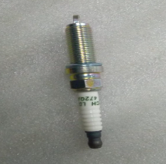
10506790-00 | 凸轮轴相位传感器 | Camshaft phase sensor | 476ZQA-3611300 | 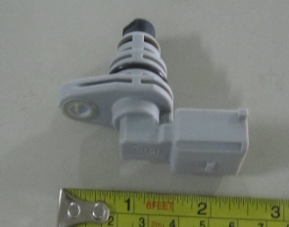
10923672-00 | 氧传感器 | Oxygen sensor | 488QA-1211100 | 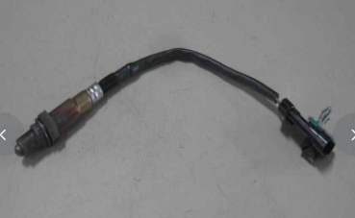
13055551-00 | 前氧传感器 | Front oxygen sensor | HA2HE-1211100 | 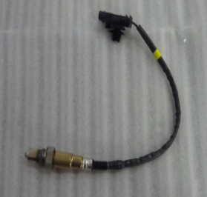
12285896-00 | 机油滤清器 | Oil filter | 473QA-1017010/97 | 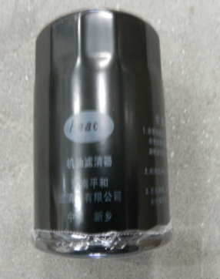
12798667-00 | 机油冷却器 | Oil cooler | 472QA-1013100 | 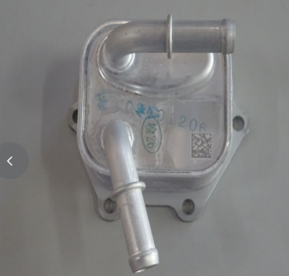
13099350-00 | 水泵 | Water pump | SA3HE-1307100 | 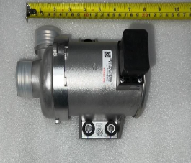
12282801-00 | 电子节气门体总成 | Electronic throttle body assembly | F3-3765010B | 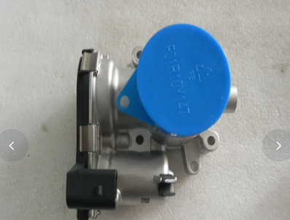
12991076-00 | 进气导流管总成 | Intake guide tube assembly | SA3HE-1109010 | 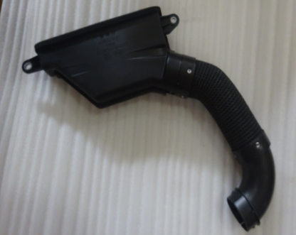
13011359-00 | 空气滤清器总成 | Air filter assembly | T472-1109020 | 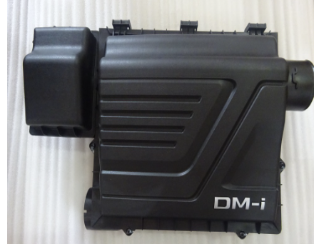
13011363-00 | 滤芯总成 | Filter element assembly | T472-1109210 | 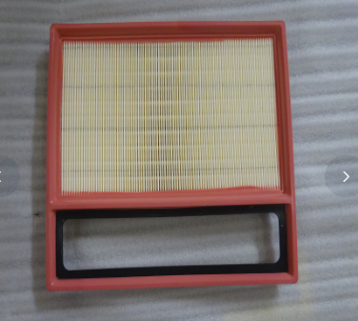
13485808-00 | 动力总成右悬置支架总成 | Powertrain right suspension bracket assembly | SA3HE-1001800-D1 | 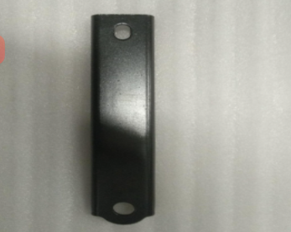
13273732-00 | 动力总成右悬置支座总成 | Powertrain right suspension support assembly | T472-1001700-D1 | 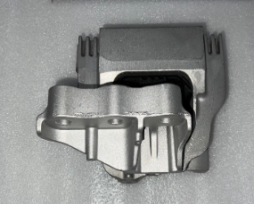
13490611-00 | 动力总成左悬置支座总成 | Powertrain left suspension support assembly | T472-1001500G | 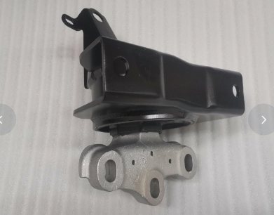
13598432-00 | 动力总成后悬置支架总成 | Powertrain rear suspension bracket assembly | SA3HE-1001400A | 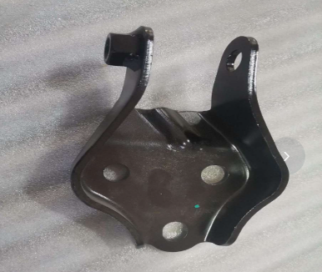
13021190-00 | 动力总成后悬置支座总成 | Powertrain rear suspension bracket assembly | T472-1001300 | 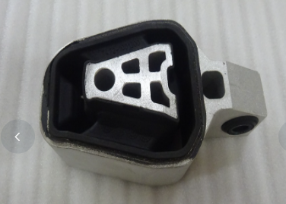
10877016-00 | 燃油滤清器总成 | Fuel filter assembly | 5A-1117100 | 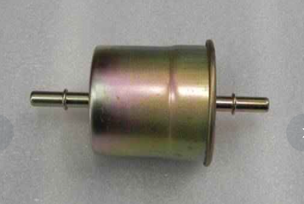
13051155-00 | 燃油泵总成 | Fuel pump assembly | SA3F-1106010A | 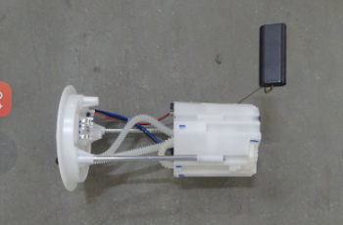
16966630-00 | 灰滤总成 | Ash filter assembly | SA3F-1026700A | 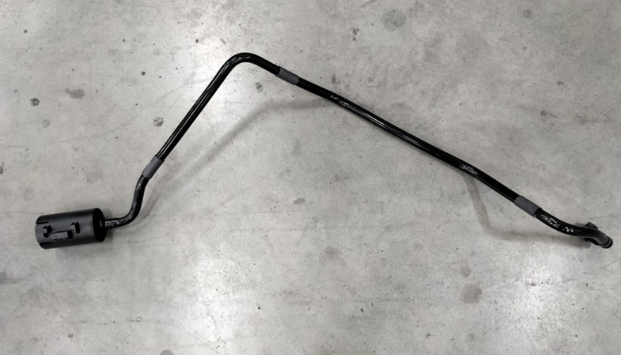
12999861-00 | 副水箱总成Ⅱ | Sub-tank assembly Ⅱ | SA3HE-1311020 | 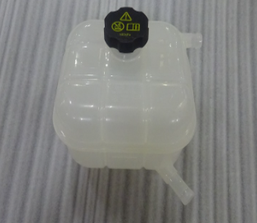
13012862-00 | 电动水泵总成Ⅰ | Electric water pump assembly Ⅰ | SA3HE-1309010 | 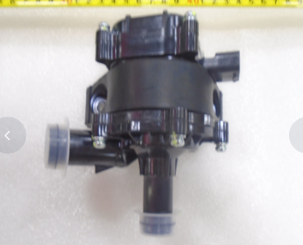
12999860-00 | 副水箱总成Ⅰ | Sub-tank assembly Ⅰ | SA3HE-1311010 | 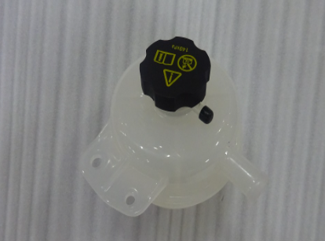
13020425-00 | 散热器上悬置支架总成Ⅰ | Radiator upper suspension bracket assembly Ⅰ | SA3HE-1315210 | 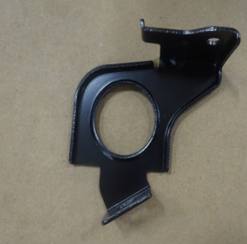
13020424-00 | 散热器上悬置支架总成Ⅱ | Radiator upper suspension bracket assembly II | SA3HE-1315220 | 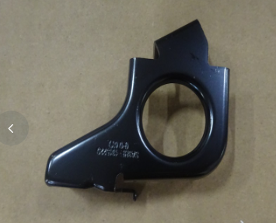
12978696-00 | 油冷器总成Ⅰ | Oil cooler assembly I | SA3HE-1310010 | 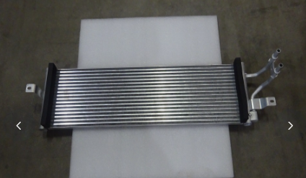
12984966-00 | 电控散热器总成Ⅰ | Electronic control radiator assembly I | SA3HE-1301050 | 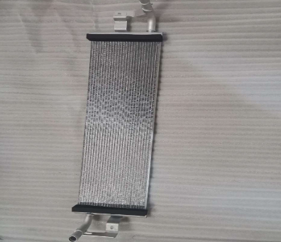
12983254-00 | 高温散热器总成 | High temperature radiator assembly | SA3HE-1301010 | 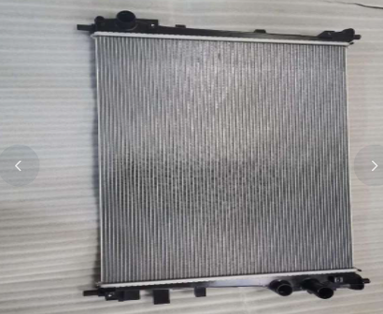
13056345-00 | 左前传动半轴总成 | Left front drive axle assembly | SA3HE-2203010A
13056344-00 | 右前传动半轴总成 | Right front drive axle assembly | SA3HE-2203020A
12764233-00 | 前减上支撑组合 | Front reducer upper support assembly | SA3F-2905700 | 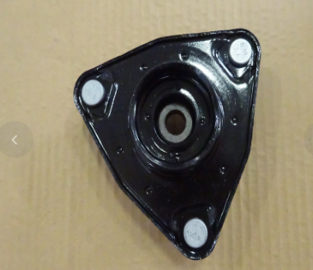
12783277-00 | 前减螺旋弹簧 | Front reducer coil spring | SA3H-2905311 | 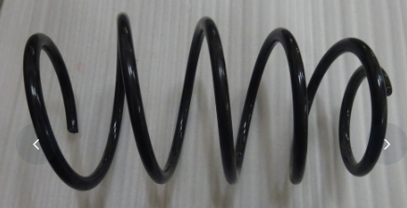
13024941-00 | 右前减阻尼器总成 | 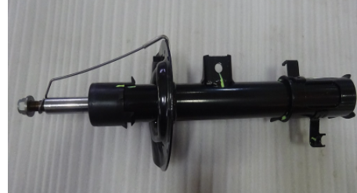 Right front damper assembly | SA3HA-2905200
13024940-00 | 左前减阻尼器总成 | Left front damper assembly | SA3HA-2905100
12406952-00 | 前横向稳定杆总成 | Front lateral stabilizer bar assembly | SA3F-2906010
12779602-00 | 后减上支撑组合 | Rear damper upper support assembly | SA3F-2915700 | 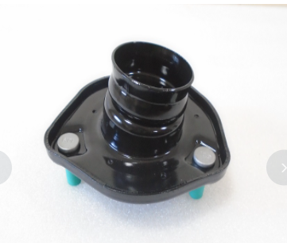
12783276-00 | 后减螺旋弹簧 | Rear damper coil spring | SA3H-2915311 | 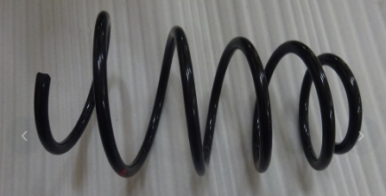
13270747-00 | 后横向稳定杆装配总成 | Rear lateral stabilizer bar assembly assembly | SA3EA-2916010B
13024915-00 | 右后减阻尼器总成 | Right rear damper assembly | SA3HA-2915200 | 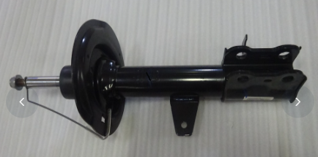
13024916-00 | 左后减阻尼器总成 | Left rear damper assembly | SA3HA-2915100
13013169-00 | 前副车架总成 | Front subframe assembly | SA3HB-2810010-D1 | 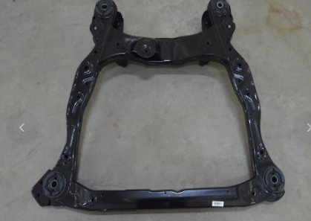
12546366-00 | 左前下摆臂总成 | Left front lower arm assembly | SA3F-2904010 | 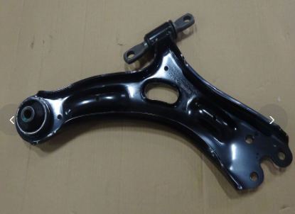
12252707-00 | 右前下摆臂球头总成 | Right front lower arm ball joint assembly | ST-2904400A | 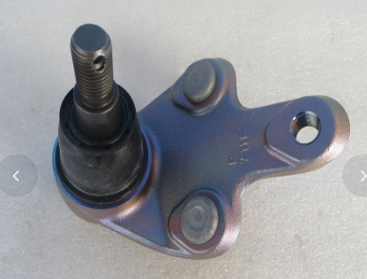
12252706-00 | 左前下摆臂球头总成 | Left front lower arm ball joint assembly | ST-2904300A | 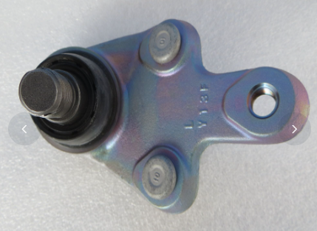
13116666-00 | 后悬牵引臂总成 | Rear suspension traction arm assembly | SA3F-2914010-D2
13116667-00 | 后悬前控制臂总成 | Rear suspension front control arm assembly | SA3F-2914020-D2
14608534-00 | 中间轴总成 | Intermediate shaft assembly | SA3HA-3404030D | 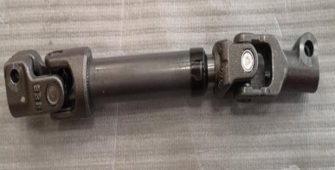
15102912-00 | 转向拉杆外球节总成 | Steering tie rod outer ball joint assembly | SA3HA-3401120 | 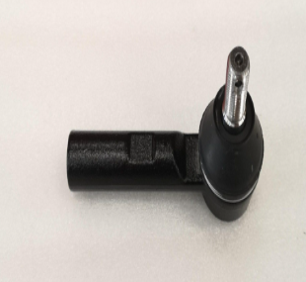
12747069-00 | 机械转向器带横拉杆总成 | Mechanical steering gear with tie rod assembly | SA3HA-3401010
13514923-00 | 前制动片总成 | Front brake pad assembly | SA3HA-3501500A | 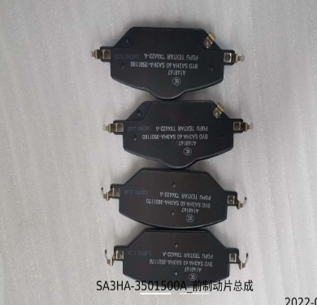
13516385-00 | 右前制动钳体分总成 | Right front brake caliper body subassembly | SA3HA-3501220 | 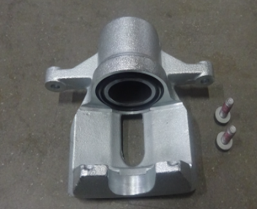
13167056-00 | 左前制动钳钳体总成 | Left front brake caliper body assembly | SA3HA-3501101 | 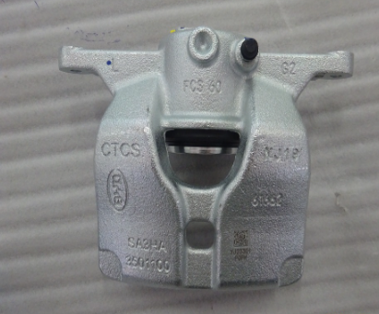
13541759-00 | 前制动盘 | Front brake disc | SA3HA-3501011A | 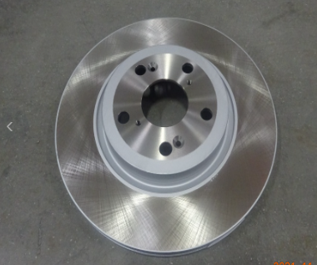
13047693-00 | 前轮毂总成 | Front wheel hub assembly | SA3HA-3103010 | 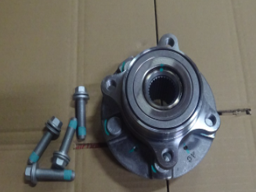
13541758-00 | 左前转向节总成 | Left front steering knuckle assembly | SA3HA-2304101A | 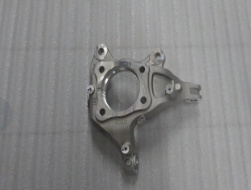 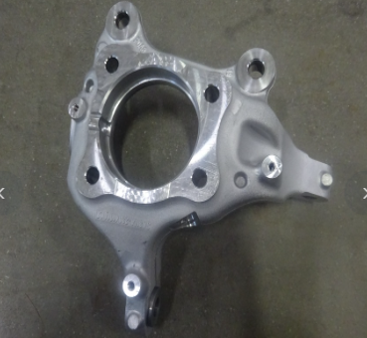
12660700-00 | 后轮毂单元总成 | Rear wheel hub unit assembly | SA2H-3104100 | 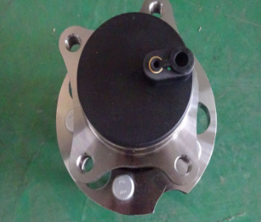
13167083-00 | 后制动盘总成 | Rear brake disc assembly | SA3EA-3502112 | 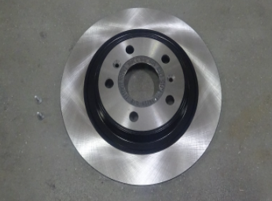
13514918-00 | 左后转向节 | Left rear steering knuckle | SA3EA-2404101A | 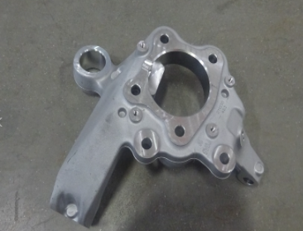
13514919-00 | 右后转向节 | Right rear steering knuckle | SA3EA-2404201A | 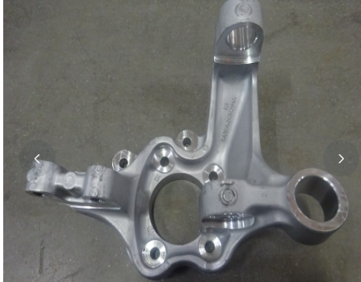
12686089-00 | 制动液壶总成 | Brake fluid tank assembly | STHA-3540020 | 
12995962-00 | 铝合金车轮 | Aluminum alloy wheel | SA3E-3101010A | 
12665177-00 | 高位制动灯 | High-mounted brake light | SA3F-4134100
13591175-00 | 左组合后灯总成 | Left combination rear light assembly | SA3F-4133010J | 
13464772-00 | 右组合前灯总成 | Right combination front light assembly | SA3F-4121020C-W1
13591189-00 | 中尾灯 | Middle tail light | SA3F-4107300J
12665151-00 | 右后回复反射器 | Right rear reflector | SA3F-4135200
12665176-00 | 左后回复反射器 | Left rear reflector | SA3F-4135100
12096313-00 | 后雾灯总成 | Rear fog lamp assembly | HAD-4116300
12216270-00 | 充电口盖照明灯 | Charging port cover lighting | HAD-4115100 | 
13073122-00 | 左亮饰条总成 | Left bright trim assembly | SA3F-4121310
13073123-00 | 右亮饰条总成 | Right bright trim assembly | SA3F-4121320
12464821-00 | 前碰传感器Ⅰ | Front impact sensor Ⅰ | TA-3658300A-D1 | 
12464820-00 | 前碰传感器Ⅱ | Front impact sensor Ⅱ | TA-3658400A-D1 | 
13506486-00 | 电子智能钥匙 | Electronic smart key | DAEA-3791200C-L1 | 
13785374-00 | PAD显示屏总成 | PAD display assembly | SC2EM-7924100SM | 
13088933-00 | 左后轮速传感器 | Left rear wheel speed sensor | EL-3630330A-D2 | 
13745527-00 | 启动铁电池 | Starting iron battery | SA3HE-3703040B | 
12851526-00 | 前保险杠小线 | Front bumper small wire | SA3HE-4011300 | 
12851520-00 | 后保险杠小线 | Rear bumper small wire | SA3HE-4013100 | 
13002803-00 | 高效过滤器 | High efficiency filter | SA2FC-8121211-E1 | 
12983246-00 | 冷凝器总成 | Condenser assembly | SA3HE-8105010A | 
13322461-00 | 前保险杠上本体 | Front bumper upper body | SA3HA-2803111/E4 | 
13216332-00 | 前保险杠右气帘装饰板 | Front bumper right air curtain trim | SA3HA-2803119 | 
13878738-00 | 前格栅总成 | Front grille assembly | SA3HE-2803700-D1
13166189-00 | 前格栅中亮饰条 | Front grille middle bright trim strip | SA3HE-2803745/71 | 
13216331-00 | 前保险杠左气帘装饰板 | Front bumper left air curtain trim strip | SA3HA-2803118 | 
13215375-00 | 前保险杠下本体 | Front bumper lower body | SA3HA-2803112 | 
12683158-00 | 前保险杠右支架 | Front bumper right bracket | SA3F-2803411 | 
13166185-00 | 前保下本体右饰条 | Front bumper lower body right trim strip | SA3HA-2803116/71
13166186-00 | 前保下本体左饰条 | Front bumper lower body left trim strip | SA3HA-2803115/71 | 
12683160-00 | 前保险杠左支架 | Front bumper left bracket | SA3F-2803311 | 
12682987-00 | 后保险杠右前支架总成 | Rear bumper right front bracket assembly | SA3F-2804410
12682986-00 | 后保险杠右后支架总成 | Rear bumper right rear bracket assembly | SA3F-2804420 | 
12683177-00 | 后保险杠右下支撑支架总成 | Rear bumper right lower support bracket assembly | SA3F-2804430 | 
13139682-00 | 后保险杠右上本体 | Rear bumper right upper body | SA3F-2804112/30 | 
12737663-00 | 后保右装饰板 | Rear bumper right decorative plate | SA3F-2804116 | 
13246540-00 | 后保险杠下护板总成 | Rear bumper lower guard plate assembly | SA3HE-2804170
12737658-00 | 后保险杠下本体 | Rear bumper lower body | SA3F-2804113/E4
12737646-00 | 后保左装饰板 | Rear bumper left decorative plate | SA3F-2804115 | 
13139678-00 | 后保险杠左上本体 | Rear bumper left upper body | SA3F-2804111/30 | 
12682988-00 | 后保险杠左后支架总成 | Rear bumper left rear bracket assembly | SA3F-2804320 | 
12682989-00 | 后保险杠左前支架总成 | Rear bumper left front bracket assembly | SA3F-2804310 | 
12683178-00 | 后保险杠左下支撑支架总成 | Rear bumper left lower support bracket assembly | SA3F-2804330 | 
12683175-00 | 右前轮挡泥板总成 | Right front wheel fender assembly | SA3F-3102120 | 
12683176-00 | 左前轮挡泥板总成 | Left front wheel fender assembly | SA3F-3102110 | 
13363638-00 | 前副车架挡泥板总成 | Front subframe fender assembly | SA3HE-3102310B | 
12683174-00 | 左后轮挡泥板总成 | Left rear wheel fender assembly | SA3F-3102130 | 
12683173-00 | 右后轮挡泥板总成 | Right rear wheel fender assembly | SA3F-3102140 | 
13229744-00 | 格栅上盖板总成 | Grill cover assembly | SA3HA-5302210A | 
13229740-00 | 前舱左装饰板总成 | Front cabin left trim assembly | SA3HA-5302230A | 
12884622-00 | 前舱左装饰板延长板 | Front cabin left trim extension | SA3HA-5302232
13679329-00 | 发动机装饰板总成 | Engine trim assembly | SA3HA-5302220D | 
13229739-00 | 前舱右装饰板总成 | Front cabin right trim assembly | SA3HA-5302240A | 
12884623-00 | 前舱右装饰板延长板 | Front cabin right trim extension | SA3HA-5302242
12683059-00 | 右前轮眉装饰板总成 | Right front wheel eyebrow trim assembly | SA3F-5302420 | 
12683060-00 | 左前轮眉装饰板总成 | Left front wheel eyebrow trim assembly | SA3F-5302410 | 
12683058-00 | 左后门轮眉装饰板总成 | Left rear door wheel eyebrow trim assembly | SA3F-5302450
12683061-00 | 左后轮眉装饰板总成 | Left rear wheel eyebrow trim assembly | SA3F-5302430 | 
12683056-00 | 右后门轮眉装饰板总成 | Right rear door wheel eyebrow trim assembly | SA3F-5302460 | 
12683057-00 | 右后轮眉装饰板总成 | Right rear wheel eyebrow trim assembly | SA3F-5302440 | 
12712323-00 | BuildYourDreams字标总成 | BuildYourDreams logo assembly | EL-3921970
12737719-00 | 左后扰流板总成 | Left rear spoiler assembly | SA3F-6302230 | 
12737712-00 | 右后扰流板总成 | Right rear spoiler assembly | SA3F-6302240 | 
13000949-00 | 仪表板上本体总成-日蚀蓝 | Dashboard upper body assembly - Eclipse Blue | SA3F-5306110-00LA1 | 
13232371-00 | 左前门槛护板总成 | Left front door sill guard Panel assembly |  SA3F-5402510B
13232372-00 | 右前门槛护板总成 | Right front door sill guard assembly | SA3F-5402520B | 
12987817-00 | 左前B柱外饰板总成 | Left front B-pillar exterior panel assembly | SA3F-5402910-D1
12987810-00 | 右前B柱外饰板总成 | Right front B-pillar exterior panel assembly | SA3F-5402920-D1 | 
13001036-00 | 左B柱上护板总成-深黑5 | Left B-pillar upper guard assembly-dark black 5 | SA3F-5402210A-00A7 | 
13001069-00 | 右B柱上护板总成-深黑5 | Right B-pillar upper guard assembly-dark black 5 | SA3F-5402220A-00A7 | 
12987815-00 | 左后B柱外饰板总成 | Left rear B-pillar exterior panel assembly | SA3F-5402930-D1 | 
12987816-00 | 右后B柱外饰板总成 | Right rear B-pillar exterior panel assembly | SA3F-5402940-D1 | 
12682936-00 | 左B柱下护板总成-深黑5 | Left B-pillar lower guard assembly-dark black 5 | SA3F-5402230-00A7 | 
12682935-00 | 右B柱下护板总成-深黑5 | Right B-pillar lower guard assembly-dark black 5 | SA3F-5402240-00A7 | 
12683033-00 | 左前门裙板总成 | Left front door skirt assembly | SA3F-5402830 | 
12683032-00 | 右前门裙板总成 | Right front door skirt assembly | SA3F-5402840 | 
12683011-00 | 左后门裙板总成 | Left rear door skirt assembly | SA3F-5402850 | 
12683010-00 | 右后门裙板总成 | Right rear door skirt assembly | SA3F-5402860 | 
13001064-00 | 左A柱上护板总成-深黑5 | Left A-pillar upper guard assembly-dark black 5 | SA3F-5402110A-00A7 | 
13001031-00 | 右A柱上护板总成-深黑5 | Right A-pillar upper guard assembly-dark black 5 | SA3F-5402120A-00A7 | 
13232374-00 | 左后门槛护板总成 | Left rear door sill guard assembly | SA3F-5402530B | 
13232378-00 | 右后门槛护板总成 | Right rear door sill guard assembly | SA3F-5402540B | 
12987811-00 | 左C柱外饰板总成 | Left C-pillar exterior panel assembly | SA3F-5402950-D1 | 
12987813-00 | 右C柱外饰板总成 | Right C-pillar exterior panel assembly | SA3F-5402960-D1 | 
13001077-00 | 左C柱上护板总成-深黑5 | Left C-pillar upper guard plate assembly-dark black 5 | SA3F-5402310A-00A7 | 
13001084-00 | 右C柱上护板总成-深黑5 | Right C-pillar upper guard plate assembly-dark black 5 | SA3F-5402320A-00A7 | 
12782922-00 | 左后侧围护板总成-深黑5 | Left rear side guard plate assembly-dark black 5 | SA3F-5402450A-00A7 | 
12782917-00 | 右后侧围护板总成-深黑5 | Right rear side guard plate assembly-dark black 5 | SA3F-5402460A-00A7 | 
12682944-00 | 后围踏板总成-深黑5 | Rear pedal assembly-dark black 5 | SA3F-5602070-00A7 | 
12682947-00 | 后背门上护板总成-深黑5 | Back door upper guard plate assembly-dark black 5 | SA3F-6302110-00A7 | 
12682949-00 | 后背门左护板总成-深黑5 | Back door left guard plate assembly-dark black 5 | SA3F-6302130-00A7 | 
12682904-00 | 后背门右护板总成-深黑5 | Back door right guard plate assembly-dark black 5 | SA3F-6302140-00A7 | 
12683090-00 | 后背门下护板总成-深黑5 | Back door lower guard plate assembly-dark black 5 | SA3F-6302120-00A7 | 
12883973-00 | 左撑杆总成 | Left support rod assembly | SA3EB-5307050 | 
12883974-00 | 右撑杆总成 | Right support rod assembly | SA3EB-5307060 | 
13134395-00 | 前舱盖总成 | Front hood assembly | SA3F-8402010/70 | 
12680855-00 | 前舱盖左铰链总成 | Front hood left hinge Assembly | SA3F-8402610 | 
12680856-00 | 前舱盖右铰链总成 | Front hood right hinge assembly | SA3F-8402619 | 
12680854-00 | 背门左铰链总成 | Back door left hinge assembly | SA3F-6306100 | 
13134391-00 | 背门总成 | Back door assembly | SA3F-6301010/70 | 
13172064-00 | 左翼子板前支架 | Left fender front bracket | SA3F-5401123Q/70 | 
13168313-00 | 右翼子板前支架 | Right fender front bracket | SA3F-5401124Q/70 | 
13135432-00 | 左翼子板总成 | Left fender assembly | SA3F-8403010/70 | 
13135433-00 | 右翼子板总成 | Right fender assembly | SA3F-8403019/70 | 
13165114-00 | 左前门上铰链总成 | Left front door upper hinge assembly | ST-6106100C | 
13165115-00 | 右前门上铰链总成 | Right front door upper hinge assembly | ST-6106109C | 
12326118-00 | 右前门下铰链总成 | Right front door lower hinge assembly | ST-6106209 | 
12326116-00 | 左前门下铰链总成 | Left front door lower hinge assembly | ST-6106200 | 
13168312-00 | 左翼子板后下支架 | Left fender rear lower bracket | SA3F-5401233Q/70 | 
13168307-00 | 右翼子板后下支架 | Right fender rear lower bracket | SA3F-5401234Q/70 | 
13134394-00 | 右前门总成 | Right front door assembly | SA3F-6101019/70 | 
13134389-00 | 左前门总成 | Left front door assembly | SA3F-6101010/70 | 
12326145-00 | 左后门上铰链总成 | Left rear door upper hinge assembly | ST-6206100 | 
12326139-00 | 右后门上铰链总成 | Right rear door upper hinge assembly | ST-6206109 | 
13134392-00 | 右后门总成 | Right rear door assembly | SA3F-6201019/70 | 
13336004-00 | 前防撞梁总成 | Front anti-collision beam assembly | SA3F-8400010A/70
12778594-00 | 前端模块总成 | Front end module assembly | SA3H-5301290 | 
12859917-00 | 前风窗玻璃总成 | Front windshield glass assembly | SA3F-5206010B | 
12681080-00 | 左前门内水切 | Left front door inner water cut | SA3F-6107117
12681079-00 | 右前门内水切 | Right front door inner water cut | SA3F-6107118
12681077-00 | 左后门内水切 | Left rear door inner water cut | SA3F-6207117
12681094-00 | 右后门内水切 | Right rear door inner water cut | SA3F-6207118
12680902-00 | 背门框密封条 | Back door frame sealing strip | SA3F-5407115 | 
12680941-00 | 背门玻璃总成 | Back door glass assembly | SA3F-6303100 | 
12680944-00 | 右后侧围玻璃总成 | Right rear side glass assembly | SA3F-5406020 | 
12680943-00 | 左后侧围玻璃总成 | Left rear side glass assembly | SA3F-5406010 | 
12680899-00 | 右后门框密封条 | Right rear door frame seal strip | SA3F-5407114 | 
12680898-00 | 左后门框密封条 | Left rear door frame seal strip | SA3F-5407113
12680897-00 | 左前门框密封条 | Left front door frame seal strip | SA3F-5407111
12680904-00 | 右前门密封条 | Right front door seal strip | SA3F-6107112
12680903-00 | 左前门密封条 | Left front door seal strip | SA3F-6107111 | 
12680905-00 | 左后门密封条 | Left rear door seal strip | SA3F-6207111
12680906-00 | 右后门密封条 | Right rear door seal strip | SA3F-6207112
12681081-00 | 左前门外水切 | Left front door outer water cut | SA3F-6107115
12681078-00 | 右前门外水切 | Right front door outer water cut | SA3F-6107116
12681095-00 | 右后门外水切 | Right rear door outer water cut | SA3F-6207116
12681092-00 | 左后门外水切 | Left rear door outer water cut | SA3F-6207115 | 
13323660-00 | 左后门玻璃总成 | Left rear door glass assembly | SA3F-6203100B | 
13323661-00 | 右后门玻璃总成 | Right rear door glass assembly | SA3F-6203109B
12768175-00 | 前舱盖锁体总成 | Front hood lock assembly | SA3F-8402530 | 
12768176-00 | 前舱盖开启拉索总成 | Front hood opening cable assembly | SA3F-8402520A | 
12680933-00 | 前舱左气弹簧本体 | Front compartment left gas spring body | SA3F-8402911 | 
12680934-00 | 前舱右气弹簧本体 | Front compartment right gas spring body | SA3F-8402912
12681098-00 | 前雨刮传动系统总成 | Front wiper transmission system assembly | SA3F-5205300 | 
12681096-00 | 后雨刮电机及支架总成 | Rear wiper motor and bracket assembly | SA3F-6310100 | 
12681108-00 | 洗涤液壶及电机总成 | Washer liquid pot and motor assembly | SA3F-5207110 | 
14069586-00 | 右外后视镜总成 | Right exterior rearview mirror assembly | SA3F-8202109K-D2 | No price yet
14077106-00 | 左外后视镜总成 | Left exterior rearview mirror assembly | SA3F-8202100K-Y2 | No price yet
13382500-00 | 左前门锁体总成 | Left front door lock assembly | SA3F-6105200B | 
13382499-00 | 右前门锁体总成 | Right front door lock assembly | SA3F-6105209B
13067649-00 | 左前门外把手总成 | Left front door exterior handle assembly | SA3F-6105100 | 
13067650-00 | 右前门外把手总成 | Right front door outer handle assembly | SA3F-6105109
13382503-00 | 右后门锁体总成 | Right rear door lock assembly | SA3F-6205209B | 
13067651-00 | 左后门外把手总成 | Left rear door exterior handle assembly | SA3F-6205100 | 
13067652-00 | 右后门外把手总成 | Right rear door exterior handle assembly | SA3F-6205109
13369006-00 | 背门左电动弹簧本体 | Back door left electric spring body |  SA3F-6309511A
12680948-00 | 背门锁体总成 | Back door lock assembly | SA3F-6305200A | 
13369008-00 | 背门右电动弹簧本体 | Back door right electric spring body | SA3F-6309512A | 

